GPR161 _multivariate
Reported by Tex Li-Hsing Chi. tex@gate.sinica.edu.tw 2019-08-19

Table 2. The clinicopathological features of HNSCC cohort and GPR161 expression. (Chi square test)
Cutoff at -0.149 (49.8%)
 |  | GPR161 expression |  | GPR161 expression |  | (Optimised)
 | Features | Low | (%) | High | (%) | Case no | P-value | Remark | Matthews
Gender | Female | 147 | 35.4 | 159 | 38.3 | 415 | 0.2523 | 0 | 0
2 | Male | 60 | 14.5 | 49 | 11.8
Age at diagnosis | <=65y | 137 | 33 | 137 | 33 | 415 | 1 | 0 | 0
4 | >65y | 70 | 16.9 | 71 | 17.1
Clinical T Status | T1+T2 | 83 | 20 | 66 | 15.9 | 415 | 0.0941 | 0 | 0
6 | T3+T4 | 124 | 29.9 | 142 | 34.2
Clinical N Status | N0 | 112 | 27 | 104 | 25.1 | 415 | 0.4599 | 0 | 0
8 | N1-3 | 95 | 22.9 | 104 | 25.1
Clinical M Status | M0 | 205 | 49.4 | 207 | 49.9 | 415 | 0.6232 | 0 | 0
10 | M1 | 2 | 0.5 | 1 | 0.2
Clinical Stage | Stage I+II | 53 | 12.8 | 49 | 11.8 | 415 | 0.7113 | 0 | 0
12 | Stage III+IV | 154 | 37.1 | 159 | 38.3
Surgical Margin status | Negative | 157 | 37.8 | 161 | 38.8 | 415 | 0.729 | 0 | 0
14 | Positive | 50 | 12 | 47 | 11.3
Tobacco Exposure | Low | 91 | 21.9 | 70 | 16.9 | 415 | 0.0346 | 1 | 0
16 | High | 116 | 28 | 138 | 33.3

Table 3. Univariate/Multivariate Cox's proportional hazards regression analyses on OS time of GPR161 gene expression in HNSCC

 |  | Univariate |  |  |  | Multivariate
 | Features | HR | CI95%(L) | CI95%(H) | P-value | HR | CI95%(L) | CI95%(H) | P-value
1 | Female | 1 |  |  |  | 1
Gender | Male | 1.157 | 0.843 | 1.587 | 0.367 | 1.175 | 0.839 | 1.647 | 0.348
11 | <=65y | 1 |  |  |  | 1
Age at diagnosis | >65y | 1.329 | 0.99 | 1.784 | 0.058 | 1.395 | 1.027 | 1.896 | 0.033
12 | T1+T2 | 1 |  |  |  | 1
Clinical T Status | T3+T4 | 1.409 | 1.028 | 1.931 | 0.033 | 2.248 | 1.188 | 4.256 | 0.013
13 | N0 | 1 |  |  |  | 1
Clinical N Status | N1-3 | 1.185 | 0.89 | 1.577 | 0.246 | 1.278 | 0.892 | 1.831 | 0.181
14 | M0 | 1 |  |  |  | 1
Clinical M Status | M1 | 4.097 | 1.009 | 16.644 | 0.049 | 9.261 | 2.021 | 42.444 | 0.004
15 | Stage I+II | 1 |  |  |  | 1
Clinical Stage | Stage III+IV | 1.245 | 0.882 | 1.759 | 0.213 | 0.494 | 0.23 | 1.061 | 0.071
16 | Negative | 1 |  |  |  | 1
Surgical Margin status | Positive | 1.591 | 1.155 | 2.191 | 0.004 | 1.674 | 1.212 | 2.312 | 0.002
17 | Low | 1 |  |  |  | 1
Tobacco Exposure | High | 1.364 | 1.008 | 1.844 | 0.044 | 1.481 | 1.072 | 2.045 | 0.017
18 | Low | 1 |  |  |  | 1
RNAseq(z-score) | High | 0.954 | 0.715 | 1.273 | 0.75 | 0.856 | 0.634 | 1.156 | 0.31

Table 4. Univariate/Multivariate Cox's proportional hazards regression analyses on RFS time of GPR161 gene expression in HNSCC

 |  | Univariate |  |  |  | Multivariate
 | Features | HR | CI95%(L) | CI95%(H) | P-value | HR | CI95%(L) | CI95%(H) | P-value
1 | Female | 1 |  |  |  | 1
Gender | Male | 1.157 | 0.843 | 1.587 | 0.367 | 1.175 | 0.839 | 1.647 | 0.348
11 | <=65y | 1 |  |  |  | 1
Age at diagnosis | >65y | 1.329 | 0.99 | 1.784 | 0.058 | 1.395 | 1.027 | 1.896 | 0.033
12 | T1+T2 | 1 |  |  |  | 1
Clinical T Status | T3+T4 | 1.409 | 1.028 | 1.931 | 0.033 | 2.248 | 1.188 | 4.256 | 0.013
13 | N0 | 1 |  |  |  | 1
Clinical N Status | N1-3 | 1.185 | 0.89 | 1.577 | 0.246 | 1.278 | 0.892 | 1.831 | 0.181
14 | M0 | 1 |  |  |  | 1
Clinical M Status | M1 | 4.097 | 1.009 | 16.644 | 0.049 | 9.261 | 2.021 | 42.444 | 0.004
15 | Stage I+II | 1 |  |  |  | 1
Clinical Stage | Stage III+IV | 1.245 | 0.882 | 1.759 | 0.213 | 0.494 | 0.23 | 1.061 | 0.071
16 | Negative | 1 |  |  |  | 1
Surgical Margin status | Positive | 1.591 | 1.155 | 2.191 | 0.004 | 1.674 | 1.212 | 2.312 | 0.002
17 | Low | 1 |  |  |  | 1
Tobacco Exposure | High | 1.364 | 1.008 | 1.844 | 0.044 | 1.481 | 1.072 | 2.045 | 0.017
18 | Low | 1 |  |  |  | 1
RNAseq(z-score) | High | 0.954 | 0.715 | 1.273 | 0.75 | 0.856 | 0.634 | 1.156 | 0.31

Kaplan-Meier survival estimate: Cutoff at -0.149 (49.8%)



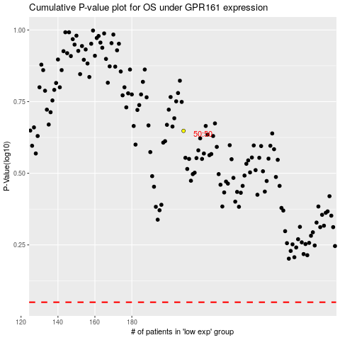

 |  |  |  |  |  | cases_OS | p_OS | rank | exp
 |  |  |  |  |  |  | cases_RFS | p_RFS | rank | exp

