GPR173 _multivariate
Reported by Tex Li-Hsing Chi. tex@gate.sinica.edu.tw 2019-08-19

Table 2. The clinicopathological features of HNSCC cohort and GPR173 expression. (Chi square test)
Cutoff at -0.3 (49.8%)
 |  | GPR173 expression |  | GPR173 expression |  | (Optimised)
 | Features | Low | (%) | High | (%) | Case no | P-value | Remark | Matthews
Gender | Female | 151 | 36.4 | 155 | 37.3 | 415 | 0.8007 | 0 | 0
2 | Male | 56 | 13.5 | 53 | 12.8
Age at diagnosis | <=65y | 136 | 32.8 | 138 | 33.3 | 415 | 0.9719 | 0 | 0
4 | >65y | 71 | 17.1 | 70 | 16.9
Clinical T Status | T1+T2 | 74 | 17.8 | 75 | 18.1 | 415 | 1 | 0 | 0
6 | T3+T4 | 133 | 32 | 133 | 32
Clinical N Status | N0 | 104 | 25.1 | 112 | 27 | 415 | 0.5243 | 0 | 0
8 | N1-3 | 103 | 24.8 | 96 | 23.1
Clinical M Status | M0 | 204 | 49.2 | 208 | 50.1 | 415 | 0.1232 | 0 | 0
10 | M1 | 3 | 0.7 | 0 | 0
Clinical Stage | Stage I+II | 47 | 11.3 | 55 | 13.3 | 415 | 0.4413 | 0 | 0
12 | Stage III+IV | 160 | 38.6 | 153 | 36.9
Surgical Margin status | Negative | 156 | 37.6 | 162 | 39 | 415 | 0.5636 | 0 | 0
14 | Positive | 51 | 12.3 | 46 | 11.1
Tobacco Exposure | Low | 89 | 21.4 | 72 | 17.3 | 415 | 0.0872 | 0 | 0
16 | High | 118 | 28.4 | 136 | 32.8

Table 3. Univariate/Multivariate Cox's proportional hazards regression analyses on OS time of GPR173 gene expression in HNSCC

 |  | Univariate |  |  |  | Multivariate
 | Features | HR | CI95%(L) | CI95%(H) | P-value | HR | CI95%(L) | CI95%(H) | P-value
1 | Female | 1 |  |  |  | 1
Gender | Male | 1.157 | 0.843 | 1.587 | 0.367 | 1.202 | 0.861 | 1.679 | 0.28
11 | <=65y | 1 |  |  |  | 1
Age at diagnosis | >65y | 1.329 | 0.99 | 1.784 | 0.058 | 1.389 | 1.021 | 1.889 | 0.036
12 | T1+T2 | 1 |  |  |  | 1
Clinical T Status | T3+T4 | 1.409 | 1.028 | 1.931 | 0.033 | 2.195 | 1.161 | 4.152 | 0.016
13 | N0 | 1 |  |  |  | 1
Clinical N Status | N1-3 | 1.185 | 0.89 | 1.577 | 0.246 | 1.242 | 0.87 | 1.772 | 0.232
14 | M0 | 1 |  |  |  | 1
Clinical M Status | M1 | 4.097 | 1.009 | 16.644 | 0.049 | 9.608 | 2.084 | 44.294 | 0.004
15 | Stage I+II | 1 |  |  |  | 1
Clinical Stage | Stage III+IV | 1.245 | 0.882 | 1.759 | 0.213 | 0.506 | 0.236 | 1.087 | 0.081
16 | Negative | 1 |  |  |  | 1
Surgical Margin status | Positive | 1.591 | 1.155 | 2.191 | 0.004 | 1.674 | 1.212 | 2.314 | 0.002
17 | Low | 1 |  |  |  | 1
Tobacco Exposure | High | 1.364 | 1.008 | 1.844 | 0.044 | 1.451 | 1.053 | 1.999 | 0.023
18 | Low | 1 |  |  |  | 1
RNAseq(z-score) | High | 1.04 | 0.781 | 1.386 | 0.787 | 1.049 | 0.784 | 1.402 | 0.749

Table 4. Univariate/Multivariate Cox's proportional hazards regression analyses on RFS time of GPR173 gene expression in HNSCC

 |  | Univariate |  |  |  | Multivariate
 | Features | HR | CI95%(L) | CI95%(H) | P-value | HR | CI95%(L) | CI95%(H) | P-value
1 | Female | 1 |  |  |  | 1
Gender | Male | 1.157 | 0.843 | 1.587 | 0.367 | 1.202 | 0.861 | 1.679 | 0.28
11 | <=65y | 1 |  |  |  | 1
Age at diagnosis | >65y | 1.329 | 0.99 | 1.784 | 0.058 | 1.389 | 1.021 | 1.889 | 0.036
12 | T1+T2 | 1 |  |  |  | 1
Clinical T Status | T3+T4 | 1.409 | 1.028 | 1.931 | 0.033 | 2.195 | 1.161 | 4.152 | 0.016
13 | N0 | 1 |  |  |  | 1
Clinical N Status | N1-3 | 1.185 | 0.89 | 1.577 | 0.246 | 1.242 | 0.87 | 1.772 | 0.232
14 | M0 | 1 |  |  |  | 1
Clinical M Status | M1 | 4.097 | 1.009 | 16.644 | 0.049 | 9.608 | 2.084 | 44.294 | 0.004
15 | Stage I+II | 1 |  |  |  | 1
Clinical Stage | Stage III+IV | 1.245 | 0.882 | 1.759 | 0.213 | 0.506 | 0.236 | 1.087 | 0.081
16 | Negative | 1 |  |  |  | 1
Surgical Margin status | Positive | 1.591 | 1.155 | 2.191 | 0.004 | 1.674 | 1.212 | 2.314 | 0.002
17 | Low | 1 |  |  |  | 1
Tobacco Exposure | High | 1.364 | 1.008 | 1.844 | 0.044 | 1.451 | 1.053 | 1.999 | 0.023
18 | Low | 1 |  |  |  | 1
RNAseq(z-score) | High | 1.04 | 0.781 | 1.386 | 0.787 | 1.049 | 0.784 | 1.402 | 0.749

Kaplan-Meier survival estimate: Cutoff at -0.3 (49.8%)



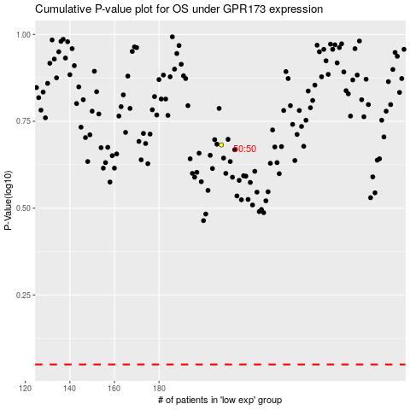

 |  |  |  |  |  | cases_OS | p_OS | rank | exp
 |  |  |  |  |  |  | cases_RFS | p_RFS | rank | exp

