GPR183 _multivariate
Reported by Tex Li-Hsing Chi. tex@gate.sinica.edu.tw 2019-08-19

Table 2. The clinicopathological features of HNSCC cohort and GPR183 expression. (Chi square test)
Cutoff at -0.247 (50.0%)
 |  | GPR183 expression |  | GPR183 expression |  | (Optimised)
 | Features | Low | (%) | High | (%) | Case no | P-value | Remark | Matthews
Gender | Female | 165 | 39.8 | 141 | 34 | 415 | 0.0081 | 1 | 0
2 | Male | 42 | 10.1 | 67 | 16.1
Age at diagnosis | <=65y | 143 | 34.5 | 131 | 31.6 | 415 | 0.2269 | 0 | 0
4 | >65y | 64 | 15.4 | 77 | 18.6
Clinical T Status | T1+T2 | 75 | 18.1 | 74 | 17.8 | 415 | 0.9707 | 0 | 0
6 | T3+T4 | 132 | 31.8 | 134 | 32.3
Clinical N Status | N0 | 113 | 27.2 | 103 | 24.8 | 415 | 0.3495 | 1 | 0
8 | N1-3 | 94 | 22.7 | 105 | 25.3
Clinical M Status | M0 | 204 | 49.2 | 208 | 50.1 | 415 | 0.1232 | 0 | 0
10 | M1 | 3 | 0.7 | 0 | 0
Clinical Stage | Stage I+II | 53 | 12.8 | 49 | 11.8 | 415 | 0.7113 | 0 | 0
12 | Stage III+IV | 154 | 37.1 | 159 | 38.3
Surgical Margin status | Negative | 153 | 36.9 | 165 | 39.8 | 415 | 0.2036 | 0 | 0
14 | Positive | 54 | 13 | 43 | 10.4
Tobacco Exposure | Low | 79 | 19 | 82 | 19.8 | 415 | 0.8405 | 0 | 0
16 | High | 128 | 30.8 | 126 | 30.4

Table 3. Univariate/Multivariate Cox's proportional hazards regression analyses on OS time of GPR183 gene expression in HNSCC

 |  | Univariate |  |  |  | Multivariate
 | Features | HR | CI95%(L) | CI95%(H) | P-value | HR | CI95%(L) | CI95%(H) | P-value
1 | Female | 1 |  |  |  | 1
Gender | Male | 1.157 | 0.843 | 1.587 | 0.367 | 1.218 | 0.871 | 1.703 | 0.25
11 | <=65y | 1 |  |  |  | 1
Age at diagnosis | >65y | 1.329 | 0.99 | 1.784 | 0.058 | 1.406 | 1.033 | 1.912 | 0.03
12 | T1+T2 | 1 |  |  |  | 1
Clinical T Status | T3+T4 | 1.409 | 1.028 | 1.931 | 0.033 | 2.179 | 1.152 | 4.12 | 0.017
13 | N0 | 1 |  |  |  | 1
Clinical N Status | N1-3 | 1.185 | 0.89 | 1.577 | 0.246 | 1.254 | 0.879 | 1.791 | 0.212
14 | M0 | 1 |  |  |  | 1
Clinical M Status | M1 | 4.097 | 1.009 | 16.644 | 0.049 | 8.606 | 1.863 | 39.762 | 0.006
15 | Stage I+II | 1 |  |  |  | 1
Clinical Stage | Stage III+IV | 1.245 | 0.882 | 1.759 | 0.213 | 0.508 | 0.237 | 1.09 | 0.082
16 | Negative | 1 |  |  |  | 1
Surgical Margin status | Positive | 1.591 | 1.155 | 2.191 | 0.004 | 1.669 | 1.208 | 2.307 | 0.002
17 | Low | 1 |  |  |  | 1
Tobacco Exposure | High | 1.364 | 1.008 | 1.844 | 0.044 | 1.445 | 1.048 | 1.992 | 0.025
18 | Low | 1 |  |  |  | 1
RNAseq(z-score) | High | 0.85 | 0.638 | 1.133 | 0.268 | 0.851 | 0.636 | 1.139 | 0.278

Table 4. Univariate/Multivariate Cox's proportional hazards regression analyses on RFS time of GPR183 gene expression in HNSCC

 |  | Univariate |  |  |  | Multivariate
 | Features | HR | CI95%(L) | CI95%(H) | P-value | HR | CI95%(L) | CI95%(H) | P-value
1 | Female | 1 |  |  |  | 1
Gender | Male | 1.157 | 0.843 | 1.587 | 0.367 | 1.218 | 0.871 | 1.703 | 0.25
11 | <=65y | 1 |  |  |  | 1
Age at diagnosis | >65y | 1.329 | 0.99 | 1.784 | 0.058 | 1.406 | 1.033 | 1.912 | 0.03
12 | T1+T2 | 1 |  |  |  | 1
Clinical T Status | T3+T4 | 1.409 | 1.028 | 1.931 | 0.033 | 2.179 | 1.152 | 4.12 | 0.017
13 | N0 | 1 |  |  |  | 1
Clinical N Status | N1-3 | 1.185 | 0.89 | 1.577 | 0.246 | 1.254 | 0.879 | 1.791 | 0.212
14 | M0 | 1 |  |  |  | 1
Clinical M Status | M1 | 4.097 | 1.009 | 16.644 | 0.049 | 8.606 | 1.863 | 39.762 | 0.006
15 | Stage I+II | 1 |  |  |  | 1
Clinical Stage | Stage III+IV | 1.245 | 0.882 | 1.759 | 0.213 | 0.508 | 0.237 | 1.09 | 0.082
16 | Negative | 1 |  |  |  | 1
Surgical Margin status | Positive | 1.591 | 1.155 | 2.191 | 0.004 | 1.669 | 1.208 | 2.307 | 0.002
17 | Low | 1 |  |  |  | 1
Tobacco Exposure | High | 1.364 | 1.008 | 1.844 | 0.044 | 1.445 | 1.048 | 1.992 | 0.025
18 | Low | 1 |  |  |  | 1
RNAseq(z-score) | High | 0.85 | 0.638 | 1.133 | 0.268 | 0.851 | 0.636 | 1.139 | 0.278

Kaplan-Meier survival estimate: Cutoff at -0.247 (50.0%)



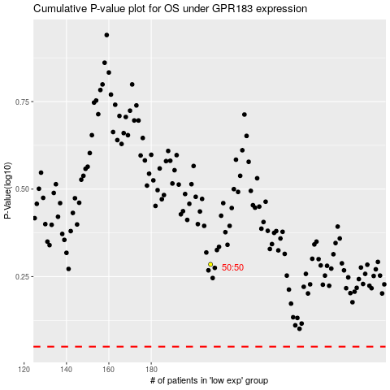

 |  |  |  |  |  | cases_OS | p_OS | rank | exp
 |  |  |  |  |  |  | cases_RFS | p_RFS | rank | exp

