GPR19 _multivariate
Reported by Tex Li-Hsing Chi. tex@gate.sinica.edu.tw 2019-08-19

Table 2. The clinicopathological features of HNSCC cohort and GPR19 expression. (Chi square test)
Cutoff at -0.276 (49.8%)
 |  | GPR19 expression |  | GPR19 expression |  | (Optimised)
 | Features | Low | (%) | High | (%) | Case no | P-value | Remark | Matthews
Gender | Female | 141 | 34 | 165 | 39.8 | 415 | 0.013 | 1 | 0
2 | Male | 66 | 15.9 | 43 | 10.4
Age at diagnosis | <=65y | 134 | 32.3 | 140 | 33.7 | 415 | 0.6529 | 0 | 0
4 | >65y | 73 | 17.6 | 68 | 16.4
Clinical T Status | T1+T2 | 78 | 18.8 | 71 | 17.1 | 415 | 0.5152 | 0 | 0
6 | T3+T4 | 129 | 31.1 | 137 | 33
Clinical N Status | N0 | 116 | 28 | 100 | 24.1 | 415 | 0.1273 | 1 | 0
8 | N1-3 | 91 | 21.9 | 108 | 26
Clinical M Status | M0 | 205 | 49.4 | 207 | 49.9 | 415 | 0.6232 | 0 | 0
10 | M1 | 2 | 0.5 | 1 | 0.2
Clinical Stage | Stage I+II | 56 | 13.5 | 46 | 11.1 | 415 | 0.2918 | 0 | 0
12 | Stage III+IV | 151 | 36.4 | 162 | 39
Surgical Margin status | Negative | 158 | 38.1 | 160 | 38.6 | 415 | 0.9081 | 0 | 0
14 | Positive | 49 | 11.8 | 48 | 11.6
Tobacco Exposure | Low | 96 | 23.1 | 65 | 15.7 | 415 | 0.0018 | 1 | 0
16 | High | 111 | 26.7 | 143 | 34.5

Table 3. Univariate/Multivariate Cox's proportional hazards regression analyses on OS time of GPR19 gene expression in HNSCC

 |  | Univariate |  |  |  | Multivariate
 | Features | HR | CI95%(L) | CI95%(H) | P-value | HR | CI95%(L) | CI95%(H) | P-value
1 | Female | 1 |  |  |  | 1
Gender | Male | 1.157 | 0.843 | 1.587 | 0.367 | 1.219 | 0.869 | 1.708 | 0.251
11 | <=65y | 1 |  |  |  | 1
Age at diagnosis | >65y | 1.329 | 0.99 | 1.784 | 0.058 | 1.393 | 1.025 | 1.894 | 0.034
12 | T1+T2 | 1 |  |  |  | 1
Clinical T Status | T3+T4 | 1.409 | 1.028 | 1.931 | 0.033 | 2.206 | 1.167 | 4.172 | 0.015
13 | N0 | 1 |  |  |  | 1
Clinical N Status | N1-3 | 1.185 | 0.89 | 1.577 | 0.246 | 1.233 | 0.864 | 1.761 | 0.249
14 | M0 | 1 |  |  |  | 1
Clinical M Status | M1 | 4.097 | 1.009 | 16.644 | 0.049 | 9.567 | 2.084 | 43.916 | 0.004
15 | Stage I+II | 1 |  |  |  | 1
Clinical Stage | Stage III+IV | 1.245 | 0.882 | 1.759 | 0.213 | 0.501 | 0.234 | 1.077 | 0.077
16 | Negative | 1 |  |  |  | 1
Surgical Margin status | Positive | 1.591 | 1.155 | 2.191 | 0.004 | 1.671 | 1.209 | 2.31 | 0.002
17 | Low | 1 |  |  |  | 1
Tobacco Exposure | High | 1.364 | 1.008 | 1.844 | 0.044 | 1.446 | 1.049 | 1.993 | 0.024
18 | Low | 1 |  |  |  | 1
RNAseq(z-score) | High | 1.086 | 0.815 | 1.447 | 0.573 | 1.085 | 0.807 | 1.458 | 0.589

Table 4. Univariate/Multivariate Cox's proportional hazards regression analyses on RFS time of GPR19 gene expression in HNSCC

 |  | Univariate |  |  |  | Multivariate
 | Features | HR | CI95%(L) | CI95%(H) | P-value | HR | CI95%(L) | CI95%(H) | P-value
1 | Female | 1 |  |  |  | 1
Gender | Male | 1.157 | 0.843 | 1.587 | 0.367 | 1.219 | 0.869 | 1.708 | 0.251
11 | <=65y | 1 |  |  |  | 1
Age at diagnosis | >65y | 1.329 | 0.99 | 1.784 | 0.058 | 1.393 | 1.025 | 1.894 | 0.034
12 | T1+T2 | 1 |  |  |  | 1
Clinical T Status | T3+T4 | 1.409 | 1.028 | 1.931 | 0.033 | 2.206 | 1.167 | 4.172 | 0.015
13 | N0 | 1 |  |  |  | 1
Clinical N Status | N1-3 | 1.185 | 0.89 | 1.577 | 0.246 | 1.233 | 0.864 | 1.761 | 0.249
14 | M0 | 1 |  |  |  | 1
Clinical M Status | M1 | 4.097 | 1.009 | 16.644 | 0.049 | 9.567 | 2.084 | 43.916 | 0.004
15 | Stage I+II | 1 |  |  |  | 1
Clinical Stage | Stage III+IV | 1.245 | 0.882 | 1.759 | 0.213 | 0.501 | 0.234 | 1.077 | 0.077
16 | Negative | 1 |  |  |  | 1
Surgical Margin status | Positive | 1.591 | 1.155 | 2.191 | 0.004 | 1.671 | 1.209 | 2.31 | 0.002
17 | Low | 1 |  |  |  | 1
Tobacco Exposure | High | 1.364 | 1.008 | 1.844 | 0.044 | 1.446 | 1.049 | 1.993 | 0.024
18 | Low | 1 |  |  |  | 1
RNAseq(z-score) | High | 1.086 | 0.815 | 1.447 | 0.573 | 1.085 | 0.807 | 1.458 | 0.589

Kaplan-Meier survival estimate: Cutoff at -0.276 (49.8%)



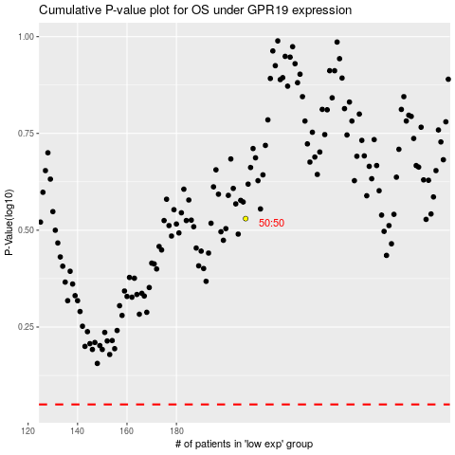

 |  |  |  |  |  | cases_OS | p_OS | rank | exp
 |  |  |  |  |  |  | cases_RFS | p_RFS | rank | exp

