GPR3 _multivariate
Reported by Tex Li-Hsing Chi. tex@gate.sinica.edu.tw 2019-08-19

Table 2. The clinicopathological features of HNSCC cohort and GPR3 expression. (Chi square test)
Cutoff at -0.286 (49.8%)
 |  | GPR3 expression |  | GPR3 expression |  | (Optimised)
 | Features | Low | (%) | High | (%) | Case no | P-value | Remark | Matthews
Gender | Female | 147 | 35.4 | 159 | 38.3 | 415 | 0.2523 | 0 | 0
2 | Male | 60 | 14.5 | 49 | 11.8
Age at diagnosis | <=65y | 139 | 33.5 | 135 | 32.5 | 415 | 0.7044 | 0 | 0
4 | >65y | 68 | 16.4 | 73 | 17.6
Clinical T Status | T1+T2 | 85 | 20.5 | 64 | 15.4 | 415 | 0.0372 | 1 | 0
6 | T3+T4 | 122 | 29.4 | 144 | 34.7
Clinical N Status | N0 | 115 | 27.7 | 101 | 24.3 | 415 | 0.184 | 1 | 0
8 | N1-3 | 92 | 22.2 | 107 | 25.8
Clinical M Status | M0 | 204 | 49.2 | 208 | 50.1 | 415 | 0.1232 | 0 | 0
10 | M1 | 3 | 0.7 | 0 | 0
Clinical Stage | Stage I+II | 62 | 14.9 | 40 | 9.6 | 415 | 0.0154 | 1 | 0
12 | Stage III+IV | 145 | 34.9 | 168 | 40.5
Surgical Margin status | Negative | 160 | 38.6 | 158 | 38.1 | 415 | 0.8167 | 0 | 0
14 | Positive | 47 | 11.3 | 50 | 12
Tobacco Exposure | Low | 95 | 22.9 | 66 | 15.9 | 415 | 0.0035 | 1 | 0
16 | High | 112 | 27 | 142 | 34.2

Table 3. Univariate/Multivariate Cox's proportional hazards regression analyses on OS time of GPR3 gene expression in HNSCC

 |  | Univariate |  |  |  | Multivariate
 | Features | HR | CI95%(L) | CI95%(H) | P-value | HR | CI95%(L) | CI95%(H) | P-value
1 | Female | 1 |  |  |  | 1
Gender | Male | 1.157 | 0.843 | 1.587 | 0.367 | 1.194 | 0.855 | 1.669 | 0.298
11 | <=65y | 1 |  |  |  | 1
Age at diagnosis | >65y | 1.329 | 0.99 | 1.784 | 0.058 | 1.412 | 1.036 | 1.924 | 0.029
12 | T1+T2 | 1 |  |  |  | 1
Clinical T Status | T3+T4 | 1.409 | 1.028 | 1.931 | 0.033 | 2.193 | 1.16 | 4.146 | 0.016
13 | N0 | 1 |  |  |  | 1
Clinical N Status | N1-3 | 1.185 | 0.89 | 1.577 | 0.246 | 1.249 | 0.875 | 1.782 | 0.22
14 | M0 | 1 |  |  |  | 1
Clinical M Status | M1 | 4.097 | 1.009 | 16.644 | 0.049 | 8.793 | 1.901 | 40.681 | 0.005
15 | Stage I+II | 1 |  |  |  | 1
Clinical Stage | Stage III+IV | 1.245 | 0.882 | 1.759 | 0.213 | 0.514 | 0.239 | 1.106 | 0.089
16 | Negative | 1 |  |  |  | 1
Surgical Margin status | Positive | 1.591 | 1.155 | 2.191 | 0.004 | 1.669 | 1.208 | 2.306 | 0.002
17 | Low | 1 |  |  |  | 1
Tobacco Exposure | High | 1.364 | 1.008 | 1.844 | 0.044 | 1.476 | 1.069 | 2.039 | 0.018
18 | Low | 1 |  |  |  | 1
RNAseq(z-score) | High | 0.946 | 0.71 | 1.26 | 0.703 | 0.89 | 0.662 | 1.198 | 0.444

Table 4. Univariate/Multivariate Cox's proportional hazards regression analyses on RFS time of GPR3 gene expression in HNSCC

 |  | Univariate |  |  |  | Multivariate
 | Features | HR | CI95%(L) | CI95%(H) | P-value | HR | CI95%(L) | CI95%(H) | P-value
1 | Female | 1 |  |  |  | 1
Gender | Male | 1.157 | 0.843 | 1.587 | 0.367 | 1.194 | 0.855 | 1.669 | 0.298
11 | <=65y | 1 |  |  |  | 1
Age at diagnosis | >65y | 1.329 | 0.99 | 1.784 | 0.058 | 1.412 | 1.036 | 1.924 | 0.029
12 | T1+T2 | 1 |  |  |  | 1
Clinical T Status | T3+T4 | 1.409 | 1.028 | 1.931 | 0.033 | 2.193 | 1.16 | 4.146 | 0.016
13 | N0 | 1 |  |  |  | 1
Clinical N Status | N1-3 | 1.185 | 0.89 | 1.577 | 0.246 | 1.249 | 0.875 | 1.782 | 0.22
14 | M0 | 1 |  |  |  | 1
Clinical M Status | M1 | 4.097 | 1.009 | 16.644 | 0.049 | 8.793 | 1.901 | 40.681 | 0.005
15 | Stage I+II | 1 |  |  |  | 1
Clinical Stage | Stage III+IV | 1.245 | 0.882 | 1.759 | 0.213 | 0.514 | 0.239 | 1.106 | 0.089
16 | Negative | 1 |  |  |  | 1
Surgical Margin status | Positive | 1.591 | 1.155 | 2.191 | 0.004 | 1.669 | 1.208 | 2.306 | 0.002
17 | Low | 1 |  |  |  | 1
Tobacco Exposure | High | 1.364 | 1.008 | 1.844 | 0.044 | 1.476 | 1.069 | 2.039 | 0.018
18 | Low | 1 |  |  |  | 1
RNAseq(z-score) | High | 0.946 | 0.71 | 1.26 | 0.703 | 0.89 | 0.662 | 1.198 | 0.444

Kaplan-Meier survival estimate: Cutoff at -0.286 (49.8%)



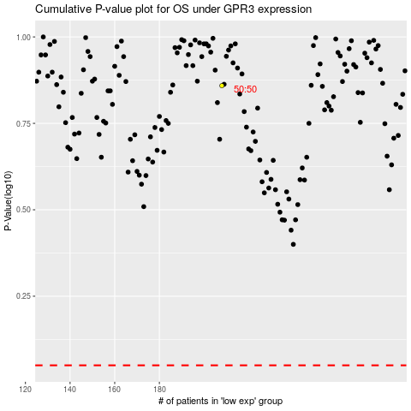

 |  |  |  |  |  | cases_OS | p_OS | rank | exp
 |  |  |  |  |  |  | cases_RFS | p_RFS | rank | exp

