GPR35 _multivariate
Reported by Tex Li-Hsing Chi. tex@gate.sinica.edu.tw 2019-08-19

Table 2. The clinicopathological features of HNSCC cohort and GPR35 expression. (Chi square test)
Cutoff at -0.173 (57.7%)
 |  | GPR35 expression |  | GPR35 expression |  | (Optimised)
 | Features | Low | (%) | High | (%) | Case no | P-value | Remark | Matthews
Gender | Female | 189 | 45.5 | 117 | 28.2 | 415 | 0.0092 | 1 | 0
2 | Male | 51 | 12.3 | 58 | 14
Age at diagnosis | <=65y | 157 | 37.8 | 117 | 28.2 | 415 | 0.8407 | 0 | 0
4 | >65y | 83 | 20 | 58 | 14
Clinical T Status | T1+T2 | 77 | 18.6 | 72 | 17.3 | 415 | 0.0725 | 0 | 0
6 | T3+T4 | 163 | 39.3 | 103 | 24.8
Clinical N Status | N0 | 125 | 30.1 | 91 | 21.9 | 415 | 1 | 0 | 0
8 | N1-3 | 115 | 27.7 | 84 | 20.2
Clinical M Status | M0 | 237 | 57.1 | 175 | 42.2 | 415 | 0.2666 | 0 | 0
10 | M1 | 3 | 0.7 | 0 | 0
Clinical Stage | Stage I+II | 52 | 12.5 | 50 | 12 | 415 | 0.1342 | 0 | 0
12 | Stage III+IV | 188 | 45.3 | 125 | 30.1
Surgical Margin status | Negative | 174 | 41.9 | 144 | 34.7 | 415 | 0.0253 | 1 | 0
14 | Positive | 66 | 15.9 | 31 | 7.5
Tobacco Exposure | Low | 85 | 20.5 | 76 | 18.3 | 415 | 0.1036 | 0 | 0
16 | High | 155 | 37.3 | 99 | 23.9

Table 3. Univariate/Multivariate Cox's proportional hazards regression analyses on OS time of GPR35 gene expression in HNSCC

 |  | Univariate |  |  |  | Multivariate
 | Features | HR | CI95%(L) | CI95%(H) | P-value | HR | CI95%(L) | CI95%(H) | P-value
1 | Female | 1 |  |  |  | 1
Gender | Male | 1.157 | 0.843 | 1.587 | 0.367 | 1.23 | 0.88 | 1.72 | 0.225
11 | <=65y | 1 |  |  |  | 1
Age at diagnosis | >65y | 1.329 | 0.99 | 1.784 | 0.058 | 1.399 | 1.029 | 1.902 | 0.032
12 | T1+T2 | 1 |  |  |  | 1
Clinical T Status | T3+T4 | 1.409 | 1.028 | 1.931 | 0.033 | 2.161 | 1.142 | 4.087 | 0.018
13 | N0 | 1 |  |  |  | 1
Clinical N Status | N1-3 | 1.185 | 0.89 | 1.577 | 0.246 | 1.275 | 0.893 | 1.822 | 0.181
14 | M0 | 1 |  |  |  | 1
Clinical M Status | M1 | 4.097 | 1.009 | 16.644 | 0.049 | 8.341 | 1.811 | 38.412 | 0.006
15 | Stage I+II | 1 |  |  |  | 1
Clinical Stage | Stage III+IV | 1.245 | 0.882 | 1.759 | 0.213 | 0.486 | 0.226 | 1.044 | 0.064
16 | Negative | 1 |  |  |  | 1
Surgical Margin status | Positive | 1.591 | 1.155 | 2.191 | 0.004 | 1.652 | 1.195 | 2.284 | 0.002
17 | Low | 1 |  |  |  | 1
Tobacco Exposure | High | 1.364 | 1.008 | 1.844 | 0.044 | 1.426 | 1.033 | 1.967 | 0.031
18 | Low | 1 |  |  |  | 1
RNAseq(z-score) | High | 0.72 | 0.535 | 0.969 | 0.03 | 0.758 | 0.559 | 1.028 | 0.074

Table 4. Univariate/Multivariate Cox's proportional hazards regression analyses on RFS time of GPR35 gene expression in HNSCC

 |  | Univariate |  |  |  | Multivariate
 | Features | HR | CI95%(L) | CI95%(H) | P-value | HR | CI95%(L) | CI95%(H) | P-value
1 | Female | 1 |  |  |  | 1
Gender | Male | 1.157 | 0.843 | 1.587 | 0.367 | 1.23 | 0.88 | 1.72 | 0.225
11 | <=65y | 1 |  |  |  | 1
Age at diagnosis | >65y | 1.329 | 0.99 | 1.784 | 0.058 | 1.399 | 1.029 | 1.902 | 0.032
12 | T1+T2 | 1 |  |  |  | 1
Clinical T Status | T3+T4 | 1.409 | 1.028 | 1.931 | 0.033 | 2.161 | 1.142 | 4.087 | 0.018
13 | N0 | 1 |  |  |  | 1
Clinical N Status | N1-3 | 1.185 | 0.89 | 1.577 | 0.246 | 1.275 | 0.893 | 1.822 | 0.181
14 | M0 | 1 |  |  |  | 1
Clinical M Status | M1 | 4.097 | 1.009 | 16.644 | 0.049 | 8.341 | 1.811 | 38.412 | 0.006
15 | Stage I+II | 1 |  |  |  | 1
Clinical Stage | Stage III+IV | 1.245 | 0.882 | 1.759 | 0.213 | 0.486 | 0.226 | 1.044 | 0.064
16 | Negative | 1 |  |  |  | 1
Surgical Margin status | Positive | 1.591 | 1.155 | 2.191 | 0.004 | 1.652 | 1.195 | 2.284 | 0.002
17 | Low | 1 |  |  |  | 1
Tobacco Exposure | High | 1.364 | 1.008 | 1.844 | 0.044 | 1.426 | 1.033 | 1.967 | 0.031
18 | Low | 1 |  |  |  | 1
RNAseq(z-score) | High | 0.72 | 0.535 | 0.969 | 0.03 | 0.758 | 0.559 | 1.028 | 0.074

Kaplan-Meier survival estimate: Cutoff at -0.173 (57.7%)

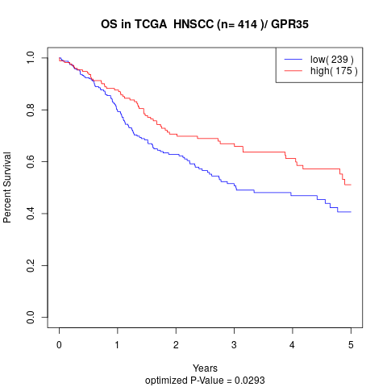

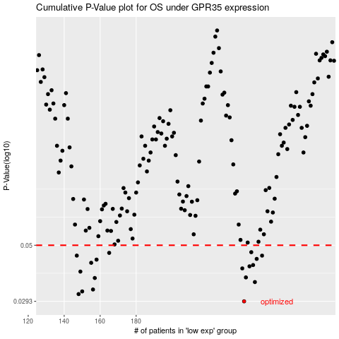

 |  |  |  |  |  | cases_OS | p_OS | rank | exp
 |  |  |  |  |  | 240 | 0.0293 | 149 | -0.17281858328
 |  |  |  |  |  | 148 | 0.0314 | 119 | -0.37348408848
 |  |  |  |  |  | 150 | 0.0322 | 271 | -0.37082160962
 |  |  |  |  |  | 156 | 0.0328 | 352 | -0.35301314258
 |  |  |  |  |  | 246 | 0.0352 | 75 | -0.13662184839
 |  |  |  |  |  | 157 | 0.0366 | 337 | -0.35064370386
 |  |  |  |  |  | 241 | 0.0368 | 403 | -0.16409854642
 |  |  |  |  |  | 149 | 0.0389 | 371 | -0.37173003401
 |  |  |  |  |  | 239 | 0.0401 | 379 | -0.17499545279
 |  |  |  |  |  | 243 | 0.0409 | 378 | -0.15029217023
 |  |  |  |  |  | 245 | 0.0414 | 244 | -0.1408374399
 |  |  |  |  |  | 155 | 0.0423 | 263 | -0.35833600715
 |  |  |  |  |  | 158 | 0.0436 | 116 | -0.34976667662
 |  |  |  |  |  | 247 | 0.0439 | 407 | -0.1346898767
 |  |  |  |  |  | 147 | 0.0453 | 99 | -0.37562746768
 |  |  |  |  |  | 250 | 0.0453 | 132 | -0.13124665523
 |  |  |  |  |  | 165 | 0.0465 | 365 | -0.33891372627
 |  |  |  |  |  | 244 | 0.0468 | 278 | -0.14614983875
 |  |  |  |  |  |  | cases_RFS | p_RFS | rank | exp
 |  |  |  |  |  |  | 239 | 0.0293 | 379 | -0.17499545279
 |  |  |  |  |  |  | 147 | 0.0314 | 99 | -0.37562746768
 |  |  |  |  |  |  | 149 | 0.0322 | 371 | -0.37173003401
 |  |  |  |  |  |  | 155 | 0.0328 | 263 | -0.35833600715
 |  |  |  |  |  |  | 245 | 0.0352 | 244 | -0.1408374399
 |  |  |  |  |  |  | 156 | 0.0366 | 352 | -0.35301314258
 |  |  |  |  |  |  | 240 | 0.0368 | 149 | -0.17281858328
 |  |  |  |  |  |  | 148 | 0.0389 | 119 | -0.37348408848
 |  |  |  |  |  |  | 238 | 0.0401 | 52 | -0.1803497145
 |  |  |  |  |  |  | 242 | 0.0409 | 77 | -0.1625286886
 |  |  |  |  |  |  | 244 | 0.0414 | 278 | -0.14614983875
 |  |  |  |  |  |  | 154 | 0.0423 | 239 | -0.36342862589
 |  |  |  |  |  |  | 157 | 0.0436 | 337 | -0.35064370386
 |  |  |  |  |  |  | 246 | 0.0439 | 75 | -0.13662184839
 |  |  |  |  |  |  | 146 | 0.0453 | 204 | -0.37655054407
 |  |  |  |  |  |  | 249 | 0.0453 | 373 | -0.13200855956
 |  |  |  |  |  |  | 164 | 0.0465 | 200 | -0.33903303547
 |  |  |  |  |  |  | 243 | 0.0468 | 378 | -0.15029217023

