GPR37 _multivariate
Reported by Tex Li-Hsing Chi. tex@gate.sinica.edu.tw 2019-08-19

Table 2. The clinicopathological features of HNSCC cohort and GPR37 expression. (Chi square test)
Cutoff at -0.362 (49.8%)
 |  | GPR37 expression |  | GPR37 expression |  | (Optimised)
 | Features | Low | (%) | High | (%) | Case no | P-value | Remark | Matthews
Gender | Female | 159 | 38.3 | 147 | 35.4 | 415 | 0.1905 | 0 | 0
2 | Male | 48 | 11.6 | 61 | 14.7
Age at diagnosis | <=65y | 141 | 34 | 133 | 32 | 415 | 0.4272 | 0 | 0
4 | >65y | 66 | 15.9 | 75 | 18.1
Clinical T Status | T1+T2 | 69 | 16.6 | 80 | 19.3 | 415 | 0.3239 | 0 | 0
6 | T3+T4 | 138 | 33.3 | 128 | 30.8
Clinical N Status | N0 | 95 | 22.9 | 121 | 29.2 | 415 | 0.0162 | 1 | 0
8 | N1-3 | 112 | 27 | 87 | 21
Clinical M Status | M0 | 206 | 49.6 | 206 | 49.6 | 415 | 1 | 0 | 0
10 | M1 | 1 | 0.2 | 2 | 0.5
Clinical Stage | Stage I+II | 43 | 10.4 | 59 | 14.2 | 415 | 0.0925 | 0 | 0
12 | Stage III+IV | 164 | 39.5 | 149 | 35.9
Surgical Margin status | Negative | 158 | 38.1 | 160 | 38.6 | 415 | 0.9081 | 0 | 0
14 | Positive | 49 | 11.8 | 48 | 11.6
Tobacco Exposure | Low | 73 | 17.6 | 88 | 21.2 | 415 | 0.1587 | 0 | 0
16 | High | 134 | 32.3 | 120 | 28.9

Table 3. Univariate/Multivariate Cox's proportional hazards regression analyses on OS time of GPR37 gene expression in HNSCC

 |  | Univariate |  |  |  | Multivariate
 | Features | HR | CI95%(L) | CI95%(H) | P-value | HR | CI95%(L) | CI95%(H) | P-value
1 | Female | 1 |  |  |  | 1
Gender | Male | 1.157 | 0.843 | 1.587 | 0.367 | 1.205 | 0.862 | 1.684 | 0.275
11 | <=65y | 1 |  |  |  | 1
Age at diagnosis | >65y | 1.329 | 0.99 | 1.784 | 0.058 | 1.396 | 1.026 | 1.898 | 0.034
12 | T1+T2 | 1 |  |  |  | 1
Clinical T Status | T3+T4 | 1.409 | 1.028 | 1.931 | 0.033 | 2.192 | 1.158 | 4.146 | 0.016
13 | N0 | 1 |  |  |  | 1
Clinical N Status | N1-3 | 1.185 | 0.89 | 1.577 | 0.246 | 1.228 | 0.857 | 1.759 | 0.263
14 | M0 | 1 |  |  |  | 1
Clinical M Status | M1 | 4.097 | 1.009 | 16.644 | 0.049 | 9.482 | 2.067 | 43.489 | 0.004
15 | Stage I+II | 1 |  |  |  | 1
Clinical Stage | Stage III+IV | 1.245 | 0.882 | 1.759 | 0.213 | 0.506 | 0.236 | 1.085 | 0.08
16 | Negative | 1 |  |  |  | 1
Surgical Margin status | Positive | 1.591 | 1.155 | 2.191 | 0.004 | 1.676 | 1.213 | 2.317 | 0.002
17 | Low | 1 |  |  |  | 1
Tobacco Exposure | High | 1.364 | 1.008 | 1.844 | 0.044 | 1.455 | 1.056 | 2.006 | 0.022
18 | Low | 1 |  |  |  | 1
RNAseq(z-score) | High | 0.931 | 0.699 | 1.24 | 0.625 | 0.942 | 0.703 | 1.262 | 0.689

Table 4. Univariate/Multivariate Cox's proportional hazards regression analyses on RFS time of GPR37 gene expression in HNSCC

 |  | Univariate |  |  |  | Multivariate
 | Features | HR | CI95%(L) | CI95%(H) | P-value | HR | CI95%(L) | CI95%(H) | P-value
1 | Female | 1 |  |  |  | 1
Gender | Male | 1.157 | 0.843 | 1.587 | 0.367 | 1.205 | 0.862 | 1.684 | 0.275
11 | <=65y | 1 |  |  |  | 1
Age at diagnosis | >65y | 1.329 | 0.99 | 1.784 | 0.058 | 1.396 | 1.026 | 1.898 | 0.034
12 | T1+T2 | 1 |  |  |  | 1
Clinical T Status | T3+T4 | 1.409 | 1.028 | 1.931 | 0.033 | 2.192 | 1.158 | 4.146 | 0.016
13 | N0 | 1 |  |  |  | 1
Clinical N Status | N1-3 | 1.185 | 0.89 | 1.577 | 0.246 | 1.228 | 0.857 | 1.759 | 0.263
14 | M0 | 1 |  |  |  | 1
Clinical M Status | M1 | 4.097 | 1.009 | 16.644 | 0.049 | 9.482 | 2.067 | 43.489 | 0.004
15 | Stage I+II | 1 |  |  |  | 1
Clinical Stage | Stage III+IV | 1.245 | 0.882 | 1.759 | 0.213 | 0.506 | 0.236 | 1.085 | 0.08
16 | Negative | 1 |  |  |  | 1
Surgical Margin status | Positive | 1.591 | 1.155 | 2.191 | 0.004 | 1.676 | 1.213 | 2.317 | 0.002
17 | Low | 1 |  |  |  | 1
Tobacco Exposure | High | 1.364 | 1.008 | 1.844 | 0.044 | 1.455 | 1.056 | 2.006 | 0.022
18 | Low | 1 |  |  |  | 1
RNAseq(z-score) | High | 0.931 | 0.699 | 1.24 | 0.625 | 0.942 | 0.703 | 1.262 | 0.689

Kaplan-Meier survival estimate: Cutoff at -0.362 (49.8%)



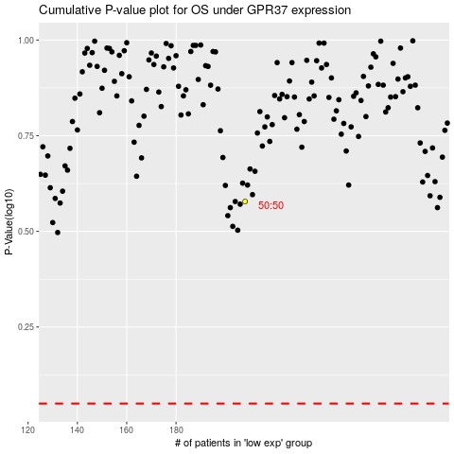

 |  |  |  |  |  | cases_OS | p_OS | rank | exp
 |  |  |  |  |  |  | cases_RFS | p_RFS | rank | exp

