GPR37L1 _multivariate
Reported by Tex Li-Hsing Chi. tex@gate.sinica.edu.tw 2019-08-19

Table 2. The clinicopathological features of HNSCC cohort and GPR37L1 expression. (Chi square test)
Cutoff at -0.301 (50.0%)
 |  | GPR37L1 expression |  | GPR37L1 expression |  | (Optimised)
 | Features | Low | (%) | High | (%) | Case no | P-value | Remark | Matthews
Gender | Female | 154 | 37.1 | 152 | 36.6 | 415 | 0.8463 | 0 | 0
2 | Male | 53 | 12.8 | 56 | 13.5
Age at diagnosis | <=65y | 139 | 33.5 | 135 | 32.5 | 415 | 0.7044 | 0 | 0
4 | >65y | 68 | 16.4 | 73 | 17.6
Clinical T Status | T1+T2 | 87 | 21 | 62 | 14.9 | 415 | 0.0127 | 1 | 0
6 | T3+T4 | 120 | 28.9 | 146 | 35.2
Clinical N Status | N0 | 109 | 26.3 | 107 | 25.8 | 415 | 0.8812 | 0 | 0
8 | N1-3 | 98 | 23.6 | 101 | 24.3
Clinical M Status | M0 | 205 | 49.4 | 207 | 49.9 | 415 | 0.6232 | 0 | 0
10 | M1 | 2 | 0.5 | 1 | 0.2
Clinical Stage | Stage I+II | 58 | 14 | 44 | 10.6 | 415 | 0.131 | 0 | 0
12 | Stage III+IV | 149 | 35.9 | 164 | 39.5
Surgical Margin status | Negative | 154 | 37.1 | 164 | 39.5 | 415 | 0.2984 | 0 | 0
14 | Positive | 53 | 12.8 | 44 | 10.6
Tobacco Exposure | Low | 93 | 22.4 | 68 | 16.4 | 415 | 0.0118 | 1 | 0
16 | High | 114 | 27.5 | 140 | 33.7

Table 3. Univariate/Multivariate Cox's proportional hazards regression analyses on OS time of GPR37L1 gene expression in HNSCC

 |  | Univariate |  |  |  | Multivariate
 | Features | HR | CI95%(L) | CI95%(H) | P-value | HR | CI95%(L) | CI95%(H) | P-value
1 | Female | 1 |  |  |  | 1
Gender | Male | 1.157 | 0.843 | 1.587 | 0.367 | 1.206 | 0.863 | 1.684 | 0.273
11 | <=65y | 1 |  |  |  | 1
Age at diagnosis | >65y | 1.329 | 0.99 | 1.784 | 0.058 | 1.403 | 1.032 | 1.908 | 0.031
12 | T1+T2 | 1 |  |  |  | 1
Clinical T Status | T3+T4 | 1.409 | 1.028 | 1.931 | 0.033 | 2.257 | 1.192 | 4.275 | 0.012
13 | N0 | 1 |  |  |  | 1
Clinical N Status | N1-3 | 1.185 | 0.89 | 1.577 | 0.246 | 1.236 | 0.867 | 1.763 | 0.242
14 | M0 | 1 |  |  |  | 1
Clinical M Status | M1 | 4.097 | 1.009 | 16.644 | 0.049 | 9.445 | 2.06 | 43.296 | 0.004
15 | Stage I+II | 1 |  |  |  | 1
Clinical Stage | Stage III+IV | 1.245 | 0.882 | 1.759 | 0.213 | 0.506 | 0.236 | 1.087 | 0.081
16 | Negative | 1 |  |  |  | 1
Surgical Margin status | Positive | 1.591 | 1.155 | 2.191 | 0.004 | 1.657 | 1.199 | 2.291 | 0.002
17 | Low | 1 |  |  |  | 1
Tobacco Exposure | High | 1.364 | 1.008 | 1.844 | 0.044 | 1.479 | 1.072 | 2.04 | 0.017
18 | Low | 1 |  |  |  | 1
RNAseq(z-score) | High | 0.926 | 0.695 | 1.234 | 0.6 | 0.852 | 0.636 | 1.142 | 0.283

Table 4. Univariate/Multivariate Cox's proportional hazards regression analyses on RFS time of GPR37L1 gene expression in HNSCC

 |  | Univariate |  |  |  | Multivariate
 | Features | HR | CI95%(L) | CI95%(H) | P-value | HR | CI95%(L) | CI95%(H) | P-value
1 | Female | 1 |  |  |  | 1
Gender | Male | 1.157 | 0.843 | 1.587 | 0.367 | 1.206 | 0.863 | 1.684 | 0.273
11 | <=65y | 1 |  |  |  | 1
Age at diagnosis | >65y | 1.329 | 0.99 | 1.784 | 0.058 | 1.403 | 1.032 | 1.908 | 0.031
12 | T1+T2 | 1 |  |  |  | 1
Clinical T Status | T3+T4 | 1.409 | 1.028 | 1.931 | 0.033 | 2.257 | 1.192 | 4.275 | 0.012
13 | N0 | 1 |  |  |  | 1
Clinical N Status | N1-3 | 1.185 | 0.89 | 1.577 | 0.246 | 1.236 | 0.867 | 1.763 | 0.242
14 | M0 | 1 |  |  |  | 1
Clinical M Status | M1 | 4.097 | 1.009 | 16.644 | 0.049 | 9.445 | 2.06 | 43.296 | 0.004
15 | Stage I+II | 1 |  |  |  | 1
Clinical Stage | Stage III+IV | 1.245 | 0.882 | 1.759 | 0.213 | 0.506 | 0.236 | 1.087 | 0.081
16 | Negative | 1 |  |  |  | 1
Surgical Margin status | Positive | 1.591 | 1.155 | 2.191 | 0.004 | 1.657 | 1.199 | 2.291 | 0.002
17 | Low | 1 |  |  |  | 1
Tobacco Exposure | High | 1.364 | 1.008 | 1.844 | 0.044 | 1.479 | 1.072 | 2.04 | 0.017
18 | Low | 1 |  |  |  | 1
RNAseq(z-score) | High | 0.926 | 0.695 | 1.234 | 0.6 | 0.852 | 0.636 | 1.142 | 0.283

Kaplan-Meier survival estimate: Cutoff at -0.301 (50.0%)



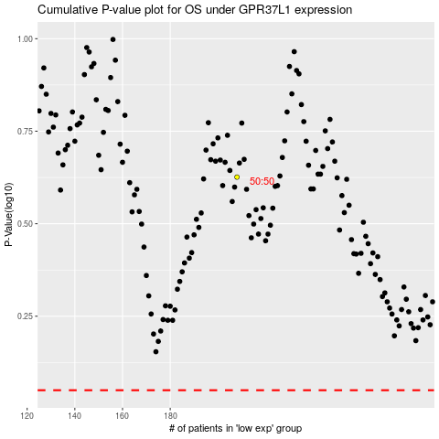

 |  |  |  |  |  | cases_OS | p_OS | rank | exp
 |  |  |  |  |  |  | cases_RFS | p_RFS | rank | exp

