GPR68 _multivariate
Reported by Tex Li-Hsing Chi. tex@gate.sinica.edu.tw 2019-08-19

Table 2. The clinicopathological features of HNSCC cohort and GPR68 expression. (Chi square test)
Cutoff at -0.183 (50.0%)
 |  | GPR68 expression |  | GPR68 expression |  | (Optimised)
 | Features | Low | (%) | High | (%) | Case no | P-value | Remark | Matthews
Gender | Female | 165 | 39.8 | 141 | 34 | 415 | 0.0081 | 1 | 0
2 | Male | 42 | 10.1 | 67 | 16.1
Age at diagnosis | <=65y | 143 | 34.5 | 131 | 31.6 | 415 | 0.2269 | 0 | 0
4 | >65y | 64 | 15.4 | 77 | 18.6
Clinical T Status | T1+T2 | 73 | 17.6 | 76 | 18.3 | 415 | 0.8666 | 0 | 0
6 | T3+T4 | 134 | 32.3 | 132 | 31.8
Clinical N Status | N0 | 104 | 25.1 | 112 | 27 | 415 | 0.5243 | 0 | 0
8 | N1-3 | 103 | 24.8 | 96 | 23.1
Clinical M Status | M0 | 206 | 49.6 | 206 | 49.6 | 415 | 1 | 0 | 0
10 | M1 | 1 | 0.2 | 2 | 0.5
Clinical Stage | Stage I+II | 41 | 9.9 | 61 | 14.7 | 415 | 0.0325 | 1 | 0
12 | Stage III+IV | 166 | 40 | 147 | 35.4
Surgical Margin status | Negative | 152 | 36.6 | 166 | 40 | 415 | 0.1329 | 0 | 0
14 | Positive | 55 | 13.3 | 42 | 10.1
Tobacco Exposure | Low | 72 | 17.3 | 89 | 21.4 | 415 | 0.1071 | 0 | 0
16 | High | 135 | 32.5 | 119 | 28.7

Table 3. Univariate/Multivariate Cox's proportional hazards regression analyses on OS time of GPR68 gene expression in HNSCC

 |  | Univariate |  |  |  | Multivariate
 | Features | HR | CI95%(L) | CI95%(H) | P-value | HR | CI95%(L) | CI95%(H) | P-value
1 | Female | 1 |  |  |  | 1
Gender | Male | 1.157 | 0.843 | 1.587 | 0.367 | 1.244 | 0.89 | 1.738 | 0.202
11 | <=65y | 1 |  |  |  | 1
Age at diagnosis | >65y | 1.329 | 0.99 | 1.784 | 0.058 | 1.412 | 1.039 | 1.919 | 0.027
12 | T1+T2 | 1 |  |  |  | 1
Clinical T Status | T3+T4 | 1.409 | 1.028 | 1.931 | 0.033 | 2.356 | 1.241 | 4.475 | 0.009
13 | N0 | 1 |  |  |  | 1
Clinical N Status | N1-3 | 1.185 | 0.89 | 1.577 | 0.246 | 1.259 | 0.882 | 1.796 | 0.204
14 | M0 | 1 |  |  |  | 1
Clinical M Status | M1 | 4.097 | 1.009 | 16.644 | 0.049 | 10.995 | 2.373 | 50.949 | 0.002
15 | Stage I+II | 1 |  |  |  | 1
Clinical Stage | Stage III+IV | 1.245 | 0.882 | 1.759 | 0.213 | 0.451 | 0.208 | 0.977 | 0.043
16 | Negative | 1 |  |  |  | 1
Surgical Margin status | Positive | 1.591 | 1.155 | 2.191 | 0.004 | 1.648 | 1.191 | 2.28 | 0.003
17 | Low | 1 |  |  |  | 1
Tobacco Exposure | High | 1.364 | 1.008 | 1.844 | 0.044 | 1.427 | 1.037 | 1.964 | 0.029
18 | Low | 1 |  |  |  | 1
RNAseq(z-score) | High | 0.811 | 0.606 | 1.085 | 0.158 | 0.765 | 0.566 | 1.036 | 0.083

Table 4. Univariate/Multivariate Cox's proportional hazards regression analyses on RFS time of GPR68 gene expression in HNSCC

 |  | Univariate |  |  |  | Multivariate
 | Features | HR | CI95%(L) | CI95%(H) | P-value | HR | CI95%(L) | CI95%(H) | P-value
1 | Female | 1 |  |  |  | 1
Gender | Male | 1.157 | 0.843 | 1.587 | 0.367 | 1.244 | 0.89 | 1.738 | 0.202
11 | <=65y | 1 |  |  |  | 1
Age at diagnosis | >65y | 1.329 | 0.99 | 1.784 | 0.058 | 1.412 | 1.039 | 1.919 | 0.027
12 | T1+T2 | 1 |  |  |  | 1
Clinical T Status | T3+T4 | 1.409 | 1.028 | 1.931 | 0.033 | 2.356 | 1.241 | 4.475 | 0.009
13 | N0 | 1 |  |  |  | 1
Clinical N Status | N1-3 | 1.185 | 0.89 | 1.577 | 0.246 | 1.259 | 0.882 | 1.796 | 0.204
14 | M0 | 1 |  |  |  | 1
Clinical M Status | M1 | 4.097 | 1.009 | 16.644 | 0.049 | 10.995 | 2.373 | 50.949 | 0.002
15 | Stage I+II | 1 |  |  |  | 1
Clinical Stage | Stage III+IV | 1.245 | 0.882 | 1.759 | 0.213 | 0.451 | 0.208 | 0.977 | 0.043
16 | Negative | 1 |  |  |  | 1
Surgical Margin status | Positive | 1.591 | 1.155 | 2.191 | 0.004 | 1.648 | 1.191 | 2.28 | 0.003
17 | Low | 1 |  |  |  | 1
Tobacco Exposure | High | 1.364 | 1.008 | 1.844 | 0.044 | 1.427 | 1.037 | 1.964 | 0.029
18 | Low | 1 |  |  |  | 1
RNAseq(z-score) | High | 0.811 | 0.606 | 1.085 | 0.158 | 0.765 | 0.566 | 1.036 | 0.083

Kaplan-Meier survival estimate: Cutoff at -0.183 (50.0%)



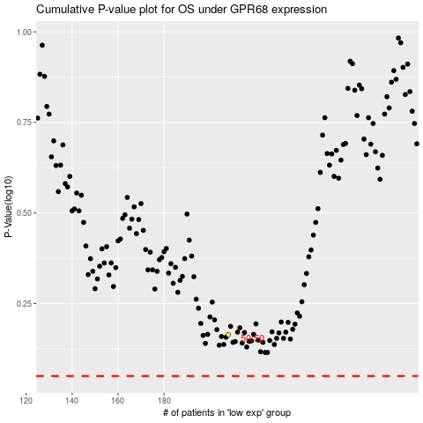

 |  |  |  |  |  | cases_OS | p_OS | rank | exp
 |  |  |  |  |  |  | cases_RFS | p_RFS | rank | exp

