GPR77 _multivariate
Reported by Tex Li-Hsing Chi. tex@gate.sinica.edu.tw 2019-08-19

Table 2. The clinicopathological features of HNSCC cohort and GPR77 expression. (Chi square test)
Cutoff at -0.222 (50.0%)
 |  | GPR77 expression |  | GPR77 expression |  | (Optimised)
 | Features | Low | (%) | High | (%) | Case no | P-value | Remark | Matthews
Gender | Female | 163 | 39.3 | 143 | 34.5 | 415 | 0.0277 | 1 | 0
2 | Male | 44 | 10.6 | 65 | 15.7
Age at diagnosis | <=65y | 145 | 34.9 | 129 | 31.1 | 415 | 0.1046 | 0 | 0
4 | >65y | 62 | 14.9 | 79 | 19
Clinical T Status | T1+T2 | 85 | 20.5 | 64 | 15.4 | 415 | 0.0372 | 1 | 0
6 | T3+T4 | 122 | 29.4 | 144 | 34.7
Clinical N Status | N0 | 114 | 27.5 | 102 | 24.6 | 415 | 0.2576 | 1 | 0
8 | N1-3 | 93 | 22.4 | 106 | 25.5
Clinical M Status | M0 | 204 | 49.2 | 208 | 50.1 | 415 | 0.1232 | 0 | 0
10 | M1 | 3 | 0.7 | 0 | 0
Clinical Stage | Stage I+II | 59 | 14.2 | 43 | 10.4 | 415 | 0.0822 | 0 | 0
12 | Stage III+IV | 148 | 35.7 | 165 | 39.8
Surgical Margin status | Negative | 158 | 38.1 | 160 | 38.6 | 415 | 0.9081 | 0 | 0
14 | Positive | 49 | 11.8 | 48 | 11.6
Tobacco Exposure | Low | 74 | 17.8 | 87 | 21 | 415 | 0.227 | 0 | 0
16 | High | 133 | 32 | 121 | 29.2

Table 3. Univariate/Multivariate Cox's proportional hazards regression analyses on OS time of GPR77 gene expression in HNSCC

 |  | Univariate |  |  |  | Multivariate
 | Features | HR | CI95%(L) | CI95%(H) | P-value | HR | CI95%(L) | CI95%(H) | P-value
1 | Female | 1 |  |  |  | 1
Gender | Male | 1.157 | 0.843 | 1.587 | 0.367 | 1.214 | 0.868 | 1.699 | 0.257
11 | <=65y | 1 |  |  |  | 1
Age at diagnosis | >65y | 1.329 | 0.99 | 1.784 | 0.058 | 1.402 | 1.031 | 1.907 | 0.031
12 | T1+T2 | 1 |  |  |  | 1
Clinical T Status | T3+T4 | 1.409 | 1.028 | 1.931 | 0.033 | 2.217 | 1.173 | 4.192 | 0.014
13 | N0 | 1 |  |  |  | 1
Clinical N Status | N1-3 | 1.185 | 0.89 | 1.577 | 0.246 | 1.246 | 0.873 | 1.777 | 0.226
14 | M0 | 1 |  |  |  | 1
Clinical M Status | M1 | 4.097 | 1.009 | 16.644 | 0.049 | 8.969 | 1.946 | 41.336 | 0.005
15 | Stage I+II | 1 |  |  |  | 1
Clinical Stage | Stage III+IV | 1.245 | 0.882 | 1.759 | 0.213 | 0.509 | 0.237 | 1.093 | 0.083
16 | Negative | 1 |  |  |  | 1
Surgical Margin status | Positive | 1.591 | 1.155 | 2.191 | 0.004 | 1.682 | 1.217 | 2.324 | 0.002
17 | Low | 1 |  |  |  | 1
Tobacco Exposure | High | 1.364 | 1.008 | 1.844 | 0.044 | 1.443 | 1.046 | 1.99 | 0.025
18 | Low | 1 |  |  |  | 1
RNAseq(z-score) | High | 0.961 | 0.721 | 1.28 | 0.786 | 0.9 | 0.67 | 1.209 | 0.484

Table 4. Univariate/Multivariate Cox's proportional hazards regression analyses on RFS time of GPR77 gene expression in HNSCC

 |  | Univariate |  |  |  | Multivariate
 | Features | HR | CI95%(L) | CI95%(H) | P-value | HR | CI95%(L) | CI95%(H) | P-value
1 | Female | 1 |  |  |  | 1
Gender | Male | 1.157 | 0.843 | 1.587 | 0.367 | 1.214 | 0.868 | 1.699 | 0.257
11 | <=65y | 1 |  |  |  | 1
Age at diagnosis | >65y | 1.329 | 0.99 | 1.784 | 0.058 | 1.402 | 1.031 | 1.907 | 0.031
12 | T1+T2 | 1 |  |  |  | 1
Clinical T Status | T3+T4 | 1.409 | 1.028 | 1.931 | 0.033 | 2.217 | 1.173 | 4.192 | 0.014
13 | N0 | 1 |  |  |  | 1
Clinical N Status | N1-3 | 1.185 | 0.89 | 1.577 | 0.246 | 1.246 | 0.873 | 1.777 | 0.226
14 | M0 | 1 |  |  |  | 1
Clinical M Status | M1 | 4.097 | 1.009 | 16.644 | 0.049 | 8.969 | 1.946 | 41.336 | 0.005
15 | Stage I+II | 1 |  |  |  | 1
Clinical Stage | Stage III+IV | 1.245 | 0.882 | 1.759 | 0.213 | 0.509 | 0.237 | 1.093 | 0.083
16 | Negative | 1 |  |  |  | 1
Surgical Margin status | Positive | 1.591 | 1.155 | 2.191 | 0.004 | 1.682 | 1.217 | 2.324 | 0.002
17 | Low | 1 |  |  |  | 1
Tobacco Exposure | High | 1.364 | 1.008 | 1.844 | 0.044 | 1.443 | 1.046 | 1.99 | 0.025
18 | Low | 1 |  |  |  | 1
RNAseq(z-score) | High | 0.961 | 0.721 | 1.28 | 0.786 | 0.9 | 0.67 | 1.209 | 0.484

Kaplan-Meier survival estimate: Cutoff at -0.222 (50.0%)



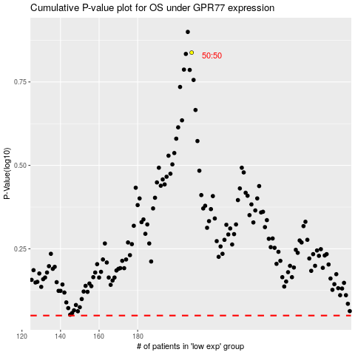

 |  |  |  |  |  | cases_OS | p_OS | rank | exp
 |  |  |  |  |  |  | cases_RFS | p_RFS | rank | exp

