GPR84 _multivariate
Reported by Tex Li-Hsing Chi. tex@gate.sinica.edu.tw 2019-08-19

Table 2. The clinicopathological features of HNSCC cohort and GPR84 expression. (Chi square test)
Cutoff at -0.201 (49.8%)
 |  | GPR84 expression |  | GPR84 expression |  | (Optimised)
 | Features | Low | (%) | High | (%) | Case no | P-value | Remark | Matthews
Gender | Female | 162 | 39 | 144 | 34.7 | 415 | 0.0479 | 1 | 0
2 | Male | 45 | 10.8 | 64 | 15.4
Age at diagnosis | <=65y | 150 | 36.1 | 124 | 29.9 | 415 | 0.0078 | 1 | 0
4 | >65y | 57 | 13.7 | 84 | 20.2
Clinical T Status | T1+T2 | 69 | 16.6 | 80 | 19.3 | 415 | 0.3239 | 0 | 0
6 | T3+T4 | 138 | 33.3 | 128 | 30.8
Clinical N Status | N0 | 110 | 26.5 | 106 | 25.5 | 415 | 0.7294 | 0 | 0
8 | N1-3 | 97 | 23.4 | 102 | 24.6
Clinical M Status | M0 | 207 | 49.9 | 205 | 49.4 | 415 | 0.2482 | 0 | 0
10 | M1 | 0 | 0 | 3 | 0.7
Clinical Stage | Stage I+II | 49 | 11.8 | 53 | 12.8 | 415 | 0.7535 | 0 | 0
12 | Stage III+IV | 158 | 38.1 | 155 | 37.3
Surgical Margin status | Negative | 158 | 38.1 | 160 | 38.6 | 415 | 0.9081 | 0 | 0
14 | Positive | 49 | 11.8 | 48 | 11.6
Tobacco Exposure | Low | 72 | 17.3 | 89 | 21.4 | 415 | 0.1071 | 0 | 0
16 | High | 135 | 32.5 | 119 | 28.7

Table 3. Univariate/Multivariate Cox's proportional hazards regression analyses on OS time of GPR84 gene expression in HNSCC

 |  | Univariate |  |  |  | Multivariate
 | Features | HR | CI95%(L) | CI95%(H) | P-value | HR | CI95%(L) | CI95%(H) | P-value
1 | Female | 1 |  |  |  | 1
Gender | Male | 1.157 | 0.843 | 1.587 | 0.367 | 1.213 | 0.868 | 1.697 | 0.258
11 | <=65y | 1 |  |  |  | 1
Age at diagnosis | >65y | 1.329 | 0.99 | 1.784 | 0.058 | 1.416 | 1.04 | 1.927 | 0.027
12 | T1+T2 | 1 |  |  |  | 1
Clinical T Status | T3+T4 | 1.409 | 1.028 | 1.931 | 0.033 | 2.191 | 1.159 | 4.145 | 0.016
13 | N0 | 1 |  |  |  | 1
Clinical N Status | N1-3 | 1.185 | 0.89 | 1.577 | 0.246 | 1.24 | 0.869 | 1.769 | 0.235
14 | M0 | 1 |  |  |  | 1
Clinical M Status | M1 | 4.097 | 1.009 | 16.644 | 0.049 | 10.15 | 2.196 | 46.91 | 0.003
15 | Stage I+II | 1 |  |  |  | 1
Clinical Stage | Stage III+IV | 1.245 | 0.882 | 1.759 | 0.213 | 0.505 | 0.235 | 1.083 | 0.079
16 | Negative | 1 |  |  |  | 1
Surgical Margin status | Positive | 1.591 | 1.155 | 2.191 | 0.004 | 1.688 | 1.221 | 2.335 | 0.002
17 | Low | 1 |  |  |  | 1
Tobacco Exposure | High | 1.364 | 1.008 | 1.844 | 0.044 | 1.445 | 1.049 | 1.992 | 0.024
18 | Low | 1 |  |  |  | 1
RNAseq(z-score) | High | 0.91 | 0.683 | 1.212 | 0.518 | 0.865 | 0.645 | 1.159 | 0.33

Table 4. Univariate/Multivariate Cox's proportional hazards regression analyses on RFS time of GPR84 gene expression in HNSCC

 |  | Univariate |  |  |  | Multivariate
 | Features | HR | CI95%(L) | CI95%(H) | P-value | HR | CI95%(L) | CI95%(H) | P-value
1 | Female | 1 |  |  |  | 1
Gender | Male | 1.157 | 0.843 | 1.587 | 0.367 | 1.213 | 0.868 | 1.697 | 0.258
11 | <=65y | 1 |  |  |  | 1
Age at diagnosis | >65y | 1.329 | 0.99 | 1.784 | 0.058 | 1.416 | 1.04 | 1.927 | 0.027
12 | T1+T2 | 1 |  |  |  | 1
Clinical T Status | T3+T4 | 1.409 | 1.028 | 1.931 | 0.033 | 2.191 | 1.159 | 4.145 | 0.016
13 | N0 | 1 |  |  |  | 1
Clinical N Status | N1-3 | 1.185 | 0.89 | 1.577 | 0.246 | 1.24 | 0.869 | 1.769 | 0.235
14 | M0 | 1 |  |  |  | 1
Clinical M Status | M1 | 4.097 | 1.009 | 16.644 | 0.049 | 10.15 | 2.196 | 46.91 | 0.003
15 | Stage I+II | 1 |  |  |  | 1
Clinical Stage | Stage III+IV | 1.245 | 0.882 | 1.759 | 0.213 | 0.505 | 0.235 | 1.083 | 0.079
16 | Negative | 1 |  |  |  | 1
Surgical Margin status | Positive | 1.591 | 1.155 | 2.191 | 0.004 | 1.688 | 1.221 | 2.335 | 0.002
17 | Low | 1 |  |  |  | 1
Tobacco Exposure | High | 1.364 | 1.008 | 1.844 | 0.044 | 1.445 | 1.049 | 1.992 | 0.024
18 | Low | 1 |  |  |  | 1
RNAseq(z-score) | High | 0.91 | 0.683 | 1.212 | 0.518 | 0.865 | 0.645 | 1.159 | 0.33

Kaplan-Meier survival estimate: Cutoff at -0.201 (49.8%)



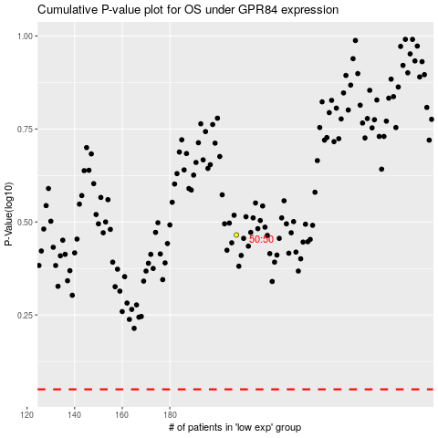

 |  |  |  |  |  | cases_OS | p_OS | rank | exp
 |  |  |  |  |  |  | cases_RFS | p_RFS | rank | exp

