GPR88 _multivariate
Reported by Tex Li-Hsing Chi. tex@gate.sinica.edu.tw 2019-08-19

Table 2. The clinicopathological features of HNSCC cohort and GPR88 expression. (Chi square test)
Cutoff at -0.264 (50.0%)
 |  | GPR88 expression |  | GPR88 expression |  | (Optimised)
 | Features | Low | (%) | High | (%) | Case no | P-value | Remark | Matthews
Gender | Female | 158 | 38.1 | 148 | 35.7 | 415 | 0.2774 | 0 | 0
2 | Male | 49 | 11.8 | 60 | 14.5
Age at diagnosis | <=65y | 130 | 31.3 | 144 | 34.7 | 415 | 0.2009 | 0 | 0
4 | >65y | 77 | 18.6 | 64 | 15.4
Clinical T Status | T1+T2 | 68 | 16.4 | 81 | 19.5 | 415 | 0.2336 | 0 | 0
6 | T3+T4 | 139 | 33.5 | 127 | 30.6
Clinical N Status | N0 | 116 | 28 | 100 | 24.1 | 415 | 0.1273 | 1 | 0
8 | N1-3 | 91 | 21.9 | 108 | 26
Clinical M Status | M0 | 204 | 49.2 | 208 | 50.1 | 415 | 0.1232 | 0 | 0
10 | M1 | 3 | 0.7 | 0 | 0
Clinical Stage | Stage I+II | 48 | 11.6 | 54 | 13 | 415 | 0.5878 | 0 | 0
12 | Stage III+IV | 159 | 38.3 | 154 | 37.1
Surgical Margin status | Negative | 154 | 37.1 | 164 | 39.5 | 415 | 0.2984 | 0 | 0
14 | Positive | 53 | 12.8 | 44 | 10.6
Tobacco Exposure | Low | 79 | 19 | 82 | 19.8 | 415 | 0.8405 | 0 | 0
16 | High | 128 | 30.8 | 126 | 30.4

Table 3. Univariate/Multivariate Cox's proportional hazards regression analyses on OS time of GPR88 gene expression in HNSCC

 |  | Univariate |  |  |  | Multivariate
 | Features | HR | CI95%(L) | CI95%(H) | P-value | HR | CI95%(L) | CI95%(H) | P-value
1 | Female | 1 |  |  |  | 1
Gender | Male | 1.157 | 0.843 | 1.587 | 0.367 | 1.205 | 0.86 | 1.688 | 0.278
11 | <=65y | 1 |  |  |  | 1
Age at diagnosis | >65y | 1.329 | 0.99 | 1.784 | 0.058 | 1.388 | 1.017 | 1.892 | 0.039
12 | T1+T2 | 1 |  |  |  | 1
Clinical T Status | T3+T4 | 1.409 | 1.028 | 1.931 | 0.033 | 2.201 | 1.164 | 4.161 | 0.015
13 | N0 | 1 |  |  |  | 1
Clinical N Status | N1-3 | 1.185 | 0.89 | 1.577 | 0.246 | 1.245 | 0.87 | 1.781 | 0.231
14 | M0 | 1 |  |  |  | 1
Clinical M Status | M1 | 4.097 | 1.009 | 16.644 | 0.049 | 9.298 | 2.009 | 43.035 | 0.004
15 | Stage I+II | 1 |  |  |  | 1
Clinical Stage | Stage III+IV | 1.245 | 0.882 | 1.759 | 0.213 | 0.504 | 0.235 | 1.082 | 0.079
16 | Negative | 1 |  |  |  | 1
Surgical Margin status | Positive | 1.591 | 1.155 | 2.191 | 0.004 | 1.67 | 1.209 | 2.308 | 0.002
17 | Low | 1 |  |  |  | 1
Tobacco Exposure | High | 1.364 | 1.008 | 1.844 | 0.044 | 1.452 | 1.054 | 2.001 | 0.023
18 | Low | 1 |  |  |  | 1
RNAseq(z-score) | High | 0.919 | 0.69 | 1.225 | 0.564 | 0.98 | 0.728 | 1.32 | 0.895

Table 4. Univariate/Multivariate Cox's proportional hazards regression analyses on RFS time of GPR88 gene expression in HNSCC

 |  | Univariate |  |  |  | Multivariate
 | Features | HR | CI95%(L) | CI95%(H) | P-value | HR | CI95%(L) | CI95%(H) | P-value
1 | Female | 1 |  |  |  | 1
Gender | Male | 1.157 | 0.843 | 1.587 | 0.367 | 1.205 | 0.86 | 1.688 | 0.278
11 | <=65y | 1 |  |  |  | 1
Age at diagnosis | >65y | 1.329 | 0.99 | 1.784 | 0.058 | 1.388 | 1.017 | 1.892 | 0.039
12 | T1+T2 | 1 |  |  |  | 1
Clinical T Status | T3+T4 | 1.409 | 1.028 | 1.931 | 0.033 | 2.201 | 1.164 | 4.161 | 0.015
13 | N0 | 1 |  |  |  | 1
Clinical N Status | N1-3 | 1.185 | 0.89 | 1.577 | 0.246 | 1.245 | 0.87 | 1.781 | 0.231
14 | M0 | 1 |  |  |  | 1
Clinical M Status | M1 | 4.097 | 1.009 | 16.644 | 0.049 | 9.298 | 2.009 | 43.035 | 0.004
15 | Stage I+II | 1 |  |  |  | 1
Clinical Stage | Stage III+IV | 1.245 | 0.882 | 1.759 | 0.213 | 0.504 | 0.235 | 1.082 | 0.079
16 | Negative | 1 |  |  |  | 1
Surgical Margin status | Positive | 1.591 | 1.155 | 2.191 | 0.004 | 1.67 | 1.209 | 2.308 | 0.002
17 | Low | 1 |  |  |  | 1
Tobacco Exposure | High | 1.364 | 1.008 | 1.844 | 0.044 | 1.452 | 1.054 | 2.001 | 0.023
18 | Low | 1 |  |  |  | 1
RNAseq(z-score) | High | 0.919 | 0.69 | 1.225 | 0.564 | 0.98 | 0.728 | 1.32 | 0.895

Kaplan-Meier survival estimate: Cutoff at -0.264 (50.0%)



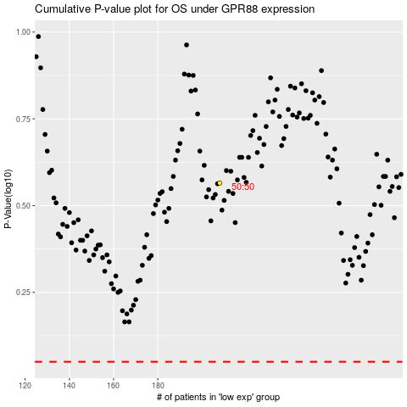

 |  |  |  |  |  | cases_OS | p_OS | rank | exp
 |  |  |  |  |  |  | cases_RFS | p_RFS | rank | exp

