GPR89A _multivariate
Reported by Tex Li-Hsing Chi. tex@gate.sinica.edu.tw 2019-08-19

Table 2. The clinicopathological features of HNSCC cohort and GPR89A expression. (Chi square test)
Cutoff at -0.094 (49.8%)
 |  | GPR89A expression |  | GPR89A expression |  | (Optimised)
 | Features | Low | (%) | High | (%) | Case no | P-value | Remark | Matthews
Gender | Female | 142 | 34.2 | 164 | 39.5 | 415 | 0.0238 | 1 | 0
2 | Male | 65 | 15.7 | 44 | 10.6
Age at diagnosis | <=65y | 131 | 31.6 | 143 | 34.5 | 415 | 0.2839 | 0 | 0
4 | >65y | 76 | 18.3 | 65 | 15.7
Clinical T Status | T1+T2 | 74 | 17.8 | 75 | 18.1 | 415 | 1 | 0 | 0
6 | T3+T4 | 133 | 32 | 133 | 32
Clinical N Status | N0 | 113 | 27.2 | 103 | 24.8 | 415 | 0.3495 | 1 | 0
8 | N1-3 | 94 | 22.7 | 105 | 25.3
Clinical M Status | M0 | 205 | 49.4 | 207 | 49.9 | 415 | 0.6232 | 0 | 0
10 | M1 | 2 | 0.5 | 1 | 0.2
Clinical Stage | Stage I+II | 56 | 13.5 | 46 | 11.1 | 415 | 0.2918 | 0 | 0
12 | Stage III+IV | 151 | 36.4 | 162 | 39
Surgical Margin status | Negative | 167 | 40.2 | 151 | 36.4 | 415 | 0.0632 | 0 | 0
14 | Positive | 40 | 9.6 | 57 | 13.7
Tobacco Exposure | Low | 87 | 21 | 74 | 17.8 | 415 | 0.1911 | 0 | 0
16 | High | 120 | 28.9 | 134 | 32.3

Table 3. Univariate/Multivariate Cox's proportional hazards regression analyses on OS time of GPR89A gene expression in HNSCC

 |  | Univariate |  |  |  | Multivariate
 | Features | HR | CI95%(L) | CI95%(H) | P-value | HR | CI95%(L) | CI95%(H) | P-value
1 | Female | 1 |  |  |  | 1
Gender | Male | 1.157 | 0.843 | 1.587 | 0.367 | 1.197 | 0.856 | 1.673 | 0.294
11 | <=65y | 1 |  |  |  | 1
Age at diagnosis | >65y | 1.329 | 0.99 | 1.784 | 0.058 | 1.388 | 1.02 | 1.887 | 0.037
12 | T1+T2 | 1 |  |  |  | 1
Clinical T Status | T3+T4 | 1.409 | 1.028 | 1.931 | 0.033 | 2.18 | 1.15 | 4.131 | 0.017
13 | N0 | 1 |  |  |  | 1
Clinical N Status | N1-3 | 1.185 | 0.89 | 1.577 | 0.246 | 1.239 | 0.868 | 1.768 | 0.237
14 | M0 | 1 |  |  |  | 1
Clinical M Status | M1 | 4.097 | 1.009 | 16.644 | 0.049 | 9.274 | 2.02 | 42.584 | 0.004
15 | Stage I+II | 1 |  |  |  | 1
Clinical Stage | Stage III+IV | 1.245 | 0.882 | 1.759 | 0.213 | 0.51 | 0.237 | 1.097 | 0.085
16 | Negative | 1 |  |  |  | 1
Surgical Margin status | Positive | 1.591 | 1.155 | 2.191 | 0.004 | 1.681 | 1.215 | 2.327 | 0.002
17 | Low | 1 |  |  |  | 1
Tobacco Exposure | High | 1.364 | 1.008 | 1.844 | 0.044 | 1.461 | 1.059 | 2.017 | 0.021
18 | Low | 1 |  |  |  | 1
RNAseq(z-score) | High | 0.96 | 0.721 | 1.278 | 0.779 | 0.945 | 0.706 | 1.267 | 0.707

Table 4. Univariate/Multivariate Cox's proportional hazards regression analyses on RFS time of GPR89A gene expression in HNSCC

 |  | Univariate |  |  |  | Multivariate
 | Features | HR | CI95%(L) | CI95%(H) | P-value | HR | CI95%(L) | CI95%(H) | P-value
1 | Female | 1 |  |  |  | 1
Gender | Male | 1.157 | 0.843 | 1.587 | 0.367 | 1.197 | 0.856 | 1.673 | 0.294
11 | <=65y | 1 |  |  |  | 1
Age at diagnosis | >65y | 1.329 | 0.99 | 1.784 | 0.058 | 1.388 | 1.02 | 1.887 | 0.037
12 | T1+T2 | 1 |  |  |  | 1
Clinical T Status | T3+T4 | 1.409 | 1.028 | 1.931 | 0.033 | 2.18 | 1.15 | 4.131 | 0.017
13 | N0 | 1 |  |  |  | 1
Clinical N Status | N1-3 | 1.185 | 0.89 | 1.577 | 0.246 | 1.239 | 0.868 | 1.768 | 0.237
14 | M0 | 1 |  |  |  | 1
Clinical M Status | M1 | 4.097 | 1.009 | 16.644 | 0.049 | 9.274 | 2.02 | 42.584 | 0.004
15 | Stage I+II | 1 |  |  |  | 1
Clinical Stage | Stage III+IV | 1.245 | 0.882 | 1.759 | 0.213 | 0.51 | 0.237 | 1.097 | 0.085
16 | Negative | 1 |  |  |  | 1
Surgical Margin status | Positive | 1.591 | 1.155 | 2.191 | 0.004 | 1.681 | 1.215 | 2.327 | 0.002
17 | Low | 1 |  |  |  | 1
Tobacco Exposure | High | 1.364 | 1.008 | 1.844 | 0.044 | 1.461 | 1.059 | 2.017 | 0.021
18 | Low | 1 |  |  |  | 1
RNAseq(z-score) | High | 0.96 | 0.721 | 1.278 | 0.779 | 0.945 | 0.706 | 1.267 | 0.707

Kaplan-Meier survival estimate: Cutoff at -0.094 (49.8%)



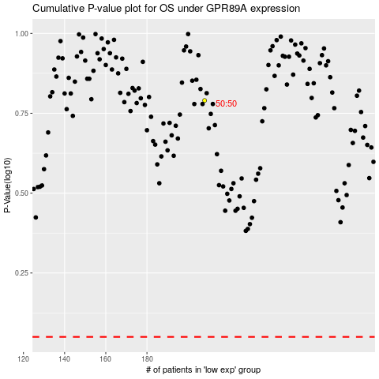

 |  |  |  |  |  | cases_OS | p_OS | rank | exp
 |  |  |  |  |  |  | cases_RFS | p_RFS | rank | exp

