GPR89B _multivariate
Reported by Tex Li-Hsing Chi. tex@gate.sinica.edu.tw 2019-08-19

Table 2. The clinicopathological features of HNSCC cohort and GPR89B expression. (Chi square test)
Cutoff at 0.04 (68.6%)
 |  | GPR89B expression |  | GPR89B expression |  | (Optimised)
 | Features | Low | (%) | High | (%) | Case no | P-value | Remark | Matthews
Gender | Female | 207 | 49.9 | 99 | 23.9 | 415 | 0.6471 | 0 | 0
2 | Male | 77 | 18.6 | 32 | 7.7
Age at diagnosis | <=65y | 183 | 44.1 | 91 | 21.9 | 415 | 0.3714 | 0 | 0
4 | >65y | 101 | 24.3 | 40 | 9.6
Clinical T Status | T1+T2 | 106 | 25.5 | 43 | 10.4 | 415 | 0.4366 | 0 | 0
6 | T3+T4 | 178 | 42.9 | 88 | 21.2
Clinical N Status | N0 | 152 | 36.6 | 64 | 15.4 | 415 | 0.4362 | 0 | 0
8 | N1-3 | 132 | 31.8 | 67 | 16.1
Clinical M Status | M0 | 283 | 68.2 | 129 | 31.1 | 415 | 0.2354 | 0 | 0
10 | M1 | 1 | 0.2 | 2 | 0.5
Clinical Stage | Stage I+II | 74 | 17.8 | 28 | 6.7 | 415 | 0.3644 | 0 | 0
12 | Stage III+IV | 210 | 50.6 | 103 | 24.8
Surgical Margin status | Negative | 223 | 53.7 | 95 | 22.9 | 415 | 0.2119 | 0 | 0
14 | Positive | 61 | 14.7 | 36 | 8.7
Tobacco Exposure | Low | 118 | 28.4 | 43 | 10.4 | 415 | 0.1041 | 0 | 0
16 | High | 166 | 40 | 88 | 21.2

Table 3. Univariate/Multivariate Cox's proportional hazards regression analyses on OS time of GPR89B gene expression in HNSCC

 |  | Univariate |  |  |  | Multivariate
 | Features | HR | CI95%(L) | CI95%(H) | P-value | HR | CI95%(L) | CI95%(H) | P-value
1 | Female | 1 |  |  |  | 1
Gender | Male | 1.157 | 0.843 | 1.587 | 0.367 | 1.237 | 0.885 | 1.728 | 0.213
11 | <=65y | 1 |  |  |  | 1
Age at diagnosis | >65y | 1.329 | 0.99 | 1.784 | 0.058 | 1.391 | 1.024 | 1.89 | 0.035
12 | T1+T2 | 1 |  |  |  | 1
Clinical T Status | T3+T4 | 1.409 | 1.028 | 1.931 | 0.033 | 2.133 | 1.128 | 4.032 | 0.02
13 | N0 | 1 |  |  |  | 1
Clinical N Status | N1-3 | 1.185 | 0.89 | 1.577 | 0.246 | 1.217 | 0.852 | 1.739 | 0.279
14 | M0 | 1 |  |  |  | 1
Clinical M Status | M1 | 4.097 | 1.009 | 16.644 | 0.049 | 7.879 | 1.713 | 36.236 | 0.008
15 | Stage I+II | 1 |  |  |  | 1
Clinical Stage | Stage III+IV | 1.245 | 0.882 | 1.759 | 0.213 | 0.513 | 0.239 | 1.1 | 0.086
16 | Negative | 1 |  |  |  | 1
Surgical Margin status | Positive | 1.591 | 1.155 | 2.191 | 0.004 | 1.591 | 1.149 | 2.201 | 0.005
17 | Low | 1 |  |  |  | 1
Tobacco Exposure | High | 1.364 | 1.008 | 1.844 | 0.044 | 1.422 | 1.034 | 1.956 | 0.03
18 | Low | 1 |  |  |  | 1
RNAseq(z-score) | High | 1.757 | 1.302 | 2.372 | *** | 1.654 | 1.22 | 2.243 | 0.001

Table 4. Univariate/Multivariate Cox's proportional hazards regression analyses on RFS time of GPR89B gene expression in HNSCC

 |  | Univariate |  |  |  | Multivariate
 | Features | HR | CI95%(L) | CI95%(H) | P-value | HR | CI95%(L) | CI95%(H) | P-value
1 | Female | 1 |  |  |  | 1
Gender | Male | 1.157 | 0.843 | 1.587 | 0.367 | 1.237 | 0.885 | 1.728 | 0.213
11 | <=65y | 1 |  |  |  | 1
Age at diagnosis | >65y | 1.329 | 0.99 | 1.784 | 0.058 | 1.391 | 1.024 | 1.89 | 0.035
12 | T1+T2 | 1 |  |  |  | 1
Clinical T Status | T3+T4 | 1.409 | 1.028 | 1.931 | 0.033 | 2.133 | 1.128 | 4.032 | 0.02
13 | N0 | 1 |  |  |  | 1
Clinical N Status | N1-3 | 1.185 | 0.89 | 1.577 | 0.246 | 1.217 | 0.852 | 1.739 | 0.279
14 | M0 | 1 |  |  |  | 1
Clinical M Status | M1 | 4.097 | 1.009 | 16.644 | 0.049 | 7.879 | 1.713 | 36.236 | 0.008
15 | Stage I+II | 1 |  |  |  | 1
Clinical Stage | Stage III+IV | 1.245 | 0.882 | 1.759 | 0.213 | 0.513 | 0.239 | 1.1 | 0.086
16 | Negative | 1 |  |  |  | 1
Surgical Margin status | Positive | 1.591 | 1.155 | 2.191 | 0.004 | 1.591 | 1.149 | 2.201 | 0.005
17 | Low | 1 |  |  |  | 1
Tobacco Exposure | High | 1.364 | 1.008 | 1.844 | 0.044 | 1.422 | 1.034 | 1.956 | 0.03
18 | Low | 1 |  |  |  | 1
RNAseq(z-score) | High | 1.757 | 1.302 | 2.372 | *** | 1.654 | 1.22 | 2.243 | 0.001

Kaplan-Meier survival estimate: Cutoff at 0.04 (68.6%)

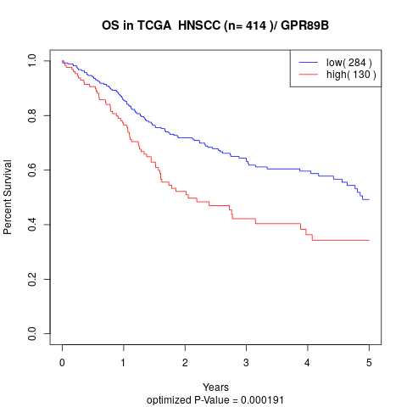

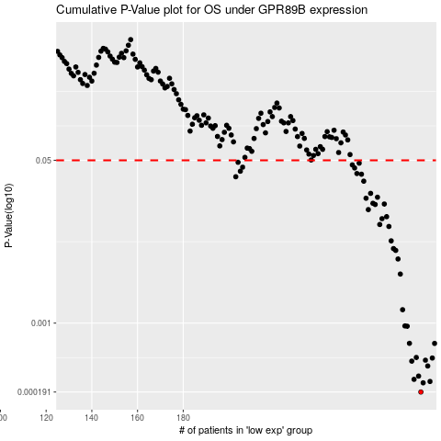

 |  |  |  |  |  | cases_OS | p_OS | rank | exp
 |  |  |  |  |  | 284 | 0.000191 | 322 | 0.039589739421
 |  |  |  |  |  | 285 | 0.000238 | 113 | 0.044351857799
 |  |  |  |  |  | 288 | 0.000246 | 79 | 0.055244382019
 |  |  |  |  |  | 281 | 0.000259 | 80 | 0.023833520898
 |  |  |  |  |  | 283 | 0.00028 | 95 | 0.037611996406
 |  |  |  |  |  | 287 | 0.000357 | 17 | 0.054987454679
 |  |  |  |  |  | 280 | 0.000401 | 327 | 0.014727537952
 |  |  |  |  |  | 286 | 0.00041 | 313 | 0.050028159505
 |  |  |  |  |  | 289 | 0.000432 | 375 | 0.056027114149
 |  |  |  |  |  | 282 | 0.000438 | 59 | 0.031188812897
 |  |  |  |  |  | 290 | 0.000614 | 382 | 0.06566487694
 |  |  |  |  |  | 279 | 0.000615 | 169 | -0.00026387360504
 |  |  |  |  |  | 278 | 0.000928 | 192 | -0.016372620339
 |  |  |  |  |  | 277 | 0.000935 | 280 | -0.024851222571
 |  |  |  |  |  | 276 | 0.00138 | 152 | -0.027426471029
 |  |  |  |  |  | 275 | 0.00325 | 230 | -0.030623125147
 |  |  |  |  |  | 274 | 0.00467 | 75 | -0.037434687194
 |  |  |  |  |  | 273 | 0.00574 | 9 | -0.04127664719
 |  |  |  |  |  | 272 | 0.00599 | 179 | -0.047227801399
 |  |  |  |  |  | 271 | 0.00722 | 367 | -0.049038242891
 |  |  |  |  |  | 270 | 0.0102 | 73 | -0.050155578068
 |  |  |  |  |  | 266 | 0.0107 | 240 | -0.060779224839
 |  |  |  |  |  | 267 | 0.0123 | 62 | -0.057887298496
 |  |  |  |  |  | 269 | 0.0129 | 93 | -0.050496156171
 |  |  |  |  |  | 261 | 0.0153 | 210 | -0.07291456038
 |  |  |  |  |  | 264 | 0.0173 | 251 | -0.067590786886
 |  |  |  |  |  | 268 | 0.0175 | 165 | -0.056011131406
 |  |  |  |  |  | 263 | 0.0178 | 172 | -0.06770431292
 |  |  |  |  |  | 260 | 0.0201 | 130 | -0.078495261214
 |  |  |  |  |  | 265 | 0.0206 | 177 | -0.06608507317
 |  |  |  |  |  | 262 | 0.0226 | 324 | -0.068457169777
 |  |  |  |  |  | 259 | 0.0303 | 362 | -0.079935249331
 |  |  |  |  |  | 203 | 0.0337 | 99 | -0.34084197593
 |  |  |  |  |  | 258 | 0.0358 | 187 | -0.081781541149
 |  |  |  |  |  | 256 | 0.0364 | 176 | -0.098434017836
 |  |  |  |  |  | 205 | 0.0385 | 256 | -0.32861103952
 |  |  |  |  |  | 255 | 0.0416 | 408 | -0.10402069373
 |  |  |  |  |  | 206 | 0.0424 | 86 | -0.3247451793
 |  |  |  |  |  | 254 | 0.0448 | 98 | -0.11032437615
 |  |  |  |  |  | 257 | 0.0467 | 44 | -0.085880428486
 |  |  |  |  |  | 204 | 0.0477 | 402 | -0.33611570788
 |  |  |  |  |  |  | cases_RFS | p_RFS | rank | exp
 |  |  |  |  |  |  | 283 | 0.000191 | 95 | 0.037611996406
 |  |  |  |  |  |  | 284 | 0.000238 | 322 | 0.039589739421
 |  |  |  |  |  |  | 287 | 0.000246 | 17 | 0.054987454679
 |  |  |  |  |  |  | 280 | 0.000259 | 327 | 0.014727537952
 |  |  |  |  |  |  | 282 | 0.00028 | 59 | 0.031188812897
 |  |  |  |  |  |  | 286 | 0.000357 | 313 | 0.050028159505
 |  |  |  |  |  |  | 279 | 0.000401 | 169 | -0.00026387360504
 |  |  |  |  |  |  | 285 | 0.00041 | 113 | 0.044351857799
 |  |  |  |  |  |  | 288 | 0.000432 | 79 | 0.055244382019
 |  |  |  |  |  |  | 281 | 0.000438 | 80 | 0.023833520898
 |  |  |  |  |  |  | 289 | 0.000614 | 375 | 0.056027114149
 |  |  |  |  |  |  | 278 | 0.000615 | 192 | -0.016372620339
 |  |  |  |  |  |  | 277 | 0.000928 | 280 | -0.024851222571
 |  |  |  |  |  |  | 276 | 0.000935 | 152 | -0.027426471029
 |  |  |  |  |  |  | 275 | 0.00138 | 230 | -0.030623125147
 |  |  |  |  |  |  | 274 | 0.00325 | 75 | -0.037434687194
 |  |  |  |  |  |  | 273 | 0.00467 | 9 | -0.04127664719
 |  |  |  |  |  |  | 272 | 0.00574 | 179 | -0.047227801399
 |  |  |  |  |  |  | 271 | 0.00599 | 367 | -0.049038242891
 |  |  |  |  |  |  | 270 | 0.00722 | 73 | -0.050155578068
 |  |  |  |  |  |  | 269 | 0.0102 | 93 | -0.050496156171
 |  |  |  |  |  |  | 265 | 0.0107 | 177 | -0.06608507317
 |  |  |  |  |  |  | 266 | 0.0123 | 240 | -0.060779224839
 |  |  |  |  |  |  | 268 | 0.0129 | 165 | -0.056011131406
 |  |  |  |  |  |  | 260 | 0.0153 | 130 | -0.078495261214
 |  |  |  |  |  |  | 263 | 0.0173 | 172 | -0.06770431292
 |  |  |  |  |  |  | 267 | 0.0175 | 62 | -0.057887298496
 |  |  |  |  |  |  | 262 | 0.0178 | 324 | -0.068457169777
 |  |  |  |  |  |  | 259 | 0.0201 | 362 | -0.079935249331
 |  |  |  |  |  |  | 264 | 0.0206 | 251 | -0.067590786886
 |  |  |  |  |  |  | 261 | 0.0226 | 210 | -0.07291456038
 |  |  |  |  |  |  | 258 | 0.0303 | 187 | -0.081781541149
 |  |  |  |  |  |  | 202 | 0.0337 | 271 | -0.3412781549
 |  |  |  |  |  |  | 257 | 0.0358 | 44 | -0.085880428486
 |  |  |  |  |  |  | 255 | 0.0364 | 408 | -0.10402069373
 |  |  |  |  |  |  | 204 | 0.0385 | 402 | -0.33611570788
 |  |  |  |  |  |  | 254 | 0.0416 | 98 | -0.11032437615
 |  |  |  |  |  |  | 205 | 0.0424 | 256 | -0.32861103952
 |  |  |  |  |  |  | 253 | 0.0448 | 105 | -0.11456068973
 |  |  |  |  |  |  | 256 | 0.0467 | 176 | -0.098434017836
 |  |  |  |  |  |  | 203 | 0.0477 | 99 | -0.34084197593

