GPR89C _multivariate
Reported by Tex Li-Hsing Chi. tex@gate.sinica.edu.tw 2019-08-19

Table 2. The clinicopathological features of HNSCC cohort and GPR89C expression. (Chi square test)
Cutoff at -0.291 (50.0%)
 |  | GPR89C expression |  | GPR89C expression |  | (Optimised)
 | Features | Low | (%) | High | (%) | Case no | P-value | Remark | Matthews
Gender | Female | 154 | 37.1 | 152 | 36.6 | 415 | 0.8463 | 0 | 0
2 | Male | 53 | 12.8 | 56 | 13.5
Age at diagnosis | <=65y | 131 | 31.6 | 143 | 34.5 | 415 | 0.2839 | 0 | 0
4 | >65y | 76 | 18.3 | 65 | 15.7
Clinical T Status | T1+T2 | 76 | 18.3 | 73 | 17.6 | 415 | 0.8092 | 0 | 0
6 | T3+T4 | 131 | 31.6 | 135 | 32.5
Clinical N Status | N0 | 110 | 26.5 | 106 | 25.5 | 415 | 0.7294 | 0 | 0
8 | N1-3 | 97 | 23.4 | 102 | 24.6
Clinical M Status | M0 | 206 | 49.6 | 206 | 49.6 | 415 | 1 | 0 | 0
10 | M1 | 1 | 0.2 | 2 | 0.5
Clinical Stage | Stage I+II | 54 | 13 | 48 | 11.6 | 415 | 0.5498 | 0 | 0
12 | Stage III+IV | 153 | 36.9 | 160 | 38.6
Surgical Margin status | Negative | 170 | 41 | 148 | 35.7 | 415 | 0.0105 | 1 | 0
14 | Positive | 37 | 8.9 | 60 | 14.5
Tobacco Exposure | Low | 85 | 20.5 | 76 | 18.3 | 415 | 0.3655 | 0 | 0
16 | High | 122 | 29.4 | 132 | 31.8

Table 3. Univariate/Multivariate Cox's proportional hazards regression analyses on OS time of GPR89C gene expression in HNSCC

 |  | Univariate |  |  |  | Multivariate
 | Features | HR | CI95%(L) | CI95%(H) | P-value | HR | CI95%(L) | CI95%(H) | P-value
1 | Female | 1 |  |  |  | 1
Gender | Male | 1.157 | 0.843 | 1.587 | 0.367 | 1.2 | 0.859 | 1.676 | 0.285
11 | <=65y | 1 |  |  |  | 1
Age at diagnosis | >65y | 1.329 | 0.99 | 1.784 | 0.058 | 1.397 | 1.026 | 1.901 | 0.034
12 | T1+T2 | 1 |  |  |  | 1
Clinical T Status | T3+T4 | 1.409 | 1.028 | 1.931 | 0.033 | 2.213 | 1.171 | 4.182 | 0.014
13 | N0 | 1 |  |  |  | 1
Clinical N Status | N1-3 | 1.185 | 0.89 | 1.577 | 0.246 | 1.246 | 0.873 | 1.777 | 0.226
14 | M0 | 1 |  |  |  | 1
Clinical M Status | M1 | 4.097 | 1.009 | 16.644 | 0.049 | 9.669 | 2.109 | 44.335 | 0.003
15 | Stage I+II | 1 |  |  |  | 1
Clinical Stage | Stage III+IV | 1.245 | 0.882 | 1.759 | 0.213 | 0.508 | 0.237 | 1.091 | 0.083
16 | Negative | 1 |  |  |  | 1
Surgical Margin status | Positive | 1.591 | 1.155 | 2.191 | 0.004 | 1.714 | 1.239 | 2.37 | 0.001
17 | Low | 1 |  |  |  | 1
Tobacco Exposure | High | 1.364 | 1.008 | 1.844 | 0.044 | 1.488 | 1.079 | 2.053 | 0.015
18 | Low | 1 |  |  |  | 1
RNAseq(z-score) | High | 0.867 | 0.651 | 1.156 | 0.331 | 0.793 | 0.593 | 1.061 | 0.119

Table 4. Univariate/Multivariate Cox's proportional hazards regression analyses on RFS time of GPR89C gene expression in HNSCC

 |  | Univariate |  |  |  | Multivariate
 | Features | HR | CI95%(L) | CI95%(H) | P-value | HR | CI95%(L) | CI95%(H) | P-value
1 | Female | 1 |  |  |  | 1
Gender | Male | 1.157 | 0.843 | 1.587 | 0.367 | 1.2 | 0.859 | 1.676 | 0.285
11 | <=65y | 1 |  |  |  | 1
Age at diagnosis | >65y | 1.329 | 0.99 | 1.784 | 0.058 | 1.397 | 1.026 | 1.901 | 0.034
12 | T1+T2 | 1 |  |  |  | 1
Clinical T Status | T3+T4 | 1.409 | 1.028 | 1.931 | 0.033 | 2.213 | 1.171 | 4.182 | 0.014
13 | N0 | 1 |  |  |  | 1
Clinical N Status | N1-3 | 1.185 | 0.89 | 1.577 | 0.246 | 1.246 | 0.873 | 1.777 | 0.226
14 | M0 | 1 |  |  |  | 1
Clinical M Status | M1 | 4.097 | 1.009 | 16.644 | 0.049 | 9.669 | 2.109 | 44.335 | 0.003
15 | Stage I+II | 1 |  |  |  | 1
Clinical Stage | Stage III+IV | 1.245 | 0.882 | 1.759 | 0.213 | 0.508 | 0.237 | 1.091 | 0.083
16 | Negative | 1 |  |  |  | 1
Surgical Margin status | Positive | 1.591 | 1.155 | 2.191 | 0.004 | 1.714 | 1.239 | 2.37 | 0.001
17 | Low | 1 |  |  |  | 1
Tobacco Exposure | High | 1.364 | 1.008 | 1.844 | 0.044 | 1.488 | 1.079 | 2.053 | 0.015
18 | Low | 1 |  |  |  | 1
RNAseq(z-score) | High | 0.867 | 0.651 | 1.156 | 0.331 | 0.793 | 0.593 | 1.061 | 0.119

Kaplan-Meier survival estimate: Cutoff at -0.291 (50.0%)



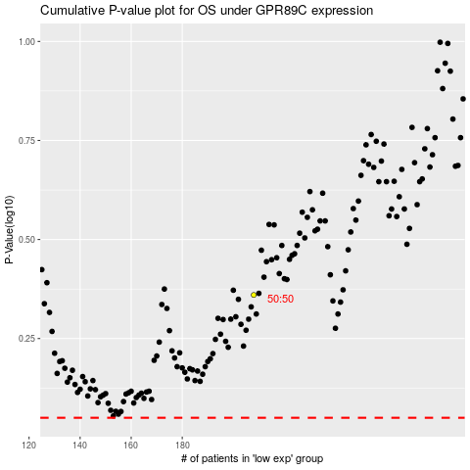

 |  |  |  |  |  | cases_OS | p_OS | rank | exp
 |  |  |  |  |  |  | cases_RFS | p_RFS | rank | exp

