GPR98 _multivariate
Reported by Tex Li-Hsing Chi. tex@gate.sinica.edu.tw 2019-08-19

Table 2. The clinicopathological features of HNSCC cohort and GPR98 expression. (Chi square test)
Cutoff at -0.25 (49.8%)
 |  | GPR98 expression |  | GPR98 expression |  | (Optimised)
 | Features | Low | (%) | High | (%) | Case no | P-value | Remark | Matthews
Gender | Female | 150 | 36.1 | 156 | 37.6 | 415 | 0.6344 | 0 | 0
2 | Male | 57 | 13.7 | 52 | 12.5
Age at diagnosis | <=65y | 135 | 32.5 | 139 | 33.5 | 415 | 0.8084 | 0 | 0
4 | >65y | 72 | 17.3 | 69 | 16.6
Clinical T Status | T1+T2 | 79 | 19 | 70 | 16.9 | 415 | 0.3924 | 0 | 0
6 | T3+T4 | 128 | 30.8 | 138 | 33.3
Clinical N Status | N0 | 105 | 25.3 | 111 | 26.7 | 415 | 0.6598 | 0 | 0
8 | N1-3 | 102 | 24.6 | 97 | 23.4
Clinical M Status | M0 | 207 | 49.9 | 205 | 49.4 | 415 | 0.2482 | 0 | 0
10 | M1 | 0 | 0 | 3 | 0.7
Clinical Stage | Stage I+II | 57 | 13.7 | 45 | 10.8 | 415 | 0.1998 | 0 | 0
12 | Stage III+IV | 150 | 36.1 | 163 | 39.3
Surgical Margin status | Negative | 159 | 38.3 | 159 | 38.3 | 415 | 1 | 0 | 0
14 | Positive | 48 | 11.6 | 49 | 11.8
Tobacco Exposure | Low | 89 | 21.4 | 72 | 17.3 | 415 | 0.0872 | 0 | 0
16 | High | 118 | 28.4 | 136 | 32.8

Table 3. Univariate/Multivariate Cox's proportional hazards regression analyses on OS time of GPR98 gene expression in HNSCC

 |  | Univariate |  |  |  | Multivariate
 | Features | HR | CI95%(L) | CI95%(H) | P-value | HR | CI95%(L) | CI95%(H) | P-value
1 | Female | 1 |  |  |  | 1
Gender | Male | 1.157 | 0.843 | 1.587 | 0.367 | 1.221 | 0.872 | 1.71 | 0.245
11 | <=65y | 1 |  |  |  | 1
Age at diagnosis | >65y | 1.329 | 0.99 | 1.784 | 0.058 | 1.369 | 1.005 | 1.865 | 0.046
12 | T1+T2 | 1 |  |  |  | 1
Clinical T Status | T3+T4 | 1.409 | 1.028 | 1.931 | 0.033 | 2.192 | 1.16 | 4.143 | 0.016
13 | N0 | 1 |  |  |  | 1
Clinical N Status | N1-3 | 1.185 | 0.89 | 1.577 | 0.246 | 1.216 | 0.85 | 1.739 | 0.284
14 | M0 | 1 |  |  |  | 1
Clinical M Status | M1 | 4.097 | 1.009 | 16.644 | 0.049 | 10.234 | 2.212 | 47.361 | 0.003
15 | Stage I+II | 1 |  |  |  | 1
Clinical Stage | Stage III+IV | 1.245 | 0.882 | 1.759 | 0.213 | 0.513 | 0.239 | 1.102 | 0.087
16 | Negative | 1 |  |  |  | 1
Surgical Margin status | Positive | 1.591 | 1.155 | 2.191 | 0.004 | 1.675 | 1.212 | 2.314 | 0.002
17 | Low | 1 |  |  |  | 1
Tobacco Exposure | High | 1.364 | 1.008 | 1.844 | 0.044 | 1.484 | 1.074 | 2.053 | 0.017
18 | Low | 1 |  |  |  | 1
RNAseq(z-score) | High | 0.888 | 0.667 | 1.183 | 0.417 | 0.857 | 0.639 | 1.151 | 0.306

Table 4. Univariate/Multivariate Cox's proportional hazards regression analyses on RFS time of GPR98 gene expression in HNSCC

 |  | Univariate |  |  |  | Multivariate
 | Features | HR | CI95%(L) | CI95%(H) | P-value | HR | CI95%(L) | CI95%(H) | P-value
1 | Female | 1 |  |  |  | 1
Gender | Male | 1.157 | 0.843 | 1.587 | 0.367 | 1.221 | 0.872 | 1.71 | 0.245
11 | <=65y | 1 |  |  |  | 1
Age at diagnosis | >65y | 1.329 | 0.99 | 1.784 | 0.058 | 1.369 | 1.005 | 1.865 | 0.046
12 | T1+T2 | 1 |  |  |  | 1
Clinical T Status | T3+T4 | 1.409 | 1.028 | 1.931 | 0.033 | 2.192 | 1.16 | 4.143 | 0.016
13 | N0 | 1 |  |  |  | 1
Clinical N Status | N1-3 | 1.185 | 0.89 | 1.577 | 0.246 | 1.216 | 0.85 | 1.739 | 0.284
14 | M0 | 1 |  |  |  | 1
Clinical M Status | M1 | 4.097 | 1.009 | 16.644 | 0.049 | 10.234 | 2.212 | 47.361 | 0.003
15 | Stage I+II | 1 |  |  |  | 1
Clinical Stage | Stage III+IV | 1.245 | 0.882 | 1.759 | 0.213 | 0.513 | 0.239 | 1.102 | 0.087
16 | Negative | 1 |  |  |  | 1
Surgical Margin status | Positive | 1.591 | 1.155 | 2.191 | 0.004 | 1.675 | 1.212 | 2.314 | 0.002
17 | Low | 1 |  |  |  | 1
Tobacco Exposure | High | 1.364 | 1.008 | 1.844 | 0.044 | 1.484 | 1.074 | 2.053 | 0.017
18 | Low | 1 |  |  |  | 1
RNAseq(z-score) | High | 0.888 | 0.667 | 1.183 | 0.417 | 0.857 | 0.639 | 1.151 | 0.306

Kaplan-Meier survival estimate: Cutoff at -0.25 (49.8%)



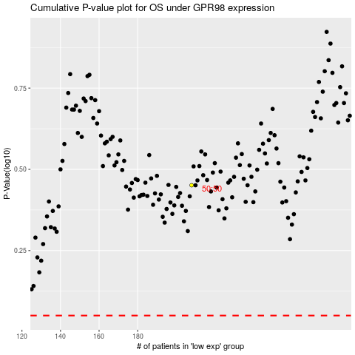

 |  |  |  |  |  | cases_OS | p_OS | rank | exp
 |  |  |  |  |  |  | cases_RFS | p_RFS | rank | exp

