GPRC5B _multivariate
Reported by Tex Li-Hsing Chi. tex@gate.sinica.edu.tw 2019-08-19

Table 2. The clinicopathological features of HNSCC cohort and GPRC5B expression. (Chi square test)
Cutoff at -0.332 (49.8%)
 |  | GPRC5B expression |  | GPRC5B expression |  | (Optimised)
 | Features | Low | (%) | High | (%) | Case no | P-value | Remark | Matthews
Gender | Female | 143 | 34.5 | 163 | 39.3 | 415 | 0.0416 | 1 | 0
2 | Male | 64 | 15.4 | 45 | 10.8
Age at diagnosis | <=65y | 131 | 31.6 | 143 | 34.5 | 415 | 0.2839 | 0 | 0
4 | >65y | 76 | 18.3 | 65 | 15.7
Clinical T Status | T1+T2 | 71 | 17.1 | 78 | 18.8 | 415 | 0.5638 | 0 | 0
6 | T3+T4 | 136 | 32.8 | 130 | 31.3
Clinical N Status | N0 | 106 | 25.5 | 110 | 26.5 | 415 | 0.8075 | 0 | 0
8 | N1-3 | 101 | 24.3 | 98 | 23.6
Clinical M Status | M0 | 204 | 49.2 | 208 | 50.1 | 415 | 0.1232 | 0 | 0
10 | M1 | 3 | 0.7 | 0 | 0
Clinical Stage | Stage I+II | 47 | 11.3 | 55 | 13.3 | 415 | 0.4413 | 0 | 0
12 | Stage III+IV | 160 | 38.6 | 153 | 36.9
Surgical Margin status | Negative | 155 | 37.3 | 163 | 39.3 | 415 | 0.4187 | 0 | 0
14 | Positive | 52 | 12.5 | 45 | 10.8
Tobacco Exposure | Low | 96 | 23.1 | 65 | 15.7 | 415 | 0.0018 | 1 | 0
16 | High | 111 | 26.7 | 143 | 34.5

Table 3. Univariate/Multivariate Cox's proportional hazards regression analyses on OS time of GPRC5B gene expression in HNSCC

 |  | Univariate |  |  |  | Multivariate
 | Features | HR | CI95%(L) | CI95%(H) | P-value | HR | CI95%(L) | CI95%(H) | P-value
1 | Female | 1 |  |  |  | 1
Gender | Male | 1.157 | 0.843 | 1.587 | 0.367 | 1.208 | 0.862 | 1.693 | 0.273
11 | <=65y | 1 |  |  |  | 1
Age at diagnosis | >65y | 1.329 | 0.99 | 1.784 | 0.058 | 1.394 | 1.025 | 1.896 | 0.034
12 | T1+T2 | 1 |  |  |  | 1
Clinical T Status | T3+T4 | 1.409 | 1.028 | 1.931 | 0.033 | 2.202 | 1.165 | 4.164 | 0.015
13 | N0 | 1 |  |  |  | 1
Clinical N Status | N1-3 | 1.185 | 0.89 | 1.577 | 0.246 | 1.239 | 0.868 | 1.768 | 0.237
14 | M0 | 1 |  |  |  | 1
Clinical M Status | M1 | 4.097 | 1.009 | 16.644 | 0.049 | 9.587 | 2.071 | 44.377 | 0.004
15 | Stage I+II | 1 |  |  |  | 1
Clinical Stage | Stage III+IV | 1.245 | 0.882 | 1.759 | 0.213 | 0.505 | 0.235 | 1.083 | 0.079
16 | Negative | 1 |  |  |  | 1
Surgical Margin status | Positive | 1.591 | 1.155 | 2.191 | 0.004 | 1.677 | 1.212 | 2.32 | 0.002
17 | Low | 1 |  |  |  | 1
Tobacco Exposure | High | 1.364 | 1.008 | 1.844 | 0.044 | 1.447 | 1.048 | 1.998 | 0.025
18 | Low | 1 |  |  |  | 1
RNAseq(z-score) | High | 0.986 | 0.74 | 1.314 | 0.924 | 1.033 | 0.767 | 1.393 | 0.829

Table 4. Univariate/Multivariate Cox's proportional hazards regression analyses on RFS time of GPRC5B gene expression in HNSCC

 |  | Univariate |  |  |  | Multivariate
 | Features | HR | CI95%(L) | CI95%(H) | P-value | HR | CI95%(L) | CI95%(H) | P-value
1 | Female | 1 |  |  |  | 1
Gender | Male | 1.157 | 0.843 | 1.587 | 0.367 | 1.208 | 0.862 | 1.693 | 0.273
11 | <=65y | 1 |  |  |  | 1
Age at diagnosis | >65y | 1.329 | 0.99 | 1.784 | 0.058 | 1.394 | 1.025 | 1.896 | 0.034
12 | T1+T2 | 1 |  |  |  | 1
Clinical T Status | T3+T4 | 1.409 | 1.028 | 1.931 | 0.033 | 2.202 | 1.165 | 4.164 | 0.015
13 | N0 | 1 |  |  |  | 1
Clinical N Status | N1-3 | 1.185 | 0.89 | 1.577 | 0.246 | 1.239 | 0.868 | 1.768 | 0.237
14 | M0 | 1 |  |  |  | 1
Clinical M Status | M1 | 4.097 | 1.009 | 16.644 | 0.049 | 9.587 | 2.071 | 44.377 | 0.004
15 | Stage I+II | 1 |  |  |  | 1
Clinical Stage | Stage III+IV | 1.245 | 0.882 | 1.759 | 0.213 | 0.505 | 0.235 | 1.083 | 0.079
16 | Negative | 1 |  |  |  | 1
Surgical Margin status | Positive | 1.591 | 1.155 | 2.191 | 0.004 | 1.677 | 1.212 | 2.32 | 0.002
17 | Low | 1 |  |  |  | 1
Tobacco Exposure | High | 1.364 | 1.008 | 1.844 | 0.044 | 1.447 | 1.048 | 1.998 | 0.025
18 | Low | 1 |  |  |  | 1
RNAseq(z-score) | High | 0.986 | 0.74 | 1.314 | 0.924 | 1.033 | 0.767 | 1.393 | 0.829

Kaplan-Meier survival estimate: Cutoff at -0.332 (49.8%)



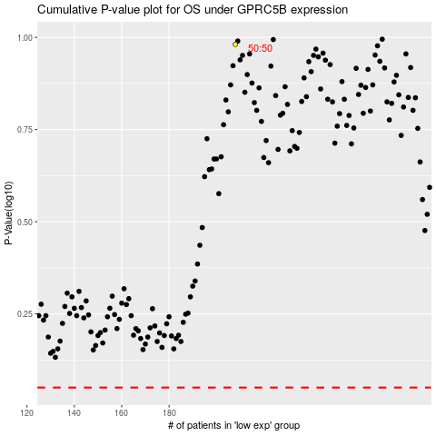

 |  |  |  |  |  | cases_OS | p_OS | rank | exp
 |  |  |  |  |  |  | cases_RFS | p_RFS | rank | exp

