GPRC5C _multivariate
Reported by Tex Li-Hsing Chi. tex@gate.sinica.edu.tw 2019-08-19

Table 2. The clinicopathological features of HNSCC cohort and GPRC5C expression. (Chi square test)
Cutoff at -0.321 (50.0%)
 |  | GPRC5C expression |  | GPRC5C expression |  | (Optimised)
 | Features | Low | (%) | High | (%) | Case no | P-value | Remark | Matthews
Gender | Female | 158 | 38.1 | 148 | 35.7 | 415 | 0.2774 | 0 | 0
2 | Male | 49 | 11.8 | 60 | 14.5
Age at diagnosis | <=65y | 135 | 32.5 | 139 | 33.5 | 415 | 0.8084 | 0 | 0
4 | >65y | 72 | 17.3 | 69 | 16.6
Clinical T Status | T1+T2 | 64 | 15.4 | 85 | 20.5 | 415 | 0.0445 | 1 | 0
6 | T3+T4 | 143 | 34.5 | 123 | 29.6
Clinical N Status | N0 | 99 | 23.9 | 117 | 28.2 | 415 | 0.1054 | 0 | 0
8 | N1-3 | 108 | 26 | 91 | 21.9
Clinical M Status | M0 | 206 | 49.6 | 206 | 49.6 | 415 | 1 | 0 | 0
10 | M1 | 1 | 0.2 | 2 | 0.5
Clinical Stage | Stage I+II | 40 | 9.6 | 62 | 14.9 | 415 | 0.018 | 1 | 0
12 | Stage III+IV | 167 | 40.2 | 146 | 35.2
Surgical Margin status | Negative | 159 | 38.3 | 159 | 38.3 | 415 | 1 | 0 | 0
14 | Positive | 48 | 11.6 | 49 | 11.8
Tobacco Exposure | Low | 80 | 19.3 | 81 | 19.5 | 415 | 1 | 0 | 0
16 | High | 127 | 30.6 | 127 | 30.6

Table 3. Univariate/Multivariate Cox's proportional hazards regression analyses on OS time of GPRC5C gene expression in HNSCC

 |  | Univariate |  |  |  | Multivariate
 | Features | HR | CI95%(L) | CI95%(H) | P-value | HR | CI95%(L) | CI95%(H) | P-value
1 | Female | 1 |  |  |  | 1
Gender | Male | 1.157 | 0.843 | 1.587 | 0.367 | 1.204 | 0.862 | 1.68 | 0.276
11 | <=65y | 1 |  |  |  | 1
Age at diagnosis | >65y | 1.329 | 0.99 | 1.784 | 0.058 | 1.388 | 1.022 | 1.886 | 0.036
12 | T1+T2 | 1 |  |  |  | 1
Clinical T Status | T3+T4 | 1.409 | 1.028 | 1.931 | 0.033 | 2.184 | 1.155 | 4.131 | 0.016
13 | N0 | 1 |  |  |  | 1
Clinical N Status | N1-3 | 1.185 | 0.89 | 1.577 | 0.246 | 1.234 | 0.865 | 1.761 | 0.246
14 | M0 | 1 |  |  |  | 1
Clinical M Status | M1 | 4.097 | 1.009 | 16.644 | 0.049 | 9.189 | 2.003 | 42.17 | 0.004
15 | Stage I+II | 1 |  |  |  | 1
Clinical Stage | Stage III+IV | 1.245 | 0.882 | 1.759 | 0.213 | 0.516 | 0.24 | 1.108 | 0.09
16 | Negative | 1 |  |  |  | 1
Surgical Margin status | Positive | 1.591 | 1.155 | 2.191 | 0.004 | 1.658 | 1.199 | 2.293 | 0.002
17 | Low | 1 |  |  |  | 1
Tobacco Exposure | High | 1.364 | 1.008 | 1.844 | 0.044 | 1.448 | 1.051 | 1.993 | 0.023
18 | Low | 1 |  |  |  | 1
RNAseq(z-score) | High | 1.148 | 0.861 | 1.531 | 0.346 | 1.123 | 0.839 | 1.503 | 0.435

Table 4. Univariate/Multivariate Cox's proportional hazards regression analyses on RFS time of GPRC5C gene expression in HNSCC

 |  | Univariate |  |  |  | Multivariate
 | Features | HR | CI95%(L) | CI95%(H) | P-value | HR | CI95%(L) | CI95%(H) | P-value
1 | Female | 1 |  |  |  | 1
Gender | Male | 1.157 | 0.843 | 1.587 | 0.367 | 1.204 | 0.862 | 1.68 | 0.276
11 | <=65y | 1 |  |  |  | 1
Age at diagnosis | >65y | 1.329 | 0.99 | 1.784 | 0.058 | 1.388 | 1.022 | 1.886 | 0.036
12 | T1+T2 | 1 |  |  |  | 1
Clinical T Status | T3+T4 | 1.409 | 1.028 | 1.931 | 0.033 | 2.184 | 1.155 | 4.131 | 0.016
13 | N0 | 1 |  |  |  | 1
Clinical N Status | N1-3 | 1.185 | 0.89 | 1.577 | 0.246 | 1.234 | 0.865 | 1.761 | 0.246
14 | M0 | 1 |  |  |  | 1
Clinical M Status | M1 | 4.097 | 1.009 | 16.644 | 0.049 | 9.189 | 2.003 | 42.17 | 0.004
15 | Stage I+II | 1 |  |  |  | 1
Clinical Stage | Stage III+IV | 1.245 | 0.882 | 1.759 | 0.213 | 0.516 | 0.24 | 1.108 | 0.09
16 | Negative | 1 |  |  |  | 1
Surgical Margin status | Positive | 1.591 | 1.155 | 2.191 | 0.004 | 1.658 | 1.199 | 2.293 | 0.002
17 | Low | 1 |  |  |  | 1
Tobacco Exposure | High | 1.364 | 1.008 | 1.844 | 0.044 | 1.448 | 1.051 | 1.993 | 0.023
18 | Low | 1 |  |  |  | 1
RNAseq(z-score) | High | 1.148 | 0.861 | 1.531 | 0.346 | 1.123 | 0.839 | 1.503 | 0.435

Kaplan-Meier survival estimate: Cutoff at -0.321 (50.0%)



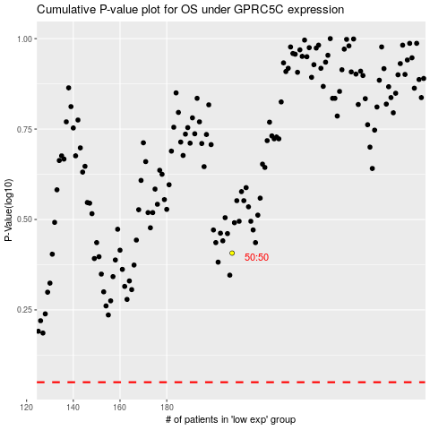

 |  |  |  |  |  | cases_OS | p_OS | rank | exp
 |  |  |  |  |  |  | cases_RFS | p_RFS | rank | exp

