GPRC5D _multivariate
Reported by Tex Li-Hsing Chi. tex@gate.sinica.edu.tw 2019-08-19

Table 2. The clinicopathological features of HNSCC cohort and GPRC5D expression. (Chi square test)
Cutoff at -0.299 (30.0%)
 |  | GPRC5D expression |  | GPRC5D expression |  | (Optimised)
 | Features | Low | (%) | High | (%) | Case no | P-value | Remark | Matthews
Gender | Female | 88 | 21.2 | 218 | 52.5 | 415 | 0.3724 | 0 | 0
2 | Male | 37 | 8.9 | 72 | 17.3
Age at diagnosis | <=65y | 79 | 19 | 195 | 47 | 415 | 0.4936 | 0 | 0
4 | >65y | 46 | 11.1 | 95 | 22.9
Clinical T Status | T1+T2 | 52 | 12.5 | 97 | 23.4 | 415 | 0.1398 | 0 | 0
6 | T3+T4 | 73 | 17.6 | 193 | 46.5
Clinical N Status | N0 | 57 | 13.7 | 159 | 38.3 | 415 | 0.1054 | 0 | 0
8 | N1-3 | 68 | 16.4 | 131 | 31.6
Clinical M Status | M0 | 123 | 29.6 | 289 | 69.6 | 415 | 0.2169 | 0 | 0
10 | M1 | 2 | 0.5 | 1 | 0.2
Clinical Stage | Stage I+II | 34 | 8.2 | 68 | 16.4 | 415 | 0.4901 | 0 | 0
12 | Stage III+IV | 91 | 21.9 | 222 | 53.5
Surgical Margin status | Negative | 96 | 23.1 | 222 | 53.5 | 415 | 1 | 0 | 0
14 | Positive | 29 | 7 | 68 | 16.4
Tobacco Exposure | Low | 57 | 13.7 | 104 | 25.1 | 415 | 0.0787 | 0 | 0
16 | High | 68 | 16.4 | 186 | 44.8

Table 3. Univariate/Multivariate Cox's proportional hazards regression analyses on OS time of GPRC5D gene expression in HNSCC

 |  | Univariate |  |  |  | Multivariate
 | Features | HR | CI95%(L) | CI95%(H) | P-value | HR | CI95%(L) | CI95%(H) | P-value
1 | Female | 1 |  |  |  | 1
Gender | Male | 1.157 | 0.843 | 1.587 | 0.367 | 1.165 | 0.832 | 1.63 | 0.374
11 | <=65y | 1 |  |  |  | 1
Age at diagnosis | >65y | 1.329 | 0.99 | 1.784 | 0.058 | 1.389 | 1.02 | 1.89 | 0.037
12 | T1+T2 | 1 |  |  |  | 1
Clinical T Status | T3+T4 | 1.409 | 1.028 | 1.931 | 0.033 | 2.252 | 1.191 | 4.258 | 0.013
13 | N0 | 1 |  |  |  | 1
Clinical N Status | N1-3 | 1.185 | 0.89 | 1.577 | 0.246 | 1.165 | 0.814 | 1.667 | 0.405
14 | M0 | 1 |  |  |  | 1
Clinical M Status | M1 | 4.097 | 1.009 | 16.644 | 0.049 | 7.631 | 1.654 | 35.205 | 0.009
15 | Stage I+II | 1 |  |  |  | 1
Clinical Stage | Stage III+IV | 1.245 | 0.882 | 1.759 | 0.213 | 0.544 | 0.253 | 1.172 | 0.12
16 | Negative | 1 |  |  |  | 1
Surgical Margin status | Positive | 1.591 | 1.155 | 2.191 | 0.004 | 1.693 | 1.225 | 2.339 | 0.001
17 | Low | 1 |  |  |  | 1
Tobacco Exposure | High | 1.364 | 1.008 | 1.844 | 0.044 | 1.56 | 1.125 | 2.163 | 0.008
18 | Low | 1 |  |  |  | 1
RNAseq(z-score) | High | 0.651 | 0.482 | 0.88 | 0.005 | 0.616 | 0.45 | 0.844 | 0.003

Table 4. Univariate/Multivariate Cox's proportional hazards regression analyses on RFS time of GPRC5D gene expression in HNSCC

 |  | Univariate |  |  |  | Multivariate
 | Features | HR | CI95%(L) | CI95%(H) | P-value | HR | CI95%(L) | CI95%(H) | P-value
1 | Female | 1 |  |  |  | 1
Gender | Male | 1.157 | 0.843 | 1.587 | 0.367 | 1.165 | 0.832 | 1.63 | 0.374
11 | <=65y | 1 |  |  |  | 1
Age at diagnosis | >65y | 1.329 | 0.99 | 1.784 | 0.058 | 1.389 | 1.02 | 1.89 | 0.037
12 | T1+T2 | 1 |  |  |  | 1
Clinical T Status | T3+T4 | 1.409 | 1.028 | 1.931 | 0.033 | 2.252 | 1.191 | 4.258 | 0.013
13 | N0 | 1 |  |  |  | 1
Clinical N Status | N1-3 | 1.185 | 0.89 | 1.577 | 0.246 | 1.165 | 0.814 | 1.667 | 0.405
14 | M0 | 1 |  |  |  | 1
Clinical M Status | M1 | 4.097 | 1.009 | 16.644 | 0.049 | 7.631 | 1.654 | 35.205 | 0.009
15 | Stage I+II | 1 |  |  |  | 1
Clinical Stage | Stage III+IV | 1.245 | 0.882 | 1.759 | 0.213 | 0.544 | 0.253 | 1.172 | 0.12
16 | Negative | 1 |  |  |  | 1
Surgical Margin status | Positive | 1.591 | 1.155 | 2.191 | 0.004 | 1.693 | 1.225 | 2.339 | 0.001
17 | Low | 1 |  |  |  | 1
Tobacco Exposure | High | 1.364 | 1.008 | 1.844 | 0.044 | 1.56 | 1.125 | 2.163 | 0.008
18 | Low | 1 |  |  |  | 1
RNAseq(z-score) | High | 0.651 | 0.482 | 0.88 | 0.005 | 0.616 | 0.45 | 0.844 | 0.003

Kaplan-Meier survival estimate: Cutoff at -0.299 (30.0%)

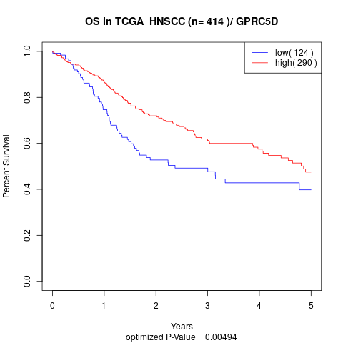

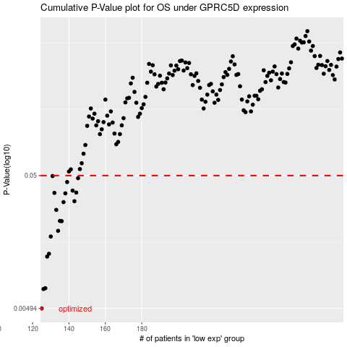

 |  |  |  |  |  | cases_OS | p_OS | rank | exp
 |  |  |  |  |  | 125 | 0.00494 | 59 | -0.29894424502
 |  |  |  |  |  | 126 | 0.00693 | 306 | -0.29778257322
 |  |  |  |  |  | 127 | 0.00703 | 188 | -0.29629516003
 |  |  |  |  |  | 128 | 0.0122 | 315 | -0.29627706328
 |  |  |  |  |  | 129 | 0.0128 | 128 | -0.29525250913
 |  |  |  |  |  | 130 | 0.0173 | 245 | -0.29516689761
 |  |  |  |  |  | 134 | 0.0191 | 294 | -0.29336000727
 |  |  |  |  |  | 136 | 0.0226 | 51 | -0.2927335815
 |  |  |  |  |  | 135 | 0.0227 | 10 | -0.29332590187
 |  |  |  |  |  | 133 | 0.0275 | 223 | -0.29376996814
 |  |  |  |  |  | 137 | 0.0315 | 104 | -0.29264448983
 |  |  |  |  |  | 143 | 0.032 | 354 | -0.29145219278
 |  |  |  |  |  | 138 | 0.0367 | 93 | -0.29254913391
 |  |  |  |  |  | 132 | 0.037 | 137 | -0.29445346826
 |  |  |  |  |  | 144 | 0.0372 | 112 | -0.29139511843
 |  |  |  |  |  | 142 | 0.0385 | 267 | -0.29157121368
 |  |  |  |  |  | 139 | 0.0447 | 290 | -0.29226097806
 |  |  |  |  |  | 145 | 0.0478 | 5 | -0.29129141017
 |  |  |  |  |  | 131 | 0.0496 | 58 | -0.2946149469
 |  |  |  |  |  |  | cases_RFS | p_RFS | rank | exp
 |  |  |  |  |  |  |  | 0.00494 | 143 | -0.29896442985
 |  |  |  |  |  |  | 125 | 0.00693 | 59 | -0.29894424502
 |  |  |  |  |  |  | 126 | 0.00703 | 306 | -0.29778257322
 |  |  |  |  |  |  | 127 | 0.0122 | 188 | -0.29629516003
 |  |  |  |  |  |  | 128 | 0.0128 | 315 | -0.29627706328
 |  |  |  |  |  |  | 129 | 0.0173 | 128 | -0.29525250913
 |  |  |  |  |  |  | 133 | 0.0191 | 223 | -0.29376996814
 |  |  |  |  |  |  | 135 | 0.0226 | 10 | -0.29332590187
 |  |  |  |  |  |  | 134 | 0.0227 | 294 | -0.29336000727
 |  |  |  |  |  |  | 132 | 0.0275 | 137 | -0.29445346826
 |  |  |  |  |  |  | 136 | 0.0315 | 51 | -0.2927335815
 |  |  |  |  |  |  | 142 | 0.032 | 267 | -0.29157121368
 |  |  |  |  |  |  | 137 | 0.0367 | 104 | -0.29264448983
 |  |  |  |  |  |  | 131 | 0.037 | 58 | -0.2946149469
 |  |  |  |  |  |  | 143 | 0.0372 | 354 | -0.29145219278
 |  |  |  |  |  |  | 141 | 0.0385 | 274 | -0.29185032116
 |  |  |  |  |  |  | 138 | 0.0447 | 93 | -0.29254913391
 |  |  |  |  |  |  | 144 | 0.0478 | 112 | -0.29139511843
 |  |  |  |  |  |  | 130 | 0.0496 | 245 | -0.29516689761

