GPRIN1 _multivariate
Reported by Tex Li-Hsing Chi. tex@gate.sinica.edu.tw 2019-08-19

Table 2. The clinicopathological features of HNSCC cohort and GPRIN1 expression. (Chi square test)
Cutoff at -0.086 (50.0%)
 |  | GPRIN1 expression |  | GPRIN1 expression |  | (Optimised)
 | Features | Low | (%) | High | (%) | Case no | P-value | Remark | Matthews
Gender | Female | 156 | 37.6 | 150 | 36.1 | 415 | 0.5222 | 0 | 0
2 | Male | 51 | 12.3 | 58 | 14
Age at diagnosis | <=65y | 138 | 33.3 | 136 | 32.8 | 415 | 0.8634 | 0 | 0
4 | >65y | 69 | 16.6 | 72 | 17.3
Clinical T Status | T1+T2 | 74 | 17.8 | 75 | 18.1 | 415 | 1 | 0 | 0
6 | T3+T4 | 133 | 32 | 133 | 32
Clinical N Status | N0 | 109 | 26.3 | 107 | 25.8 | 415 | 0.8812 | 0 | 0
8 | N1-3 | 98 | 23.6 | 101 | 24.3
Clinical M Status | M0 | 207 | 49.9 | 205 | 49.4 | 415 | 0.2482 | 0 | 0
10 | M1 | 0 | 0 | 3 | 0.7
Clinical Stage | Stage I+II | 52 | 12.5 | 50 | 12 | 415 | 0.8871 | 0 | 0
12 | Stage III+IV | 155 | 37.3 | 158 | 38.1
Surgical Margin status | Negative | 162 | 39 | 156 | 37.6 | 415 | 0.4867 | 0 | 0
14 | Positive | 45 | 10.8 | 52 | 12.5
Tobacco Exposure | Low | 77 | 18.6 | 84 | 20.2 | 415 | 0.5459 | 0 | 0
16 | High | 130 | 31.3 | 124 | 29.9

Table 3. Univariate/Multivariate Cox's proportional hazards regression analyses on OS time of GPRIN1 gene expression in HNSCC

 |  | Univariate |  |  |  | Multivariate
 | Features | HR | CI95%(L) | CI95%(H) | P-value | HR | CI95%(L) | CI95%(H) | P-value
1 | Female | 1 |  |  |  | 1
Gender | Male | 1.157 | 0.843 | 1.587 | 0.367 | 1.21 | 0.865 | 1.694 | 0.266
11 | <=65y | 1 |  |  |  | 1
Age at diagnosis | >65y | 1.329 | 0.99 | 1.784 | 0.058 | 1.392 | 1.024 | 1.893 | 0.035
12 | T1+T2 | 1 |  |  |  | 1
Clinical T Status | T3+T4 | 1.409 | 1.028 | 1.931 | 0.033 | 2.203 | 1.165 | 4.164 | 0.015
13 | N0 | 1 |  |  |  | 1
Clinical N Status | N1-3 | 1.185 | 0.89 | 1.577 | 0.246 | 1.241 | 0.87 | 1.771 | 0.233
14 | M0 | 1 |  |  |  | 1
Clinical M Status | M1 | 4.097 | 1.009 | 16.644 | 0.049 | 9.673 | 2.094 | 44.678 | 0.004
15 | Stage I+II | 1 |  |  |  | 1
Clinical Stage | Stage III+IV | 1.245 | 0.882 | 1.759 | 0.213 | 0.506 | 0.236 | 1.087 | 0.081
16 | Negative | 1 |  |  |  | 1
Surgical Margin status | Positive | 1.591 | 1.155 | 2.191 | 0.004 | 1.674 | 1.211 | 2.313 | 0.002
17 | Low | 1 |  |  |  | 1
Tobacco Exposure | High | 1.364 | 1.008 | 1.844 | 0.044 | 1.444 | 1.047 | 1.993 | 0.025
18 | Low | 1 |  |  |  | 1
RNAseq(z-score) | High | 0.986 | 0.74 | 1.315 | 0.924 | 0.947 | 0.706 | 1.271 | 0.718

Table 4. Univariate/Multivariate Cox's proportional hazards regression analyses on RFS time of GPRIN1 gene expression in HNSCC

 |  | Univariate |  |  |  | Multivariate
 | Features | HR | CI95%(L) | CI95%(H) | P-value | HR | CI95%(L) | CI95%(H) | P-value
1 | Female | 1 |  |  |  | 1
Gender | Male | 1.157 | 0.843 | 1.587 | 0.367 | 1.21 | 0.865 | 1.694 | 0.266
11 | <=65y | 1 |  |  |  | 1
Age at diagnosis | >65y | 1.329 | 0.99 | 1.784 | 0.058 | 1.392 | 1.024 | 1.893 | 0.035
12 | T1+T2 | 1 |  |  |  | 1
Clinical T Status | T3+T4 | 1.409 | 1.028 | 1.931 | 0.033 | 2.203 | 1.165 | 4.164 | 0.015
13 | N0 | 1 |  |  |  | 1
Clinical N Status | N1-3 | 1.185 | 0.89 | 1.577 | 0.246 | 1.241 | 0.87 | 1.771 | 0.233
14 | M0 | 1 |  |  |  | 1
Clinical M Status | M1 | 4.097 | 1.009 | 16.644 | 0.049 | 9.673 | 2.094 | 44.678 | 0.004
15 | Stage I+II | 1 |  |  |  | 1
Clinical Stage | Stage III+IV | 1.245 | 0.882 | 1.759 | 0.213 | 0.506 | 0.236 | 1.087 | 0.081
16 | Negative | 1 |  |  |  | 1
Surgical Margin status | Positive | 1.591 | 1.155 | 2.191 | 0.004 | 1.674 | 1.211 | 2.313 | 0.002
17 | Low | 1 |  |  |  | 1
Tobacco Exposure | High | 1.364 | 1.008 | 1.844 | 0.044 | 1.444 | 1.047 | 1.993 | 0.025
18 | Low | 1 |  |  |  | 1
RNAseq(z-score) | High | 0.986 | 0.74 | 1.315 | 0.924 | 0.947 | 0.706 | 1.271 | 0.718

Kaplan-Meier survival estimate: Cutoff at -0.086 (50.0%)



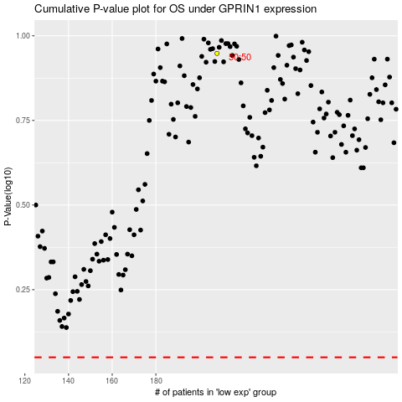

 |  |  |  |  |  | cases_OS | p_OS | rank | exp
 |  |  |  |  |  |  | cases_RFS | p_RFS | rank | exp

