GPRIN3 _multivariate
Reported by Tex Li-Hsing Chi. tex@gate.sinica.edu.tw 2019-08-19

Table 2. The clinicopathological features of HNSCC cohort and GPRIN3 expression. (Chi square test)
Cutoff at -0.32 (49.8%)
 |  | GPRIN3 expression |  | GPRIN3 expression |  | (Optimised)
 | Features | Low | (%) | High | (%) | Case no | P-value | Remark | Matthews
Gender | Female | 162 | 39 | 144 | 34.7 | 415 | 0.0479 | 1 | 0
2 | Male | 45 | 10.8 | 64 | 15.4
Age at diagnosis | <=65y | 145 | 34.9 | 129 | 31.1 | 415 | 0.1046 | 0 | 0
4 | >65y | 62 | 14.9 | 79 | 19
Clinical T Status | T1+T2 | 71 | 17.1 | 78 | 18.8 | 415 | 0.5638 | 0 | 0
6 | T3+T4 | 136 | 32.8 | 130 | 31.3
Clinical N Status | N0 | 113 | 27.2 | 103 | 24.8 | 415 | 0.3495 | 1 | 0
8 | N1-3 | 94 | 22.7 | 105 | 25.3
Clinical M Status | M0 | 204 | 49.2 | 208 | 50.1 | 415 | 0.1232 | 0 | 0
10 | M1 | 3 | 0.7 | 0 | 0
Clinical Stage | Stage I+II | 52 | 12.5 | 50 | 12 | 415 | 0.8871 | 0 | 0
12 | Stage III+IV | 155 | 37.3 | 158 | 38.1
Surgical Margin status | Negative | 151 | 36.4 | 167 | 40.2 | 415 | 0.0828 | 0 | 0
14 | Positive | 56 | 13.5 | 41 | 9.9
Tobacco Exposure | Low | 76 | 18.3 | 85 | 20.5 | 415 | 0.4207 | 0 | 0
16 | High | 131 | 31.6 | 123 | 29.6

Table 3. Univariate/Multivariate Cox's proportional hazards regression analyses on OS time of GPRIN3 gene expression in HNSCC

 |  | Univariate |  |  |  | Multivariate
 | Features | HR | CI95%(L) | CI95%(H) | P-value | HR | CI95%(L) | CI95%(H) | P-value
1 | Female | 1 |  |  |  | 1
Gender | Male | 1.157 | 0.843 | 1.587 | 0.367 | 1.206 | 0.862 | 1.685 | 0.274
11 | <=65y | 1 |  |  |  | 1
Age at diagnosis | >65y | 1.329 | 0.99 | 1.784 | 0.058 | 1.41 | 1.037 | 1.916 | 0.028
12 | T1+T2 | 1 |  |  |  | 1
Clinical T Status | T3+T4 | 1.409 | 1.028 | 1.931 | 0.033 | 2.157 | 1.14 | 4.082 | 0.018
13 | N0 | 1 |  |  |  | 1
Clinical N Status | N1-3 | 1.185 | 0.89 | 1.577 | 0.246 | 1.257 | 0.881 | 1.794 | 0.207
14 | M0 | 1 |  |  |  | 1
Clinical M Status | M1 | 4.097 | 1.009 | 16.644 | 0.049 | 8.422 | 1.818 | 39.02 | 0.006
15 | Stage I+II | 1 |  |  |  | 1
Clinical Stage | Stage III+IV | 1.245 | 0.882 | 1.759 | 0.213 | 0.516 | 0.24 | 1.107 | 0.089
16 | Negative | 1 |  |  |  | 1
Surgical Margin status | Positive | 1.591 | 1.155 | 2.191 | 0.004 | 1.633 | 1.179 | 2.261 | 0.003
17 | Low | 1 |  |  |  | 1
Tobacco Exposure | High | 1.364 | 1.008 | 1.844 | 0.044 | 1.421 | 1.029 | 1.961 | 0.033
18 | Low | 1 |  |  |  | 1
RNAseq(z-score) | High | 0.792 | 0.595 | 1.055 | 0.112 | 0.842 | 0.626 | 1.13 | 0.252

Table 4. Univariate/Multivariate Cox's proportional hazards regression analyses on RFS time of GPRIN3 gene expression in HNSCC

 |  | Univariate |  |  |  | Multivariate
 | Features | HR | CI95%(L) | CI95%(H) | P-value | HR | CI95%(L) | CI95%(H) | P-value
1 | Female | 1 |  |  |  | 1
Gender | Male | 1.157 | 0.843 | 1.587 | 0.367 | 1.206 | 0.862 | 1.685 | 0.274
11 | <=65y | 1 |  |  |  | 1
Age at diagnosis | >65y | 1.329 | 0.99 | 1.784 | 0.058 | 1.41 | 1.037 | 1.916 | 0.028
12 | T1+T2 | 1 |  |  |  | 1
Clinical T Status | T3+T4 | 1.409 | 1.028 | 1.931 | 0.033 | 2.157 | 1.14 | 4.082 | 0.018
13 | N0 | 1 |  |  |  | 1
Clinical N Status | N1-3 | 1.185 | 0.89 | 1.577 | 0.246 | 1.257 | 0.881 | 1.794 | 0.207
14 | M0 | 1 |  |  |  | 1
Clinical M Status | M1 | 4.097 | 1.009 | 16.644 | 0.049 | 8.422 | 1.818 | 39.02 | 0.006
15 | Stage I+II | 1 |  |  |  | 1
Clinical Stage | Stage III+IV | 1.245 | 0.882 | 1.759 | 0.213 | 0.516 | 0.24 | 1.107 | 0.089
16 | Negative | 1 |  |  |  | 1
Surgical Margin status | Positive | 1.591 | 1.155 | 2.191 | 0.004 | 1.633 | 1.179 | 2.261 | 0.003
17 | Low | 1 |  |  |  | 1
Tobacco Exposure | High | 1.364 | 1.008 | 1.844 | 0.044 | 1.421 | 1.029 | 1.961 | 0.033
18 | Low | 1 |  |  |  | 1
RNAseq(z-score) | High | 0.792 | 0.595 | 1.055 | 0.112 | 0.842 | 0.626 | 1.13 | 0.252

Kaplan-Meier survival estimate: Cutoff at -0.32 (49.8%)



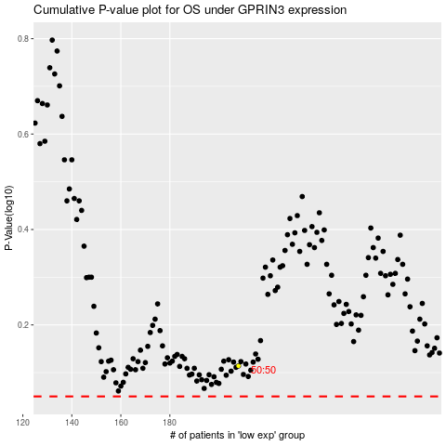

 |  |  |  |  |  | cases_OS | p_OS | rank | exp
 |  |  |  |  |  |  | cases_RFS | p_RFS | rank | exp

