GPSM1 _multivariate
Reported by Tex Li-Hsing Chi. tex@gate.sinica.edu.tw 2019-08-19

Table 2. The clinicopathological features of HNSCC cohort and GPSM1 expression. (Chi square test)
Cutoff at -0.155 (50.0%)
 |  | GPSM1 expression |  | GPSM1 expression |  | (Optimised)
 | Features | Low | (%) | High | (%) | Case no | P-value | Remark | Matthews
Gender | Female | 147 | 35.4 | 159 | 38.3 | 415 | 0.2523 | 0 | 0
2 | Male | 60 | 14.5 | 49 | 11.8
Age at diagnosis | <=65y | 140 | 33.7 | 134 | 32.3 | 415 | 0.5574 | 0 | 0
4 | >65y | 67 | 16.1 | 74 | 17.8
Clinical T Status | T1+T2 | 92 | 22.2 | 57 | 13.7 | 415 | 4e-04 | 1 | 0
6 | T3+T4 | 115 | 27.7 | 151 | 36.4
Clinical N Status | N0 | 111 | 26.7 | 105 | 25.3 | 415 | 0.5875 | 0 | 0
8 | N1-3 | 96 | 23.1 | 103 | 24.8
Clinical M Status | M0 | 206 | 49.6 | 206 | 49.6 | 415 | 1 | 0 | 0
10 | M1 | 1 | 0.2 | 2 | 0.5
Clinical Stage | Stage I+II | 65 | 15.7 | 37 | 8.9 | 415 | 0.0019 | 1 | 0
12 | Stage III+IV | 142 | 34.2 | 171 | 41.2
Surgical Margin status | Negative | 161 | 38.8 | 157 | 37.8 | 415 | 0.6429 | 0 | 0
14 | Positive | 46 | 11.1 | 51 | 12.3
Tobacco Exposure | Low | 93 | 22.4 | 68 | 16.4 | 415 | 0.0118 | 1 | 0
16 | High | 114 | 27.5 | 140 | 33.7

Table 3. Univariate/Multivariate Cox's proportional hazards regression analyses on OS time of GPSM1 gene expression in HNSCC

 |  | Univariate |  |  |  | Multivariate
 | Features | HR | CI95%(L) | CI95%(H) | P-value | HR | CI95%(L) | CI95%(H) | P-value
1 | Female | 1 |  |  |  | 1
Gender | Male | 1.157 | 0.843 | 1.587 | 0.367 | 1.196 | 0.856 | 1.671 | 0.293
11 | <=65y | 1 |  |  |  | 1
Age at diagnosis | >65y | 1.329 | 0.99 | 1.784 | 0.058 | 1.406 | 1.033 | 1.915 | 0.03
12 | T1+T2 | 1 |  |  |  | 1
Clinical T Status | T3+T4 | 1.409 | 1.028 | 1.931 | 0.033 | 2.233 | 1.179 | 4.229 | 0.014
13 | N0 | 1 |  |  |  | 1
Clinical N Status | N1-3 | 1.185 | 0.89 | 1.577 | 0.246 | 1.236 | 0.866 | 1.764 | 0.242
14 | M0 | 1 |  |  |  | 1
Clinical M Status | M1 | 4.097 | 1.009 | 16.644 | 0.049 | 9.572 | 2.085 | 43.937 | 0.004
15 | Stage I+II | 1 |  |  |  | 1
Clinical Stage | Stage III+IV | 1.245 | 0.882 | 1.759 | 0.213 | 0.506 | 0.236 | 1.085 | 0.08
16 | Negative | 1 |  |  |  | 1
Surgical Margin status | Positive | 1.591 | 1.155 | 2.191 | 0.004 | 1.682 | 1.216 | 2.326 | 0.002
17 | Low | 1 |  |  |  | 1
Tobacco Exposure | High | 1.364 | 1.008 | 1.844 | 0.044 | 1.46 | 1.059 | 2.011 | 0.021
18 | Low | 1 |  |  |  | 1
RNAseq(z-score) | High | 1.019 | 0.764 | 1.358 | 0.9 | 0.916 | 0.682 | 1.231 | 0.562

Table 4. Univariate/Multivariate Cox's proportional hazards regression analyses on RFS time of GPSM1 gene expression in HNSCC

 |  | Univariate |  |  |  | Multivariate
 | Features | HR | CI95%(L) | CI95%(H) | P-value | HR | CI95%(L) | CI95%(H) | P-value
1 | Female | 1 |  |  |  | 1
Gender | Male | 1.157 | 0.843 | 1.587 | 0.367 | 1.196 | 0.856 | 1.671 | 0.293
11 | <=65y | 1 |  |  |  | 1
Age at diagnosis | >65y | 1.329 | 0.99 | 1.784 | 0.058 | 1.406 | 1.033 | 1.915 | 0.03
12 | T1+T2 | 1 |  |  |  | 1
Clinical T Status | T3+T4 | 1.409 | 1.028 | 1.931 | 0.033 | 2.233 | 1.179 | 4.229 | 0.014
13 | N0 | 1 |  |  |  | 1
Clinical N Status | N1-3 | 1.185 | 0.89 | 1.577 | 0.246 | 1.236 | 0.866 | 1.764 | 0.242
14 | M0 | 1 |  |  |  | 1
Clinical M Status | M1 | 4.097 | 1.009 | 16.644 | 0.049 | 9.572 | 2.085 | 43.937 | 0.004
15 | Stage I+II | 1 |  |  |  | 1
Clinical Stage | Stage III+IV | 1.245 | 0.882 | 1.759 | 0.213 | 0.506 | 0.236 | 1.085 | 0.08
16 | Negative | 1 |  |  |  | 1
Surgical Margin status | Positive | 1.591 | 1.155 | 2.191 | 0.004 | 1.682 | 1.216 | 2.326 | 0.002
17 | Low | 1 |  |  |  | 1
Tobacco Exposure | High | 1.364 | 1.008 | 1.844 | 0.044 | 1.46 | 1.059 | 2.011 | 0.021
18 | Low | 1 |  |  |  | 1
RNAseq(z-score) | High | 1.019 | 0.764 | 1.358 | 0.9 | 0.916 | 0.682 | 1.231 | 0.562

Kaplan-Meier survival estimate: Cutoff at -0.155 (50.0%)



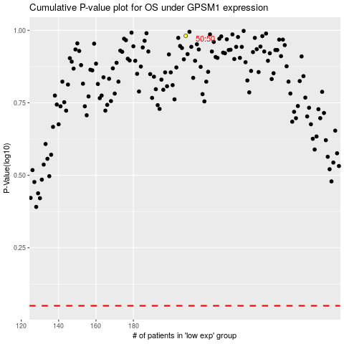

 |  |  |  |  |  | cases_OS | p_OS | rank | exp
 |  |  |  |  |  |  | cases_RFS | p_RFS | rank | exp

