GPSM2 _multivariate
Reported by Tex Li-Hsing Chi. tex@gate.sinica.edu.tw 2019-08-19

Table 2. The clinicopathological features of HNSCC cohort and GPSM2 expression. (Chi square test)
Cutoff at -0.202 (50.0%)
 |  | GPSM2 expression |  | GPSM2 expression |  | (Optimised)
 | Features | Low | (%) | High | (%) | Case no | P-value | Remark | Matthews
Gender | Female | 156 | 37.6 | 150 | 36.1 | 415 | 0.5222 | 0 | 0
2 | Male | 51 | 12.3 | 58 | 14
Age at diagnosis | <=65y | 129 | 31.1 | 145 | 34.9 | 415 | 0.1372 | 0 | 0
4 | >65y | 78 | 18.8 | 63 | 15.2
Clinical T Status | T1+T2 | 63 | 15.2 | 86 | 20.7 | 415 | 0.0268 | 1 | 0
6 | T3+T4 | 144 | 34.7 | 122 | 29.4
Clinical N Status | N0 | 111 | 26.7 | 105 | 25.3 | 415 | 0.5875 | 0 | 0
8 | N1-3 | 96 | 23.1 | 103 | 24.8
Clinical M Status | M0 | 205 | 49.4 | 207 | 49.9 | 415 | 0.6232 | 0 | 0
10 | M1 | 2 | 0.5 | 1 | 0.2
Clinical Stage | Stage I+II | 43 | 10.4 | 59 | 14.2 | 415 | 0.0925 | 0 | 0
12 | Stage III+IV | 164 | 39.5 | 149 | 35.9
Surgical Margin status | Negative | 160 | 38.6 | 158 | 38.1 | 415 | 0.8167 | 0 | 0
14 | Positive | 47 | 11.3 | 50 | 12
Tobacco Exposure | Low | 76 | 18.3 | 85 | 20.5 | 415 | 0.4207 | 0 | 0
16 | High | 131 | 31.6 | 123 | 29.6

Table 3. Univariate/Multivariate Cox's proportional hazards regression analyses on OS time of GPSM2 gene expression in HNSCC

 |  | Univariate |  |  |  | Multivariate
 | Features | HR | CI95%(L) | CI95%(H) | P-value | HR | CI95%(L) | CI95%(H) | P-value
1 | Female | 1 |  |  |  | 1
Gender | Male | 1.157 | 0.843 | 1.587 | 0.367 | 1.212 | 0.867 | 1.693 | 0.26
11 | <=65y | 1 |  |  |  | 1
Age at diagnosis | >65y | 1.329 | 0.99 | 1.784 | 0.058 | 1.375 | 1.011 | 1.87 | 0.042
12 | T1+T2 | 1 |  |  |  | 1
Clinical T Status | T3+T4 | 1.409 | 1.028 | 1.931 | 0.033 | 2.159 | 1.141 | 4.086 | 0.018
13 | N0 | 1 |  |  |  | 1
Clinical N Status | N1-3 | 1.185 | 0.89 | 1.577 | 0.246 | 1.253 | 0.877 | 1.788 | 0.215
14 | M0 | 1 |  |  |  | 1
Clinical M Status | M1 | 4.097 | 1.009 | 16.644 | 0.049 | 9.034 | 1.968 | 41.469 | 0.005
15 | Stage I+II | 1 |  |  |  | 1
Clinical Stage | Stage III+IV | 1.245 | 0.882 | 1.759 | 0.213 | 0.505 | 0.235 | 1.083 | 0.079
16 | Negative | 1 |  |  |  | 1
Surgical Margin status | Positive | 1.591 | 1.155 | 2.191 | 0.004 | 1.678 | 1.215 | 2.319 | 0.002
17 | Low | 1 |  |  |  | 1
Tobacco Exposure | High | 1.364 | 1.008 | 1.844 | 0.044 | 1.431 | 1.038 | 1.973 | 0.029
18 | Low | 1 |  |  |  | 1
RNAseq(z-score) | High | 0.801 | 0.6 | 1.068 | 0.131 | 0.84 | 0.626 | 1.126 | 0.243

Table 4. Univariate/Multivariate Cox's proportional hazards regression analyses on RFS time of GPSM2 gene expression in HNSCC

 |  | Univariate |  |  |  | Multivariate
 | Features | HR | CI95%(L) | CI95%(H) | P-value | HR | CI95%(L) | CI95%(H) | P-value
1 | Female | 1 |  |  |  | 1
Gender | Male | 1.157 | 0.843 | 1.587 | 0.367 | 1.212 | 0.867 | 1.693 | 0.26
11 | <=65y | 1 |  |  |  | 1
Age at diagnosis | >65y | 1.329 | 0.99 | 1.784 | 0.058 | 1.375 | 1.011 | 1.87 | 0.042
12 | T1+T2 | 1 |  |  |  | 1
Clinical T Status | T3+T4 | 1.409 | 1.028 | 1.931 | 0.033 | 2.159 | 1.141 | 4.086 | 0.018
13 | N0 | 1 |  |  |  | 1
Clinical N Status | N1-3 | 1.185 | 0.89 | 1.577 | 0.246 | 1.253 | 0.877 | 1.788 | 0.215
14 | M0 | 1 |  |  |  | 1
Clinical M Status | M1 | 4.097 | 1.009 | 16.644 | 0.049 | 9.034 | 1.968 | 41.469 | 0.005
15 | Stage I+II | 1 |  |  |  | 1
Clinical Stage | Stage III+IV | 1.245 | 0.882 | 1.759 | 0.213 | 0.505 | 0.235 | 1.083 | 0.079
16 | Negative | 1 |  |  |  | 1
Surgical Margin status | Positive | 1.591 | 1.155 | 2.191 | 0.004 | 1.678 | 1.215 | 2.319 | 0.002
17 | Low | 1 |  |  |  | 1
Tobacco Exposure | High | 1.364 | 1.008 | 1.844 | 0.044 | 1.431 | 1.038 | 1.973 | 0.029
18 | Low | 1 |  |  |  | 1
RNAseq(z-score) | High | 0.801 | 0.6 | 1.068 | 0.131 | 0.84 | 0.626 | 1.126 | 0.243

Kaplan-Meier survival estimate: Cutoff at -0.202 (50.0%)



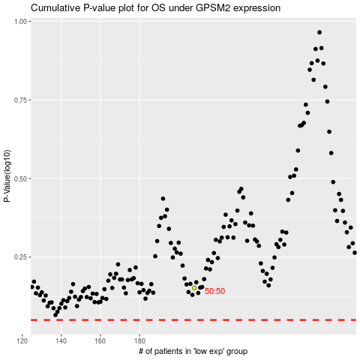

 |  |  |  |  |  | cases_OS | p_OS | rank | exp
 |  |  |  |  |  |  | cases_RFS | p_RFS | rank | exp

