GPT2 _multivariate
Reported by Tex Li-Hsing Chi. tex@gate.sinica.edu.tw 2019-08-19

Table 2. The clinicopathological features of HNSCC cohort and GPT2 expression. (Chi square test)
Cutoff at -0.585 (31.9%)
 |  | GPT2 expression |  | GPT2 expression |  | (Optimised)
 | Features | Low | (%) | High | (%) | Case no | P-value | Remark | Matthews
Gender | Female | 101 | 24.3 | 205 | 49.4 | 415 | 0.4477 | 0 | 0
2 | Male | 31 | 7.5 | 78 | 18.8
Age at diagnosis | <=65y | 85 | 20.5 | 189 | 45.5 | 415 | 0.7132 | 0 | 0
4 | >65y | 47 | 11.3 | 94 | 22.7
Clinical T Status | T1+T2 | 50 | 12 | 99 | 23.9 | 415 | 0.6434 | 0 | 0
6 | T3+T4 | 82 | 19.8 | 184 | 44.3
Clinical N Status | N0 | 58 | 14 | 158 | 38.1 | 415 | 0.0313 | 1 | 0
8 | N1-3 | 74 | 17.8 | 125 | 30.1
Clinical M Status | M0 | 130 | 31.3 | 282 | 68 | 415 | 0.2386 | 0 | 0
10 | M1 | 2 | 0.5 | 1 | 0.2
Clinical Stage | Stage I+II | 32 | 7.7 | 70 | 16.9 | 415 | 1 | 0 | 0
12 | Stage III+IV | 100 | 24.1 | 213 | 51.3
Surgical Margin status | Negative | 102 | 24.6 | 216 | 52 | 415 | 0.9011 | 0 | 0
14 | Positive | 30 | 7.2 | 67 | 16.1
Tobacco Exposure | Low | 64 | 15.4 | 97 | 23.4 | 415 | 0.0068 | 1 | 0
16 | High | 68 | 16.4 | 186 | 44.8

Table 3. Univariate/Multivariate Cox's proportional hazards regression analyses on OS time of GPT2 gene expression in HNSCC

 |  | Univariate |  |  |  | Multivariate
 | Features | HR | CI95%(L) | CI95%(H) | P-value | HR | CI95%(L) | CI95%(H) | P-value
1 | Female | 1 |  |  |  | 1
Gender | Male | 1.157 | 0.843 | 1.587 | 0.367 | 1.278 | 0.913 | 1.79 | 0.153
11 | <=65y | 1 |  |  |  | 1
Age at diagnosis | >65y | 1.329 | 0.99 | 1.784 | 0.058 | 1.38 | 1.015 | 1.876 | 0.04
12 | T1+T2 | 1 |  |  |  | 1
Clinical T Status | T3+T4 | 1.409 | 1.028 | 1.931 | 0.033 | 2.279 | 1.205 | 4.308 | 0.011
13 | N0 | 1 |  |  |  | 1
Clinical N Status | N1-3 | 1.185 | 0.89 | 1.577 | 0.246 | 1.159 | 0.809 | 1.66 | 0.422
14 | M0 | 1 |  |  |  | 1
Clinical M Status | M1 | 4.097 | 1.009 | 16.644 | 0.049 | 8.94 | 1.947 | 41.051 | 0.005
15 | Stage I+II | 1 |  |  |  | 1
Clinical Stage | Stage III+IV | 1.245 | 0.882 | 1.759 | 0.213 | 0.513 | 0.239 | 1.1 | 0.086
16 | Negative | 1 |  |  |  | 1
Surgical Margin status | Positive | 1.591 | 1.155 | 2.191 | 0.004 | 1.683 | 1.218 | 2.325 | 0.002
17 | Low | 1 |  |  |  | 1
Tobacco Exposure | High | 1.364 | 1.008 | 1.844 | 0.044 | 1.579 | 1.138 | 2.191 | 0.006
18 | Low | 1 |  |  |  | 1
RNAseq(z-score) | High | 0.734 | 0.543 | 0.992 | 0.044 | 0.658 | 0.48 | 0.902 | 0.009

Table 4. Univariate/Multivariate Cox's proportional hazards regression analyses on RFS time of GPT2 gene expression in HNSCC

 |  | Univariate |  |  |  | Multivariate
 | Features | HR | CI95%(L) | CI95%(H) | P-value | HR | CI95%(L) | CI95%(H) | P-value
1 | Female | 1 |  |  |  | 1
Gender | Male | 1.157 | 0.843 | 1.587 | 0.367 | 1.278 | 0.913 | 1.79 | 0.153
11 | <=65y | 1 |  |  |  | 1
Age at diagnosis | >65y | 1.329 | 0.99 | 1.784 | 0.058 | 1.38 | 1.015 | 1.876 | 0.04
12 | T1+T2 | 1 |  |  |  | 1
Clinical T Status | T3+T4 | 1.409 | 1.028 | 1.931 | 0.033 | 2.279 | 1.205 | 4.308 | 0.011
13 | N0 | 1 |  |  |  | 1
Clinical N Status | N1-3 | 1.185 | 0.89 | 1.577 | 0.246 | 1.159 | 0.809 | 1.66 | 0.422
14 | M0 | 1 |  |  |  | 1
Clinical M Status | M1 | 4.097 | 1.009 | 16.644 | 0.049 | 8.94 | 1.947 | 41.051 | 0.005
15 | Stage I+II | 1 |  |  |  | 1
Clinical Stage | Stage III+IV | 1.245 | 0.882 | 1.759 | 0.213 | 0.513 | 0.239 | 1.1 | 0.086
16 | Negative | 1 |  |  |  | 1
Surgical Margin status | Positive | 1.591 | 1.155 | 2.191 | 0.004 | 1.683 | 1.218 | 2.325 | 0.002
17 | Low | 1 |  |  |  | 1
Tobacco Exposure | High | 1.364 | 1.008 | 1.844 | 0.044 | 1.579 | 1.138 | 2.191 | 0.006
18 | Low | 1 |  |  |  | 1
RNAseq(z-score) | High | 0.734 | 0.543 | 0.992 | 0.044 | 0.658 | 0.48 | 0.902 | 0.009

Kaplan-Meier survival estimate: Cutoff at -0.585 (31.9%)



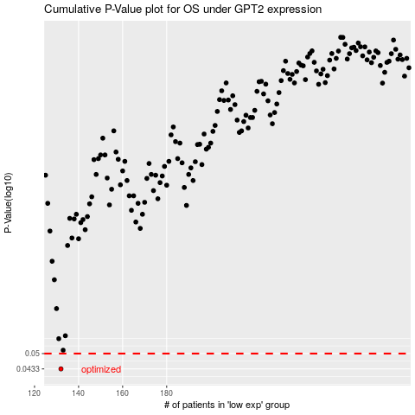

 |  |  |  |  |  | cases_OS | p_OS | rank | exp
 |  |  |  |  |  | 132 | 0.0433 | 311 | -0.58547730872
 |  |  |  |  |  |  | cases_RFS | p_RFS | rank | exp
 |  |  |  |  |  |  | 131 | 0.0433 | 23 | -0.58843033403

