GRAMD1B _multivariate
Reported by Tex Li-Hsing Chi. tex@gate.sinica.edu.tw 2019-08-19

Table 2. The clinicopathological features of HNSCC cohort and GRAMD1B expression. (Chi square test)
Cutoff at -0.22 (50.0%)
 |  | GRAMD1B expression |  | GRAMD1B expression |  | (Optimised)
 | Features | Low | (%) | High | (%) | Case no | P-value | Remark | Matthews
Gender | Female | 169 | 40.7 | 137 | 33 | 415 | 4e-04 | 1 | 0
2 | Male | 38 | 9.2 | 71 | 17.1
Age at diagnosis | <=65y | 141 | 34 | 133 | 32 | 415 | 0.4272 | 0 | 0
4 | >65y | 66 | 15.9 | 75 | 18.1
Clinical T Status | T1+T2 | 79 | 19 | 70 | 16.9 | 415 | 0.3924 | 0 | 0
6 | T3+T4 | 128 | 30.8 | 138 | 33.3
Clinical N Status | N0 | 109 | 26.3 | 107 | 25.8 | 415 | 0.8812 | 0 | 0
8 | N1-3 | 98 | 23.6 | 101 | 24.3
Clinical M Status | M0 | 205 | 49.4 | 207 | 49.9 | 415 | 0.6232 | 0 | 0
10 | M1 | 2 | 0.5 | 1 | 0.2
Clinical Stage | Stage I+II | 55 | 13.3 | 47 | 11.3 | 415 | 0.4087 | 0 | 0
12 | Stage III+IV | 152 | 36.6 | 161 | 38.8
Surgical Margin status | Negative | 158 | 38.1 | 160 | 38.6 | 415 | 0.9081 | 0 | 0
14 | Positive | 49 | 11.8 | 48 | 11.6
Tobacco Exposure | Low | 69 | 16.6 | 92 | 22.2 | 415 | 0.0266 | 1 | 0
16 | High | 138 | 33.3 | 116 | 28

Table 3. Univariate/Multivariate Cox's proportional hazards regression analyses on OS time of GRAMD1B gene expression in HNSCC

 |  | Univariate |  |  |  | Multivariate
 | Features | HR | CI95%(L) | CI95%(H) | P-value | HR | CI95%(L) | CI95%(H) | P-value
1 | Female | 1 |  |  |  | 1
Gender | Male | 1.157 | 0.843 | 1.587 | 0.367 | 1.271 | 0.903 | 1.79 | 0.17
11 | <=65y | 1 |  |  |  | 1
Age at diagnosis | >65y | 1.329 | 0.99 | 1.784 | 0.058 | 1.389 | 1.022 | 1.887 | 0.036
12 | T1+T2 | 1 |  |  |  | 1
Clinical T Status | T3+T4 | 1.409 | 1.028 | 1.931 | 0.033 | 2.193 | 1.16 | 4.147 | 0.016
13 | N0 | 1 |  |  |  | 1
Clinical N Status | N1-3 | 1.185 | 0.89 | 1.577 | 0.246 | 1.222 | 0.856 | 1.745 | 0.269
14 | M0 | 1 |  |  |  | 1
Clinical M Status | M1 | 4.097 | 1.009 | 16.644 | 0.049 | 9.346 | 2.039 | 42.839 | 0.004
15 | Stage I+II | 1 |  |  |  | 1
Clinical Stage | Stage III+IV | 1.245 | 0.882 | 1.759 | 0.213 | 0.517 | 0.241 | 1.11 | 0.091
16 | Negative | 1 |  |  |  | 1
Surgical Margin status | Positive | 1.591 | 1.155 | 2.191 | 0.004 | 1.676 | 1.213 | 2.317 | 0.002
17 | Low | 1 |  |  |  | 1
Tobacco Exposure | High | 1.364 | 1.008 | 1.844 | 0.044 | 1.412 | 1.022 | 1.95 | 0.037
18 | Low | 1 |  |  |  | 1
RNAseq(z-score) | High | 0.805 | 0.604 | 1.074 | 0.14 | 0.791 | 0.587 | 1.066 | 0.124

Table 4. Univariate/Multivariate Cox's proportional hazards regression analyses on RFS time of GRAMD1B gene expression in HNSCC

 |  | Univariate |  |  |  | Multivariate
 | Features | HR | CI95%(L) | CI95%(H) | P-value | HR | CI95%(L) | CI95%(H) | P-value
1 | Female | 1 |  |  |  | 1
Gender | Male | 1.157 | 0.843 | 1.587 | 0.367 | 1.271 | 0.903 | 1.79 | 0.17
11 | <=65y | 1 |  |  |  | 1
Age at diagnosis | >65y | 1.329 | 0.99 | 1.784 | 0.058 | 1.389 | 1.022 | 1.887 | 0.036
12 | T1+T2 | 1 |  |  |  | 1
Clinical T Status | T3+T4 | 1.409 | 1.028 | 1.931 | 0.033 | 2.193 | 1.16 | 4.147 | 0.016
13 | N0 | 1 |  |  |  | 1
Clinical N Status | N1-3 | 1.185 | 0.89 | 1.577 | 0.246 | 1.222 | 0.856 | 1.745 | 0.269
14 | M0 | 1 |  |  |  | 1
Clinical M Status | M1 | 4.097 | 1.009 | 16.644 | 0.049 | 9.346 | 2.039 | 42.839 | 0.004
15 | Stage I+II | 1 |  |  |  | 1
Clinical Stage | Stage III+IV | 1.245 | 0.882 | 1.759 | 0.213 | 0.517 | 0.241 | 1.11 | 0.091
16 | Negative | 1 |  |  |  | 1
Surgical Margin status | Positive | 1.591 | 1.155 | 2.191 | 0.004 | 1.676 | 1.213 | 2.317 | 0.002
17 | Low | 1 |  |  |  | 1
Tobacco Exposure | High | 1.364 | 1.008 | 1.844 | 0.044 | 1.412 | 1.022 | 1.95 | 0.037
18 | Low | 1 |  |  |  | 1
RNAseq(z-score) | High | 0.805 | 0.604 | 1.074 | 0.14 | 0.791 | 0.587 | 1.066 | 0.124

Kaplan-Meier survival estimate: Cutoff at -0.22 (50.0%)



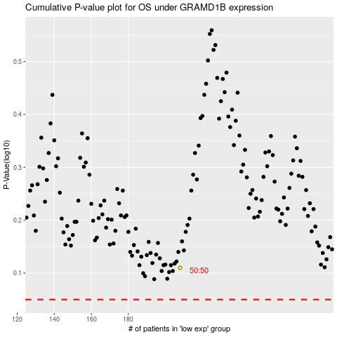

 |  |  |  |  |  | cases_OS | p_OS | rank | exp
 |  |  |  |  |  |  | cases_RFS | p_RFS | rank | exp

