GRAMD4 _multivariate
Reported by Tex Li-Hsing Chi. tex@gate.sinica.edu.tw 2019-08-19

Table 2. The clinicopathological features of HNSCC cohort and GRAMD4 expression. (Chi square test)
Cutoff at -0.498 (36.2%)
 |  | GRAMD4 expression |  | GRAMD4 expression |  | (Optimised)
 | Features | Low | (%) | High | (%) | Case no | P-value | Remark | Matthews
Gender | Female | 109 | 26.3 | 197 | 47.5 | 415 | 0.6697 | 0 | 0
2 | Male | 42 | 10.1 | 67 | 16.1
Age at diagnosis | <=65y | 93 | 22.4 | 181 | 43.6 | 415 | 0.1819 | 0 | 0
4 | >65y | 58 | 14 | 83 | 20
Clinical T Status | T1+T2 | 56 | 13.5 | 93 | 22.4 | 415 | 0.7845 | 0 | 0
6 | T3+T4 | 95 | 22.9 | 171 | 41.2
Clinical N Status | N0 | 73 | 17.6 | 143 | 34.5 | 415 | 0.2983 | 0 | 0
8 | N1-3 | 78 | 18.8 | 121 | 29.2
Clinical M Status | M0 | 151 | 36.4 | 261 | 62.9 | 415 | 0.5567 | 0 | 0
10 | M1 | 0 | 0 | 3 | 0.7
Clinical Stage | Stage I+II | 39 | 9.4 | 63 | 15.2 | 415 | 0.7424 | 0 | 0
12 | Stage III+IV | 112 | 27 | 201 | 48.4
Surgical Margin status | Negative | 119 | 28.7 | 199 | 48 | 415 | 0.4705 | 0 | 0
14 | Positive | 32 | 7.7 | 65 | 15.7
Tobacco Exposure | Low | 66 | 15.9 | 95 | 22.9 | 415 | 0.1426 | 0 | 0
16 | High | 85 | 20.5 | 169 | 40.7

Table 3. Univariate/Multivariate Cox's proportional hazards regression analyses on OS time of GRAMD4 gene expression in HNSCC

 |  | Univariate |  |  |  | Multivariate
 | Features | HR | CI95%(L) | CI95%(H) | P-value | HR | CI95%(L) | CI95%(H) | P-value
1 | Female | 1 |  |  |  | 1
Gender | Male | 1.157 | 0.843 | 1.587 | 0.367 | 1.215 | 0.871 | 1.695 | 0.252
11 | <=65y | 1 |  |  |  | 1
Age at diagnosis | >65y | 1.329 | 0.99 | 1.784 | 0.058 | 1.333 | 0.981 | 1.811 | 0.066
12 | T1+T2 | 1 |  |  |  | 1
Clinical T Status | T3+T4 | 1.409 | 1.028 | 1.931 | 0.033 | 2.193 | 1.161 | 4.143 | 0.016
13 | N0 | 1 |  |  |  | 1
Clinical N Status | N1-3 | 1.185 | 0.89 | 1.577 | 0.246 | 1.144 | 0.799 | 1.639 | 0.462
14 | M0 | 1 |  |  |  | 1
Clinical M Status | M1 | 4.097 | 1.009 | 16.644 | 0.049 | 12.014 | 2.597 | 55.584 | 0.001
15 | Stage I+II | 1 |  |  |  | 1
Clinical Stage | Stage III+IV | 1.245 | 0.882 | 1.759 | 0.213 | 0.529 | 0.247 | 1.135 | 0.102
16 | Negative | 1 |  |  |  | 1
Surgical Margin status | Positive | 1.591 | 1.155 | 2.191 | 0.004 | 1.808 | 1.303 | 2.51 | 0
17 | Low | 1 |  |  |  | 1
Tobacco Exposure | High | 1.364 | 1.008 | 1.844 | 0.044 | 1.57 | 1.136 | 2.169 | 0.006
18 | Low | 1 |  |  |  | 1
RNAseq(z-score) | High | 0.679 | 0.507 | 0.909 | 0.009 | 0.602 | 0.443 | 0.817 | 0.001

Table 4. Univariate/Multivariate Cox's proportional hazards regression analyses on RFS time of GRAMD4 gene expression in HNSCC

 |  | Univariate |  |  |  | Multivariate
 | Features | HR | CI95%(L) | CI95%(H) | P-value | HR | CI95%(L) | CI95%(H) | P-value
1 | Female | 1 |  |  |  | 1
Gender | Male | 1.157 | 0.843 | 1.587 | 0.367 | 1.215 | 0.871 | 1.695 | 0.252
11 | <=65y | 1 |  |  |  | 1
Age at diagnosis | >65y | 1.329 | 0.99 | 1.784 | 0.058 | 1.333 | 0.981 | 1.811 | 0.066
12 | T1+T2 | 1 |  |  |  | 1
Clinical T Status | T3+T4 | 1.409 | 1.028 | 1.931 | 0.033 | 2.193 | 1.161 | 4.143 | 0.016
13 | N0 | 1 |  |  |  | 1
Clinical N Status | N1-3 | 1.185 | 0.89 | 1.577 | 0.246 | 1.144 | 0.799 | 1.639 | 0.462
14 | M0 | 1 |  |  |  | 1
Clinical M Status | M1 | 4.097 | 1.009 | 16.644 | 0.049 | 12.014 | 2.597 | 55.584 | 0.001
15 | Stage I+II | 1 |  |  |  | 1
Clinical Stage | Stage III+IV | 1.245 | 0.882 | 1.759 | 0.213 | 0.529 | 0.247 | 1.135 | 0.102
16 | Negative | 1 |  |  |  | 1
Surgical Margin status | Positive | 1.591 | 1.155 | 2.191 | 0.004 | 1.808 | 1.303 | 2.51 | 0
17 | Low | 1 |  |  |  | 1
Tobacco Exposure | High | 1.364 | 1.008 | 1.844 | 0.044 | 1.57 | 1.136 | 2.169 | 0.006
18 | Low | 1 |  |  |  | 1
RNAseq(z-score) | High | 0.679 | 0.507 | 0.909 | 0.009 | 0.602 | 0.443 | 0.817 | 0.001

Kaplan-Meier survival estimate: Cutoff at -0.498 (36.2%)

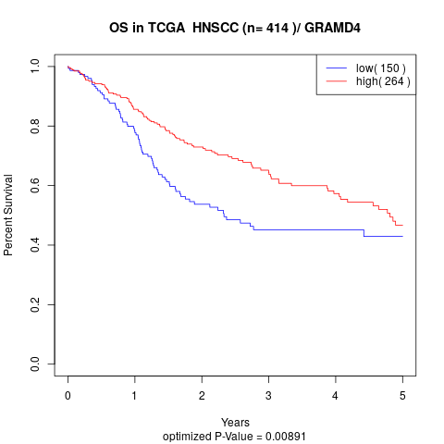

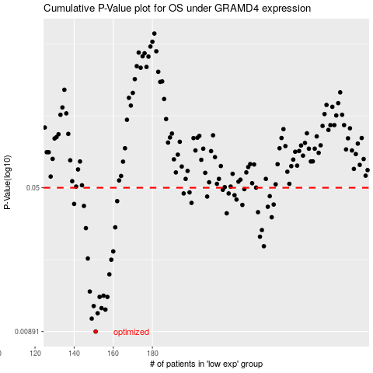

 |  |  |  |  |  | cases_OS | p_OS | rank | exp
 |  |  |  |  |  | 151 | 0.00891 | 337 | -0.49811210309
 |  |  |  |  |  | 149 | 0.0104 | 24 | -0.51608967138
 |  |  |  |  |  | 152 | 0.0111 | 5 | -0.49668069742
 |  |  |  |  |  | 156 | 0.0116 | 312 | -0.48017852932
 |  |  |  |  |  | 154 | 0.0118 | 386 | -0.49094662779
 |  |  |  |  |  | 150 | 0.0121 | 163 | -0.5138540459
 |  |  |  |  |  | 157 | 0.0135 | 128 | -0.4794080973
 |  |  |  |  |  | 153 | 0.0135 | 240 | -0.49108635438
 |  |  |  |  |  | 155 | 0.0137 | 266 | -0.4813000376
 |  |  |  |  |  | 148 | 0.0144 | 125 | -0.52254982655
 |  |  |  |  |  | 158 | 0.0177 | 376 | -0.47223558288
 |  |  |  |  |  | 159 | 0.0211 | 197 | -0.46704229388
 |  |  |  |  |  | 147 | 0.0214 | 239 | -0.52708178994
 |  |  |  |  |  | 160 | 0.0233 | 106 | -0.4664786361
 |  |  |  |  |  | 237 | 0.0248 | 245 | -0.14697002563
 |  |  |  |  |  | 235 | 0.0278 | 380 | -0.14751080626
 |  |  |  |  |  | 236 | 0.0301 | 209 | -0.14718647867
 |  |  |  |  |  | 146 | 0.0308 | 283 | -0.52860435226
 |  |  |  |  |  | 161 | 0.0311 | 321 | -0.46112855063
 |  |  |  |  |  | 241 | 0.0351 | 171 | -0.13157757528
 |  |  |  |  |  | 218 | 0.0368 | 71 | -0.23253918912
 |  |  |  |  |  | 234 | 0.0373 | 69 | -0.15275336912
 |  |  |  |  |  | 239 | 0.0398 | 383 | -0.14419115584
 |  |  |  |  |  | 145 | 0.0402 | 263 | -0.53058111398
 |  |  |  |  |  | 226 | 0.0407 | 174 | -0.20345335674
 |  |  |  |  |  | 242 | 0.0409 | 255 | -0.12986513262
 |  |  |  |  |  | 140 | 0.0412 | 392 | -0.53724804339
 |  |  |  |  |  | 200 | 0.0417 | 271 | -0.3145268468
 |  |  |  |  |  | 162 | 0.0426 | 40 | -0.45478806055
 |  |  |  |  |  | 223 | 0.0434 | 112 | -0.21071086857
 |  |  |  |  |  | 208 | 0.045 | 170 | -0.28573824139
 |  |  |  |  |  | 240 | 0.0452 | 258 | -0.1388569084
 |  |  |  |  |  | 222 | 0.0457 | 218 | -0.21350416857
 |  |  |  |  |  | 196 | 0.0467 | 158 | -0.32698380687
 |  |  |  |  |  | 219 | 0.0467 | 393 | -0.22429707995
 |  |  |  |  |  | 199 | 0.0473 | 275 | -0.31517532601
 |  |  |  |  |  | 216 | 0.0488 | 20 | -0.2405372167
 |  |  |  |  |  | 227 | 0.0492 | 84 | -0.18421613738
 |  |  |  |  |  |  | cases_RFS | p_RFS | rank | exp
 |  |  |  |  |  |  | 150 | 0.00891 | 163 | -0.5138540459
 |  |  |  |  |  |  | 148 | 0.0104 | 125 | -0.52254982655
 |  |  |  |  |  |  | 151 | 0.0111 | 337 | -0.49811210309
 |  |  |  |  |  |  | 155 | 0.0116 | 266 | -0.4813000376
 |  |  |  |  |  |  | 153 | 0.0118 | 240 | -0.49108635438
 |  |  |  |  |  |  | 149 | 0.0121 | 24 | -0.51608967138
 |  |  |  |  |  |  | 152 | 0.0135 | 5 | -0.49668069742
 |  |  |  |  |  |  | 156 | 0.0135 | 312 | -0.48017852932
 |  |  |  |  |  |  | 154 | 0.0137 | 386 | -0.49094662779
 |  |  |  |  |  |  | 147 | 0.0144 | 239 | -0.52708178994
 |  |  |  |  |  |  | 157 | 0.0177 | 128 | -0.4794080973
 |  |  |  |  |  |  | 158 | 0.0211 | 376 | -0.47223558288
 |  |  |  |  |  |  | 146 | 0.0214 | 283 | -0.52860435226
 |  |  |  |  |  |  | 159 | 0.0233 | 197 | -0.46704229388
 |  |  |  |  |  |  | 236 | 0.0248 | 209 | -0.14718647867
 |  |  |  |  |  |  | 234 | 0.0278 | 69 | -0.15275336912
 |  |  |  |  |  |  | 235 | 0.0301 | 380 | -0.14751080626
 |  |  |  |  |  |  | 145 | 0.0308 | 263 | -0.53058111398
 |  |  |  |  |  |  | 160 | 0.0311 | 106 | -0.4664786361
 |  |  |  |  |  |  | 240 | 0.0351 | 258 | -0.1388569084
 |  |  |  |  |  |  | 217 | 0.0368 | 213 | -0.23988152238
 |  |  |  |  |  |  | 233 | 0.0373 | 355 | -0.1576218026
 |  |  |  |  |  |  | 238 | 0.0398 | 394 | -0.14572832433
 |  |  |  |  |  |  | 144 | 0.0402 | 86 | -0.53064165044
 |  |  |  |  |  |  | 225 | 0.0407 | 61 | -0.20849671242
 |  |  |  |  |  |  | 241 | 0.0409 | 171 | -0.13157757528
 |  |  |  |  |  |  | 139 | 0.0412 | 385 | -0.54183244825
 |  |  |  |  |  |  | 199 | 0.0417 | 275 | -0.31517532601
 |  |  |  |  |  |  | 161 | 0.0426 | 321 | -0.46112855063
 |  |  |  |  |  |  | 222 | 0.0434 | 218 | -0.21350416857
 |  |  |  |  |  |  | 207 | 0.045 | 80 | -0.28771922659
 |  |  |  |  |  |  | 239 | 0.0452 | 383 | -0.14419115584
 |  |  |  |  |  |  | 221 | 0.0457 | 326 | -0.2212417486
 |  |  |  |  |  |  | 218 | 0.0467 | 71 | -0.23253918912
 |  |  |  |  |  |  | 195 | 0.0467 | 85 | -0.32958634664
 |  |  |  |  |  |  | 198 | 0.0473 | 409 | -0.3192096234
 |  |  |  |  |  |  | 215 | 0.0488 | 296 | -0.24147324408
 |  |  |  |  |  |  | 226 | 0.0492 | 174 | -0.20345335674

