GRB10 _multivariate
Reported by Tex Li-Hsing Chi. tex@gate.sinica.edu.tw 2019-08-19

Table 2. The clinicopathological features of HNSCC cohort and GRB10 expression. (Chi square test)
Cutoff at -0.196 (49.8%)
 |  | GRB10 expression |  | GRB10 expression |  | (Optimised)
 | Features | Low | (%) | High | (%) | Case no | P-value | Remark | Matthews
Gender | Female | 147 | 35.4 | 159 | 38.3 | 415 | 0.2523 | 0 | 0
2 | Male | 60 | 14.5 | 49 | 11.8
Age at diagnosis | <=65y | 135 | 32.5 | 139 | 33.5 | 415 | 0.8084 | 0 | 0
4 | >65y | 72 | 17.3 | 69 | 16.6
Clinical T Status | T1+T2 | 71 | 17.1 | 78 | 18.8 | 415 | 0.5638 | 0 | 0
6 | T3+T4 | 136 | 32.8 | 130 | 31.3
Clinical N Status | N0 | 109 | 26.3 | 107 | 25.8 | 415 | 0.8812 | 0 | 0
8 | N1-3 | 98 | 23.6 | 101 | 24.3
Clinical M Status | M0 | 205 | 49.4 | 207 | 49.9 | 415 | 0.6232 | 0 | 0
10 | M1 | 2 | 0.5 | 1 | 0.2
Clinical Stage | Stage I+II | 48 | 11.6 | 54 | 13 | 415 | 0.5878 | 0 | 0
12 | Stage III+IV | 159 | 38.3 | 154 | 37.1
Surgical Margin status | Negative | 161 | 38.8 | 157 | 37.8 | 415 | 0.6429 | 0 | 0
14 | Positive | 46 | 11.1 | 51 | 12.3
Tobacco Exposure | Low | 87 | 21 | 74 | 17.8 | 415 | 0.1911 | 0 | 0
16 | High | 120 | 28.9 | 134 | 32.3

Table 3. Univariate/Multivariate Cox's proportional hazards regression analyses on OS time of GRB10 gene expression in HNSCC

 |  | Univariate |  |  |  | Multivariate
 | Features | HR | CI95%(L) | CI95%(H) | P-value | HR | CI95%(L) | CI95%(H) | P-value
1 | Female | 1 |  |  |  | 1
Gender | Male | 1.157 | 0.843 | 1.587 | 0.367 | 1.185 | 0.846 | 1.659 | 0.325
11 | <=65y | 1 |  |  |  | 1
Age at diagnosis | >65y | 1.329 | 0.99 | 1.784 | 0.058 | 1.389 | 1.022 | 1.889 | 0.036
12 | T1+T2 | 1 |  |  |  | 1
Clinical T Status | T3+T4 | 1.409 | 1.028 | 1.931 | 0.033 | 2.196 | 1.161 | 4.151 | 0.016
13 | N0 | 1 |  |  |  | 1
Clinical N Status | N1-3 | 1.185 | 0.89 | 1.577 | 0.246 | 1.245 | 0.872 | 1.776 | 0.228
14 | M0 | 1 |  |  |  | 1
Clinical M Status | M1 | 4.097 | 1.009 | 16.644 | 0.049 | 9.05 | 1.966 | 41.648 | 0.005
15 | Stage I+II | 1 |  |  |  | 1
Clinical Stage | Stage III+IV | 1.245 | 0.882 | 1.759 | 0.213 | 0.505 | 0.235 | 1.084 | 0.08
16 | Negative | 1 |  |  |  | 1
Surgical Margin status | Positive | 1.591 | 1.155 | 2.191 | 0.004 | 1.668 | 1.207 | 2.305 | 0.002
17 | Low | 1 |  |  |  | 1
Tobacco Exposure | High | 1.364 | 1.008 | 1.844 | 0.044 | 1.459 | 1.058 | 2.012 | 0.021
18 | Low | 1 |  |  |  | 1
RNAseq(z-score) | High | 0.87 | 0.653 | 1.16 | 0.342 | 0.903 | 0.674 | 1.21 | 0.495

Table 4. Univariate/Multivariate Cox's proportional hazards regression analyses on RFS time of GRB10 gene expression in HNSCC

 |  | Univariate |  |  |  | Multivariate
 | Features | HR | CI95%(L) | CI95%(H) | P-value | HR | CI95%(L) | CI95%(H) | P-value
1 | Female | 1 |  |  |  | 1
Gender | Male | 1.157 | 0.843 | 1.587 | 0.367 | 1.185 | 0.846 | 1.659 | 0.325
11 | <=65y | 1 |  |  |  | 1
Age at diagnosis | >65y | 1.329 | 0.99 | 1.784 | 0.058 | 1.389 | 1.022 | 1.889 | 0.036
12 | T1+T2 | 1 |  |  |  | 1
Clinical T Status | T3+T4 | 1.409 | 1.028 | 1.931 | 0.033 | 2.196 | 1.161 | 4.151 | 0.016
13 | N0 | 1 |  |  |  | 1
Clinical N Status | N1-3 | 1.185 | 0.89 | 1.577 | 0.246 | 1.245 | 0.872 | 1.776 | 0.228
14 | M0 | 1 |  |  |  | 1
Clinical M Status | M1 | 4.097 | 1.009 | 16.644 | 0.049 | 9.05 | 1.966 | 41.648 | 0.005
15 | Stage I+II | 1 |  |  |  | 1
Clinical Stage | Stage III+IV | 1.245 | 0.882 | 1.759 | 0.213 | 0.505 | 0.235 | 1.084 | 0.08
16 | Negative | 1 |  |  |  | 1
Surgical Margin status | Positive | 1.591 | 1.155 | 2.191 | 0.004 | 1.668 | 1.207 | 2.305 | 0.002
17 | Low | 1 |  |  |  | 1
Tobacco Exposure | High | 1.364 | 1.008 | 1.844 | 0.044 | 1.459 | 1.058 | 2.012 | 0.021
18 | Low | 1 |  |  |  | 1
RNAseq(z-score) | High | 0.87 | 0.653 | 1.16 | 0.342 | 0.903 | 0.674 | 1.21 | 0.495

Kaplan-Meier survival estimate: Cutoff at -0.196 (49.8%)



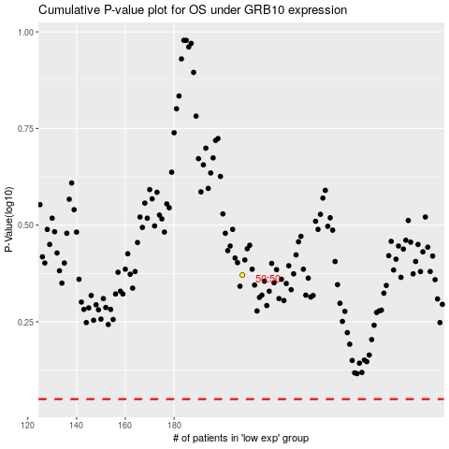

 |  |  |  |  |  | cases_OS | p_OS | rank | exp
 |  |  |  |  |  |  | cases_RFS | p_RFS | rank | exp

