GRB2 _multivariate
Reported by Tex Li-Hsing Chi. tex@gate.sinica.edu.tw 2019-08-19

Table 2. The clinicopathological features of HNSCC cohort and GRB2 expression. (Chi square test)
Cutoff at -0.047 (50.0%)
 |  | GRB2 expression |  | GRB2 expression |  | (Optimised)
 | Features | Low | (%) | High | (%) | Case no | P-value | Remark | Matthews
Gender | Female | 152 | 36.6 | 154 | 37.1 | 415 | 0.9766 | 0 | 0
2 | Male | 55 | 13.3 | 54 | 13
Age at diagnosis | <=65y | 143 | 34.5 | 131 | 31.6 | 415 | 0.2269 | 0 | 0
4 | >65y | 64 | 15.4 | 77 | 18.6
Clinical T Status | T1+T2 | 78 | 18.8 | 71 | 17.1 | 415 | 0.5152 | 0 | 0
6 | T3+T4 | 129 | 31.1 | 137 | 33
Clinical N Status | N0 | 109 | 26.3 | 107 | 25.8 | 415 | 0.8812 | 0 | 0
8 | N1-3 | 98 | 23.6 | 101 | 24.3
Clinical M Status | M0 | 206 | 49.6 | 206 | 49.6 | 415 | 1 | 0 | 0
10 | M1 | 1 | 0.2 | 2 | 0.5
Clinical Stage | Stage I+II | 59 | 14.2 | 43 | 10.4 | 415 | 0.0822 | 0 | 0
12 | Stage III+IV | 148 | 35.7 | 165 | 39.8
Surgical Margin status | Negative | 153 | 36.9 | 165 | 39.8 | 415 | 0.2036 | 0 | 0
14 | Positive | 54 | 13 | 43 | 10.4
Tobacco Exposure | Low | 93 | 22.4 | 68 | 16.4 | 415 | 0.0118 | 1 | 0
16 | High | 114 | 27.5 | 140 | 33.7

Table 3. Univariate/Multivariate Cox's proportional hazards regression analyses on OS time of GRB2 gene expression in HNSCC

 |  | Univariate |  |  |  | Multivariate
 | Features | HR | CI95%(L) | CI95%(H) | P-value | HR | CI95%(L) | CI95%(H) | P-value
1 | Female | 1 |  |  |  | 1
Gender | Male | 1.157 | 0.843 | 1.587 | 0.367 | 1.2 | 0.859 | 1.676 | 0.286
11 | <=65y | 1 |  |  |  | 1
Age at diagnosis | >65y | 1.329 | 0.99 | 1.784 | 0.058 | 1.38 | 1.014 | 1.878 | 0.04
12 | T1+T2 | 1 |  |  |  | 1
Clinical T Status | T3+T4 | 1.409 | 1.028 | 1.931 | 0.033 | 2.274 | 1.2 | 4.31 | 0.012
13 | N0 | 1 |  |  |  | 1
Clinical N Status | N1-3 | 1.185 | 0.89 | 1.577 | 0.246 | 1.266 | 0.885 | 1.81 | 0.196
14 | M0 | 1 |  |  |  | 1
Clinical M Status | M1 | 4.097 | 1.009 | 16.644 | 0.049 | 9.141 | 1.992 | 41.94 | 0.004
15 | Stage I+II | 1 |  |  |  | 1
Clinical Stage | Stage III+IV | 1.245 | 0.882 | 1.759 | 0.213 | 0.481 | 0.223 | 1.037 | 0.062
16 | Negative | 1 |  |  |  | 1
Surgical Margin status | Positive | 1.591 | 1.155 | 2.191 | 0.004 | 1.679 | 1.215 | 2.319 | 0.002
17 | Low | 1 |  |  |  | 1
Tobacco Exposure | High | 1.364 | 1.008 | 1.844 | 0.044 | 1.413 | 1.021 | 1.955 | 0.037
18 | Low | 1 |  |  |  | 1
RNAseq(z-score) | High | 1.208 | 0.906 | 1.61 | 0.198 | 1.176 | 0.876 | 1.577 | 0.281

Table 4. Univariate/Multivariate Cox's proportional hazards regression analyses on RFS time of GRB2 gene expression in HNSCC

 |  | Univariate |  |  |  | Multivariate
 | Features | HR | CI95%(L) | CI95%(H) | P-value | HR | CI95%(L) | CI95%(H) | P-value
1 | Female | 1 |  |  |  | 1
Gender | Male | 1.157 | 0.843 | 1.587 | 0.367 | 1.2 | 0.859 | 1.676 | 0.286
11 | <=65y | 1 |  |  |  | 1
Age at diagnosis | >65y | 1.329 | 0.99 | 1.784 | 0.058 | 1.38 | 1.014 | 1.878 | 0.04
12 | T1+T2 | 1 |  |  |  | 1
Clinical T Status | T3+T4 | 1.409 | 1.028 | 1.931 | 0.033 | 2.274 | 1.2 | 4.31 | 0.012
13 | N0 | 1 |  |  |  | 1
Clinical N Status | N1-3 | 1.185 | 0.89 | 1.577 | 0.246 | 1.266 | 0.885 | 1.81 | 0.196
14 | M0 | 1 |  |  |  | 1
Clinical M Status | M1 | 4.097 | 1.009 | 16.644 | 0.049 | 9.141 | 1.992 | 41.94 | 0.004
15 | Stage I+II | 1 |  |  |  | 1
Clinical Stage | Stage III+IV | 1.245 | 0.882 | 1.759 | 0.213 | 0.481 | 0.223 | 1.037 | 0.062
16 | Negative | 1 |  |  |  | 1
Surgical Margin status | Positive | 1.591 | 1.155 | 2.191 | 0.004 | 1.679 | 1.215 | 2.319 | 0.002
17 | Low | 1 |  |  |  | 1
Tobacco Exposure | High | 1.364 | 1.008 | 1.844 | 0.044 | 1.413 | 1.021 | 1.955 | 0.037
18 | Low | 1 |  |  |  | 1
RNAseq(z-score) | High | 1.208 | 0.906 | 1.61 | 0.198 | 1.176 | 0.876 | 1.577 | 0.281

Kaplan-Meier survival estimate: Cutoff at -0.047 (50.0%)



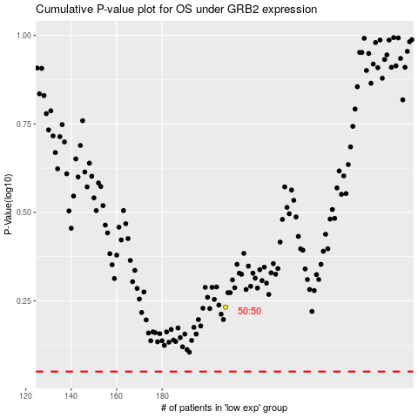

 |  |  |  |  |  | cases_OS | p_OS | rank | exp
 |  |  |  |  |  |  | cases_RFS | p_RFS | rank | exp

