GRB7 _multivariate
Reported by Tex Li-Hsing Chi. tex@gate.sinica.edu.tw 2019-08-19

Table 2. The clinicopathological features of HNSCC cohort and GRB7 expression. (Chi square test)
Cutoff at -0.157 (50.0%)
 |  | GRB7 expression |  | GRB7 expression |  | (Optimised)
 | Features | Low | (%) | High | (%) | Case no | P-value | Remark | Matthews
Gender | Female | 138 | 33.3 | 168 | 40.5 | 415 | 0.0016 | 1 | 0
2 | Male | 69 | 16.6 | 40 | 9.6
Age at diagnosis | <=65y | 132 | 31.8 | 142 | 34.2 | 415 | 0.3874 | 0 | 0
4 | >65y | 75 | 18.1 | 66 | 15.9
Clinical T Status | T1+T2 | 89 | 21.4 | 60 | 14.5 | 415 | 0.0037 | 1 | 0
6 | T3+T4 | 118 | 28.4 | 148 | 35.7
Clinical N Status | N0 | 120 | 28.9 | 96 | 23.1 | 415 | 0.0208 | 1 | 0
8 | N1-3 | 87 | 21 | 112 | 27
Clinical M Status | M0 | 205 | 49.4 | 207 | 49.9 | 415 | 0.6232 | 0 | 0
10 | M1 | 2 | 0.5 | 1 | 0.2
Clinical Stage | Stage I+II | 69 | 16.6 | 33 | 8 | 415 | 1e-04 | 1 | 0
12 | Stage III+IV | 138 | 33.3 | 175 | 42.2
Surgical Margin status | Negative | 162 | 39 | 156 | 37.6 | 415 | 0.4867 | 0 | 0
14 | Positive | 45 | 10.8 | 52 | 12.5
Tobacco Exposure | Low | 84 | 20.2 | 77 | 18.6 | 415 | 0.4816 | 0 | 0
16 | High | 123 | 29.6 | 131 | 31.6

Table 3. Univariate/Multivariate Cox's proportional hazards regression analyses on OS time of GRB7 gene expression in HNSCC

 |  | Univariate |  |  |  | Multivariate
 | Features | HR | CI95%(L) | CI95%(H) | P-value | HR | CI95%(L) | CI95%(H) | P-value
1 | Female | 1 |  |  |  | 1
Gender | Male | 1.157 | 0.843 | 1.587 | 0.367 | 1.176 | 0.84 | 1.647 | 0.345
11 | <=65y | 1 |  |  |  | 1
Age at diagnosis | >65y | 1.329 | 0.99 | 1.784 | 0.058 | 1.392 | 1.024 | 1.892 | 0.035
12 | T1+T2 | 1 |  |  |  | 1
Clinical T Status | T3+T4 | 1.409 | 1.028 | 1.931 | 0.033 | 2.172 | 1.148 | 4.108 | 0.017
13 | N0 | 1 |  |  |  | 1
Clinical N Status | N1-3 | 1.185 | 0.89 | 1.577 | 0.246 | 1.243 | 0.871 | 1.772 | 0.231
14 | M0 | 1 |  |  |  | 1
Clinical M Status | M1 | 4.097 | 1.009 | 16.644 | 0.049 | 8.758 | 1.896 | 40.454 | 0.005
15 | Stage I+II | 1 |  |  |  | 1
Clinical Stage | Stage III+IV | 1.245 | 0.882 | 1.759 | 0.213 | 0.535 | 0.246 | 1.159 | 0.113
16 | Negative | 1 |  |  |  | 1
Surgical Margin status | Positive | 1.591 | 1.155 | 2.191 | 0.004 | 1.668 | 1.207 | 2.305 | 0.002
17 | Low | 1 |  |  |  | 1
Tobacco Exposure | High | 1.364 | 1.008 | 1.844 | 0.044 | 1.447 | 1.051 | 1.991 | 0.024
18 | Low | 1 |  |  |  | 1
RNAseq(z-score) | High | 0.896 | 0.673 | 1.194 | 0.454 | 0.871 | 0.643 | 1.18 | 0.373

Table 4. Univariate/Multivariate Cox's proportional hazards regression analyses on RFS time of GRB7 gene expression in HNSCC

 |  | Univariate |  |  |  | Multivariate
 | Features | HR | CI95%(L) | CI95%(H) | P-value | HR | CI95%(L) | CI95%(H) | P-value
1 | Female | 1 |  |  |  | 1
Gender | Male | 1.157 | 0.843 | 1.587 | 0.367 | 1.176 | 0.84 | 1.647 | 0.345
11 | <=65y | 1 |  |  |  | 1
Age at diagnosis | >65y | 1.329 | 0.99 | 1.784 | 0.058 | 1.392 | 1.024 | 1.892 | 0.035
12 | T1+T2 | 1 |  |  |  | 1
Clinical T Status | T3+T4 | 1.409 | 1.028 | 1.931 | 0.033 | 2.172 | 1.148 | 4.108 | 0.017
13 | N0 | 1 |  |  |  | 1
Clinical N Status | N1-3 | 1.185 | 0.89 | 1.577 | 0.246 | 1.243 | 0.871 | 1.772 | 0.231
14 | M0 | 1 |  |  |  | 1
Clinical M Status | M1 | 4.097 | 1.009 | 16.644 | 0.049 | 8.758 | 1.896 | 40.454 | 0.005
15 | Stage I+II | 1 |  |  |  | 1
Clinical Stage | Stage III+IV | 1.245 | 0.882 | 1.759 | 0.213 | 0.535 | 0.246 | 1.159 | 0.113
16 | Negative | 1 |  |  |  | 1
Surgical Margin status | Positive | 1.591 | 1.155 | 2.191 | 0.004 | 1.668 | 1.207 | 2.305 | 0.002
17 | Low | 1 |  |  |  | 1
Tobacco Exposure | High | 1.364 | 1.008 | 1.844 | 0.044 | 1.447 | 1.051 | 1.991 | 0.024
18 | Low | 1 |  |  |  | 1
RNAseq(z-score) | High | 0.896 | 0.673 | 1.194 | 0.454 | 0.871 | 0.643 | 1.18 | 0.373

Kaplan-Meier survival estimate: Cutoff at -0.157 (50.0%)



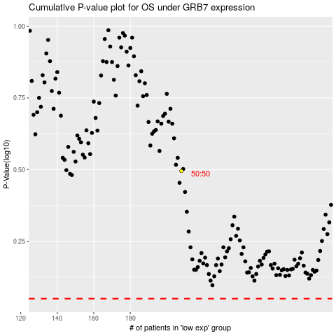

 |  |  |  |  |  | cases_OS | p_OS | rank | exp
 |  |  |  |  |  |  | cases_RFS | p_RFS | rank | exp

