GRHL2 _multivariate
Reported by Tex Li-Hsing Chi. tex@gate.sinica.edu.tw 2019-08-19

Table 2. The clinicopathological features of HNSCC cohort and GRHL2 expression. (Chi square test)
Cutoff at -0.153 (49.8%)
 |  | GRHL2 expression |  | GRHL2 expression |  | (Optimised)
 | Features | Low | (%) | High | (%) | Case no | P-value | Remark | Matthews
Gender | Female | 147 | 35.4 | 159 | 38.3 | 415 | 0.2523 | 0 | 0
2 | Male | 60 | 14.5 | 49 | 11.8
Age at diagnosis | <=65y | 142 | 34.2 | 132 | 31.8 | 415 | 0.3167 | 0 | 0
4 | >65y | 65 | 15.7 | 76 | 18.3
Clinical T Status | T1+T2 | 68 | 16.4 | 81 | 19.5 | 415 | 0.2336 | 0 | 0
6 | T3+T4 | 139 | 33.5 | 127 | 30.6
Clinical N Status | N0 | 91 | 21.9 | 125 | 30.1 | 415 | 0.0014 | 1 | 0
8 | N1-3 | 116 | 28 | 83 | 20
Clinical M Status | M0 | 205 | 49.4 | 207 | 49.9 | 415 | 0.6232 | 0 | 0
10 | M1 | 2 | 0.5 | 1 | 0.2
Clinical Stage | Stage I+II | 44 | 10.6 | 58 | 14 | 415 | 0.1459 | 0 | 0
12 | Stage III+IV | 163 | 39.3 | 150 | 36.1
Surgical Margin status | Negative | 156 | 37.6 | 162 | 39 | 415 | 0.5636 | 0 | 0
14 | Positive | 51 | 12.3 | 46 | 11.1
Tobacco Exposure | Low | 82 | 19.8 | 79 | 19 | 415 | 0.763 | 0 | 0
16 | High | 125 | 30.1 | 129 | 31.1

Table 3. Univariate/Multivariate Cox's proportional hazards regression analyses on OS time of GRHL2 gene expression in HNSCC

 |  | Univariate |  |  |  | Multivariate
 | Features | HR | CI95%(L) | CI95%(H) | P-value | HR | CI95%(L) | CI95%(H) | P-value
1 | Female | 1 |  |  |  | 1
Gender | Male | 1.157 | 0.843 | 1.587 | 0.367 | 1.204 | 0.86 | 1.684 | 0.28
11 | <=65y | 1 |  |  |  | 1
Age at diagnosis | >65y | 1.329 | 0.99 | 1.784 | 0.058 | 1.39 | 1.021 | 1.892 | 0.036
12 | T1+T2 | 1 |  |  |  | 1
Clinical T Status | T3+T4 | 1.409 | 1.028 | 1.931 | 0.033 | 2.207 | 1.165 | 4.181 | 0.015
13 | N0 | 1 |  |  |  | 1
Clinical N Status | N1-3 | 1.185 | 0.89 | 1.577 | 0.246 | 1.243 | 0.869 | 1.779 | 0.233
14 | M0 | 1 |  |  |  | 1
Clinical M Status | M1 | 4.097 | 1.009 | 16.644 | 0.049 | 9.459 | 2.054 | 43.55 | 0.004
15 | Stage I+II | 1 |  |  |  | 1
Clinical Stage | Stage III+IV | 1.245 | 0.882 | 1.759 | 0.213 | 0.503 | 0.234 | 1.082 | 0.079
16 | Negative | 1 |  |  |  | 1
Surgical Margin status | Positive | 1.591 | 1.155 | 2.191 | 0.004 | 1.672 | 1.21 | 2.311 | 0.002
17 | Low | 1 |  |  |  | 1
Tobacco Exposure | High | 1.364 | 1.008 | 1.844 | 0.044 | 1.452 | 1.053 | 2.001 | 0.023
18 | Low | 1 |  |  |  | 1
RNAseq(z-score) | High | 0.985 | 0.738 | 1.314 | 0.916 | 1.014 | 0.755 | 1.363 | 0.925

Table 4. Univariate/Multivariate Cox's proportional hazards regression analyses on RFS time of GRHL2 gene expression in HNSCC

 |  | Univariate |  |  |  | Multivariate
 | Features | HR | CI95%(L) | CI95%(H) | P-value | HR | CI95%(L) | CI95%(H) | P-value
1 | Female | 1 |  |  |  | 1
Gender | Male | 1.157 | 0.843 | 1.587 | 0.367 | 1.204 | 0.86 | 1.684 | 0.28
11 | <=65y | 1 |  |  |  | 1
Age at diagnosis | >65y | 1.329 | 0.99 | 1.784 | 0.058 | 1.39 | 1.021 | 1.892 | 0.036
12 | T1+T2 | 1 |  |  |  | 1
Clinical T Status | T3+T4 | 1.409 | 1.028 | 1.931 | 0.033 | 2.207 | 1.165 | 4.181 | 0.015
13 | N0 | 1 |  |  |  | 1
Clinical N Status | N1-3 | 1.185 | 0.89 | 1.577 | 0.246 | 1.243 | 0.869 | 1.779 | 0.233
14 | M0 | 1 |  |  |  | 1
Clinical M Status | M1 | 4.097 | 1.009 | 16.644 | 0.049 | 9.459 | 2.054 | 43.55 | 0.004
15 | Stage I+II | 1 |  |  |  | 1
Clinical Stage | Stage III+IV | 1.245 | 0.882 | 1.759 | 0.213 | 0.503 | 0.234 | 1.082 | 0.079
16 | Negative | 1 |  |  |  | 1
Surgical Margin status | Positive | 1.591 | 1.155 | 2.191 | 0.004 | 1.672 | 1.21 | 2.311 | 0.002
17 | Low | 1 |  |  |  | 1
Tobacco Exposure | High | 1.364 | 1.008 | 1.844 | 0.044 | 1.452 | 1.053 | 2.001 | 0.023
18 | Low | 1 |  |  |  | 1
RNAseq(z-score) | High | 0.985 | 0.738 | 1.314 | 0.916 | 1.014 | 0.755 | 1.363 | 0.925

Kaplan-Meier survival estimate: Cutoff at -0.153 (49.8%)



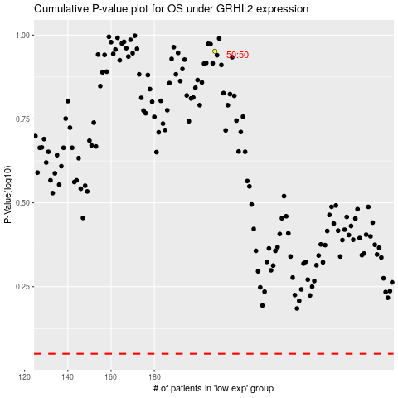

 |  |  |  |  |  | cases_OS | p_OS | rank | exp
 |  |  |  |  |  |  | cases_RFS | p_RFS | rank | exp

