GRID1 _multivariate
Reported by Tex Li-Hsing Chi. tex@gate.sinica.edu.tw 2019-08-19

Table 2. The clinicopathological features of HNSCC cohort and GRID1 expression. (Chi square test)
Cutoff at -0.261 (49.8%)
 |  | GRID1 expression |  | GRID1 expression |  | (Optimised)
 | Features | Low | (%) | High | (%) | Case no | P-value | Remark | Matthews
Gender | Female | 154 | 37.1 | 152 | 36.6 | 415 | 0.8463 | 0 | 0
2 | Male | 53 | 12.8 | 56 | 13.5
Age at diagnosis | <=65y | 143 | 34.5 | 131 | 31.6 | 415 | 0.2269 | 0 | 0
4 | >65y | 64 | 15.4 | 77 | 18.6
Clinical T Status | T1+T2 | 72 | 17.3 | 77 | 18.6 | 415 | 0.7095 | 0 | 0
6 | T3+T4 | 135 | 32.5 | 131 | 31.6
Clinical N Status | N0 | 106 | 25.5 | 110 | 26.5 | 415 | 0.8075 | 0 | 0
8 | N1-3 | 101 | 24.3 | 98 | 23.6
Clinical M Status | M0 | 204 | 49.2 | 208 | 50.1 | 415 | 0.1232 | 0 | 0
10 | M1 | 3 | 0.7 | 0 | 0
Clinical Stage | Stage I+II | 49 | 11.8 | 53 | 12.8 | 415 | 0.7535 | 0 | 0
12 | Stage III+IV | 158 | 38.1 | 155 | 37.3
Surgical Margin status | Negative | 160 | 38.6 | 158 | 38.1 | 415 | 0.8167 | 0 | 0
14 | Positive | 47 | 11.3 | 50 | 12
Tobacco Exposure | Low | 78 | 18.8 | 83 | 20 | 415 | 0.6873 | 0 | 0
16 | High | 129 | 31.1 | 125 | 30.1

Table 3. Univariate/Multivariate Cox's proportional hazards regression analyses on OS time of GRID1 gene expression in HNSCC

 |  | Univariate |  |  |  | Multivariate
 | Features | HR | CI95%(L) | CI95%(H) | P-value | HR | CI95%(L) | CI95%(H) | P-value
1 | Female | 1 |  |  |  | 1
Gender | Male | 1.157 | 0.843 | 1.587 | 0.367 | 1.202 | 0.86 | 1.679 | 0.281
11 | <=65y | 1 |  |  |  | 1
Age at diagnosis | >65y | 1.329 | 0.99 | 1.784 | 0.058 | 1.397 | 1.027 | 1.9 | 0.033
12 | T1+T2 | 1 |  |  |  | 1
Clinical T Status | T3+T4 | 1.409 | 1.028 | 1.931 | 0.033 | 2.187 | 1.156 | 4.138 | 0.016
13 | N0 | 1 |  |  |  | 1
Clinical N Status | N1-3 | 1.185 | 0.89 | 1.577 | 0.246 | 1.239 | 0.868 | 1.768 | 0.237
14 | M0 | 1 |  |  |  | 1
Clinical M Status | M1 | 4.097 | 1.009 | 16.644 | 0.049 | 9.053 | 1.957 | 41.883 | 0.005
15 | Stage I+II | 1 |  |  |  | 1
Clinical Stage | Stage III+IV | 1.245 | 0.882 | 1.759 | 0.213 | 0.509 | 0.237 | 1.094 | 0.084
16 | Negative | 1 |  |  |  | 1
Surgical Margin status | Positive | 1.591 | 1.155 | 2.191 | 0.004 | 1.668 | 1.207 | 2.305 | 0.002
17 | Low | 1 |  |  |  | 1
Tobacco Exposure | High | 1.364 | 1.008 | 1.844 | 0.044 | 1.455 | 1.056 | 2.006 | 0.022
18 | Low | 1 |  |  |  | 1
RNAseq(z-score) | High | 0.913 | 0.686 | 1.216 | 0.536 | 0.937 | 0.702 | 1.251 | 0.66

Table 4. Univariate/Multivariate Cox's proportional hazards regression analyses on RFS time of GRID1 gene expression in HNSCC

 |  | Univariate |  |  |  | Multivariate
 | Features | HR | CI95%(L) | CI95%(H) | P-value | HR | CI95%(L) | CI95%(H) | P-value
1 | Female | 1 |  |  |  | 1
Gender | Male | 1.157 | 0.843 | 1.587 | 0.367 | 1.202 | 0.86 | 1.679 | 0.281
11 | <=65y | 1 |  |  |  | 1
Age at diagnosis | >65y | 1.329 | 0.99 | 1.784 | 0.058 | 1.397 | 1.027 | 1.9 | 0.033
12 | T1+T2 | 1 |  |  |  | 1
Clinical T Status | T3+T4 | 1.409 | 1.028 | 1.931 | 0.033 | 2.187 | 1.156 | 4.138 | 0.016
13 | N0 | 1 |  |  |  | 1
Clinical N Status | N1-3 | 1.185 | 0.89 | 1.577 | 0.246 | 1.239 | 0.868 | 1.768 | 0.237
14 | M0 | 1 |  |  |  | 1
Clinical M Status | M1 | 4.097 | 1.009 | 16.644 | 0.049 | 9.053 | 1.957 | 41.883 | 0.005
15 | Stage I+II | 1 |  |  |  | 1
Clinical Stage | Stage III+IV | 1.245 | 0.882 | 1.759 | 0.213 | 0.509 | 0.237 | 1.094 | 0.084
16 | Negative | 1 |  |  |  | 1
Surgical Margin status | Positive | 1.591 | 1.155 | 2.191 | 0.004 | 1.668 | 1.207 | 2.305 | 0.002
17 | Low | 1 |  |  |  | 1
Tobacco Exposure | High | 1.364 | 1.008 | 1.844 | 0.044 | 1.455 | 1.056 | 2.006 | 0.022
18 | Low | 1 |  |  |  | 1
RNAseq(z-score) | High | 0.913 | 0.686 | 1.216 | 0.536 | 0.937 | 0.702 | 1.251 | 0.66

Kaplan-Meier survival estimate: Cutoff at -0.261 (49.8%)



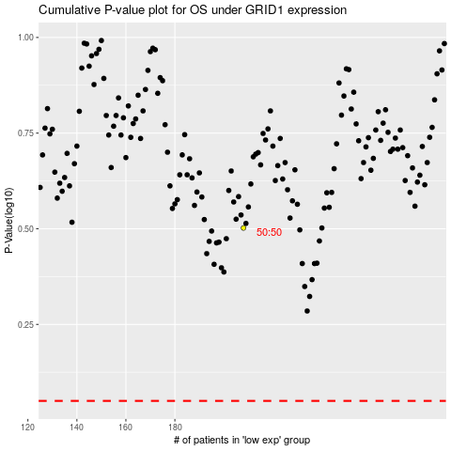

 |  |  |  |  |  | cases_OS | p_OS | rank | exp
 |  |  |  |  |  |  | cases_RFS | p_RFS | rank | exp

