GRIK1 _multivariate
Reported by Tex Li-Hsing Chi. tex@gate.sinica.edu.tw 2019-08-19

Table 2. The clinicopathological features of HNSCC cohort and GRIK1 expression. (Chi square test)
Cutoff at -0.187 (50.0%)
 |  | GRIK1 expression |  | GRIK1 expression |  | (Optimised)
 | Features | Low | (%) | High | (%) | Case no | P-value | Remark | Matthews
Gender | Female | 145 | 34.9 | 161 | 38.8 | 415 | 0.1116 | 0 | 0
2 | Male | 62 | 14.9 | 47 | 11.3
Age at diagnosis | <=65y | 134 | 32.3 | 140 | 33.7 | 415 | 0.6529 | 0 | 0
4 | >65y | 73 | 17.6 | 68 | 16.4
Clinical T Status | T1+T2 | 68 | 16.4 | 81 | 19.5 | 415 | 0.2336 | 0 | 0
6 | T3+T4 | 139 | 33.5 | 127 | 30.6
Clinical N Status | N0 | 102 | 24.6 | 114 | 27.5 | 415 | 0.3031 | 0 | 0
8 | N1-3 | 105 | 25.3 | 94 | 22.7
Clinical M Status | M0 | 205 | 49.4 | 207 | 49.9 | 415 | 0.6232 | 0 | 0
10 | M1 | 2 | 0.5 | 1 | 0.2
Clinical Stage | Stage I+II | 45 | 10.8 | 57 | 13.7 | 415 | 0.2202 | 0 | 0
12 | Stage III+IV | 162 | 39 | 151 | 36.4
Surgical Margin status | Negative | 163 | 39.3 | 155 | 37.3 | 415 | 0.3537 | 0 | 0
14 | Positive | 44 | 10.6 | 53 | 12.8
Tobacco Exposure | Low | 72 | 17.3 | 89 | 21.4 | 415 | 0.1071 | 0 | 0
16 | High | 135 | 32.5 | 119 | 28.7

Table 3. Univariate/Multivariate Cox's proportional hazards regression analyses on OS time of GRIK1 gene expression in HNSCC

 |  | Univariate |  |  |  | Multivariate
 | Features | HR | CI95%(L) | CI95%(H) | P-value | HR | CI95%(L) | CI95%(H) | P-value
1 | Female | 1 |  |  |  | 1
Gender | Male | 1.157 | 0.843 | 1.587 | 0.367 | 1.198 | 0.857 | 1.674 | 0.29
11 | <=65y | 1 |  |  |  | 1
Age at diagnosis | >65y | 1.329 | 0.99 | 1.784 | 0.058 | 1.388 | 1.021 | 1.887 | 0.036
12 | T1+T2 | 1 |  |  |  | 1
Clinical T Status | T3+T4 | 1.409 | 1.028 | 1.931 | 0.033 | 2.2 | 1.163 | 4.158 | 0.015
13 | N0 | 1 |  |  |  | 1
Clinical N Status | N1-3 | 1.185 | 0.89 | 1.577 | 0.246 | 1.238 | 0.868 | 1.767 | 0.239
14 | M0 | 1 |  |  |  | 1
Clinical M Status | M1 | 4.097 | 1.009 | 16.644 | 0.049 | 9.369 | 2.044 | 42.949 | 0.004
15 | Stage I+II | 1 |  |  |  | 1
Clinical Stage | Stage III+IV | 1.245 | 0.882 | 1.759 | 0.213 | 0.502 | 0.234 | 1.078 | 0.077
16 | Negative | 1 |  |  |  | 1
Surgical Margin status | Positive | 1.591 | 1.155 | 2.191 | 0.004 | 1.683 | 1.216 | 2.329 | 0.002
17 | Low | 1 |  |  |  | 1
Tobacco Exposure | High | 1.364 | 1.008 | 1.844 | 0.044 | 1.451 | 1.053 | 1.999 | 0.023
18 | Low | 1 |  |  |  | 1
RNAseq(z-score) | High | 0.933 | 0.7 | 1.243 | 0.634 | 0.944 | 0.706 | 1.262 | 0.697

Table 4. Univariate/Multivariate Cox's proportional hazards regression analyses on RFS time of GRIK1 gene expression in HNSCC

 |  | Univariate |  |  |  | Multivariate
 | Features | HR | CI95%(L) | CI95%(H) | P-value | HR | CI95%(L) | CI95%(H) | P-value
1 | Female | 1 |  |  |  | 1
Gender | Male | 1.157 | 0.843 | 1.587 | 0.367 | 1.198 | 0.857 | 1.674 | 0.29
11 | <=65y | 1 |  |  |  | 1
Age at diagnosis | >65y | 1.329 | 0.99 | 1.784 | 0.058 | 1.388 | 1.021 | 1.887 | 0.036
12 | T1+T2 | 1 |  |  |  | 1
Clinical T Status | T3+T4 | 1.409 | 1.028 | 1.931 | 0.033 | 2.2 | 1.163 | 4.158 | 0.015
13 | N0 | 1 |  |  |  | 1
Clinical N Status | N1-3 | 1.185 | 0.89 | 1.577 | 0.246 | 1.238 | 0.868 | 1.767 | 0.239
14 | M0 | 1 |  |  |  | 1
Clinical M Status | M1 | 4.097 | 1.009 | 16.644 | 0.049 | 9.369 | 2.044 | 42.949 | 0.004
15 | Stage I+II | 1 |  |  |  | 1
Clinical Stage | Stage III+IV | 1.245 | 0.882 | 1.759 | 0.213 | 0.502 | 0.234 | 1.078 | 0.077
16 | Negative | 1 |  |  |  | 1
Surgical Margin status | Positive | 1.591 | 1.155 | 2.191 | 0.004 | 1.683 | 1.216 | 2.329 | 0.002
17 | Low | 1 |  |  |  | 1
Tobacco Exposure | High | 1.364 | 1.008 | 1.844 | 0.044 | 1.451 | 1.053 | 1.999 | 0.023
18 | Low | 1 |  |  |  | 1
RNAseq(z-score) | High | 0.933 | 0.7 | 1.243 | 0.634 | 0.944 | 0.706 | 1.262 | 0.697

Kaplan-Meier survival estimate: Cutoff at -0.187 (50.0%)



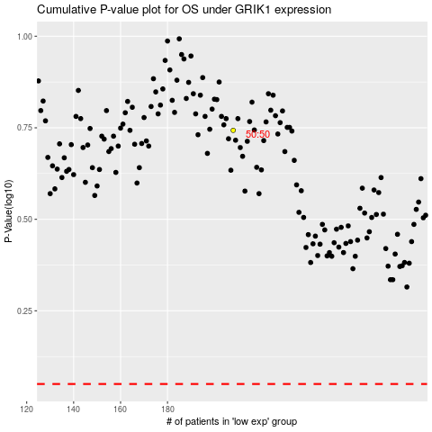

 |  |  |  |  |  | cases_OS | p_OS | rank | exp
 |  |  |  |  |  |  | cases_RFS | p_RFS | rank | exp

