GRIK3 _multivariate
Reported by Tex Li-Hsing Chi. tex@gate.sinica.edu.tw 2019-08-19

Table 2. The clinicopathological features of HNSCC cohort and GRIK3 expression. (Chi square test)
Cutoff at -0.198 (49.8%)
 |  | GRIK3 expression |  | GRIK3 expression |  | (Optimised)
 | Features | Low | (%) | High | (%) | Case no | P-value | Remark | Matthews
Gender | Female | 161 | 38.8 | 145 | 34.9 | 415 | 0.0792 | 0 | 0
2 | Male | 46 | 11.1 | 63 | 15.2
Age at diagnosis | <=65y | 129 | 31.1 | 145 | 34.9 | 415 | 0.1372 | 0 | 0
4 | >65y | 78 | 18.8 | 63 | 15.2
Clinical T Status | T1+T2 | 65 | 15.7 | 84 | 20.2 | 415 | 0.0711 | 0 | 0
6 | T3+T4 | 142 | 34.2 | 124 | 29.9
Clinical N Status | N0 | 101 | 24.3 | 115 | 27.7 | 415 | 0.2201 | 0 | 0
8 | N1-3 | 106 | 25.5 | 93 | 22.4
Clinical M Status | M0 | 204 | 49.2 | 208 | 50.1 | 415 | 0.1232 | 0 | 0
10 | M1 | 3 | 0.7 | 0 | 0
Clinical Stage | Stage I+II | 43 | 10.4 | 59 | 14.2 | 415 | 0.0925 | 0 | 0
12 | Stage III+IV | 164 | 39.5 | 149 | 35.9
Surgical Margin status | Negative | 163 | 39.3 | 155 | 37.3 | 415 | 0.3537 | 0 | 0
14 | Positive | 44 | 10.6 | 53 | 12.8
Tobacco Exposure | Low | 77 | 18.6 | 84 | 20.2 | 415 | 0.5459 | 0 | 0
16 | High | 130 | 31.3 | 124 | 29.9

Table 3. Univariate/Multivariate Cox's proportional hazards regression analyses on OS time of GRIK3 gene expression in HNSCC

 |  | Univariate |  |  |  | Multivariate
 | Features | HR | CI95%(L) | CI95%(H) | P-value | HR | CI95%(L) | CI95%(H) | P-value
1 | Female | 1 |  |  |  | 1
Gender | Male | 1.157 | 0.843 | 1.587 | 0.367 | 1.221 | 0.872 | 1.711 | 0.246
11 | <=65y | 1 |  |  |  | 1
Age at diagnosis | >65y | 1.329 | 0.99 | 1.784 | 0.058 | 1.369 | 1.005 | 1.867 | 0.047
12 | T1+T2 | 1 |  |  |  | 1
Clinical T Status | T3+T4 | 1.409 | 1.028 | 1.931 | 0.033 | 2.2 | 1.163 | 4.162 | 0.015
13 | N0 | 1 |  |  |  | 1
Clinical N Status | N1-3 | 1.185 | 0.89 | 1.577 | 0.246 | 1.227 | 0.859 | 1.754 | 0.26
14 | M0 | 1 |  |  |  | 1
Clinical M Status | M1 | 4.097 | 1.009 | 16.644 | 0.049 | 8.966 | 1.946 | 41.31 | 0.005
15 | Stage I+II | 1 |  |  |  | 1
Clinical Stage | Stage III+IV | 1.245 | 0.882 | 1.759 | 0.213 | 0.504 | 0.235 | 1.082 | 0.079
16 | Negative | 1 |  |  |  | 1
Surgical Margin status | Positive | 1.591 | 1.155 | 2.191 | 0.004 | 1.709 | 1.23 | 2.375 | 0.001
17 | Low | 1 |  |  |  | 1
Tobacco Exposure | High | 1.364 | 1.008 | 1.844 | 0.044 | 1.443 | 1.046 | 1.99 | 0.025
18 | Low | 1 |  |  |  | 1
RNAseq(z-score) | High | 0.872 | 0.654 | 1.161 | 0.348 | 0.892 | 0.661 | 1.204 | 0.455

Table 4. Univariate/Multivariate Cox's proportional hazards regression analyses on RFS time of GRIK3 gene expression in HNSCC

 |  | Univariate |  |  |  | Multivariate
 | Features | HR | CI95%(L) | CI95%(H) | P-value | HR | CI95%(L) | CI95%(H) | P-value
1 | Female | 1 |  |  |  | 1
Gender | Male | 1.157 | 0.843 | 1.587 | 0.367 | 1.221 | 0.872 | 1.711 | 0.246
11 | <=65y | 1 |  |  |  | 1
Age at diagnosis | >65y | 1.329 | 0.99 | 1.784 | 0.058 | 1.369 | 1.005 | 1.867 | 0.047
12 | T1+T2 | 1 |  |  |  | 1
Clinical T Status | T3+T4 | 1.409 | 1.028 | 1.931 | 0.033 | 2.2 | 1.163 | 4.162 | 0.015
13 | N0 | 1 |  |  |  | 1
Clinical N Status | N1-3 | 1.185 | 0.89 | 1.577 | 0.246 | 1.227 | 0.859 | 1.754 | 0.26
14 | M0 | 1 |  |  |  | 1
Clinical M Status | M1 | 4.097 | 1.009 | 16.644 | 0.049 | 8.966 | 1.946 | 41.31 | 0.005
15 | Stage I+II | 1 |  |  |  | 1
Clinical Stage | Stage III+IV | 1.245 | 0.882 | 1.759 | 0.213 | 0.504 | 0.235 | 1.082 | 0.079
16 | Negative | 1 |  |  |  | 1
Surgical Margin status | Positive | 1.591 | 1.155 | 2.191 | 0.004 | 1.709 | 1.23 | 2.375 | 0.001
17 | Low | 1 |  |  |  | 1
Tobacco Exposure | High | 1.364 | 1.008 | 1.844 | 0.044 | 1.443 | 1.046 | 1.99 | 0.025
18 | Low | 1 |  |  |  | 1
RNAseq(z-score) | High | 0.872 | 0.654 | 1.161 | 0.348 | 0.892 | 0.661 | 1.204 | 0.455

Kaplan-Meier survival estimate: Cutoff at -0.198 (49.8%)



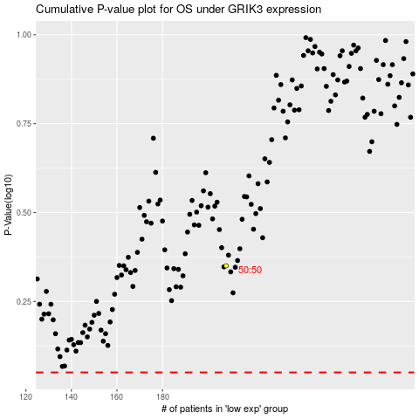

 |  |  |  |  |  | cases_OS | p_OS | rank | exp
 |  |  |  |  |  |  | cases_RFS | p_RFS | rank | exp

