GRIK4 _multivariate
Reported by Tex Li-Hsing Chi. tex@gate.sinica.edu.tw 2019-08-19

Table 2. The clinicopathological features of HNSCC cohort and GRIK4 expression. (Chi square test)
Cutoff at -0.209 (49.8%)
 |  | GRIK4 expression |  | GRIK4 expression |  | (Optimised)
 | Features | Low | (%) | High | (%) | Case no | P-value | Remark | Matthews
Gender | Female | 144 | 34.7 | 162 | 39 | 415 | 0.0697 | 0 | 0
2 | Male | 63 | 15.2 | 46 | 11.1
Age at diagnosis | <=65y | 139 | 33.5 | 135 | 32.5 | 415 | 0.7044 | 0 | 0
4 | >65y | 68 | 16.4 | 73 | 17.6
Clinical T Status | T1+T2 | 73 | 17.6 | 76 | 18.3 | 415 | 0.8666 | 0 | 0
6 | T3+T4 | 134 | 32.3 | 132 | 31.8
Clinical N Status | N0 | 96 | 23.1 | 120 | 28.9 | 415 | 0.0272 | 1 | 0
8 | N1-3 | 111 | 26.7 | 88 | 21.2
Clinical M Status | M0 | 204 | 49.2 | 208 | 50.1 | 415 | 0.1232 | 0 | 0
10 | M1 | 3 | 0.7 | 0 | 0
Clinical Stage | Stage I+II | 49 | 11.8 | 53 | 12.8 | 415 | 0.7535 | 0 | 0
12 | Stage III+IV | 158 | 38.1 | 155 | 37.3
Surgical Margin status | Negative | 153 | 36.9 | 165 | 39.8 | 415 | 0.2036 | 0 | 0
14 | Positive | 54 | 13 | 43 | 10.4
Tobacco Exposure | Low | 88 | 21.2 | 73 | 17.6 | 415 | 0.1314 | 0 | 0
16 | High | 119 | 28.7 | 135 | 32.5

Table 3. Univariate/Multivariate Cox's proportional hazards regression analyses on OS time of GRIK4 gene expression in HNSCC

 |  | Univariate |  |  |  | Multivariate
 | Features | HR | CI95%(L) | CI95%(H) | P-value | HR | CI95%(L) | CI95%(H) | P-value
1 | Female | 1 |  |  |  | 1
Gender | Male | 1.157 | 0.843 | 1.587 | 0.367 | 1.188 | 0.85 | 1.661 | 0.313
11 | <=65y | 1 |  |  |  | 1
Age at diagnosis | >65y | 1.329 | 0.99 | 1.784 | 0.058 | 1.408 | 1.035 | 1.915 | 0.029
12 | T1+T2 | 1 |  |  |  | 1
Clinical T Status | T3+T4 | 1.409 | 1.028 | 1.931 | 0.033 | 2.141 | 1.131 | 4.051 | 0.019
13 | N0 | 1 |  |  |  | 1
Clinical N Status | N1-3 | 1.185 | 0.89 | 1.577 | 0.246 | 1.189 | 0.829 | 1.706 | 0.346
14 | M0 | 1 |  |  |  | 1
Clinical M Status | M1 | 4.097 | 1.009 | 16.644 | 0.049 | 8.501 | 1.842 | 39.236 | 0.006
15 | Stage I+II | 1 |  |  |  | 1
Clinical Stage | Stage III+IV | 1.245 | 0.882 | 1.759 | 0.213 | 0.525 | 0.244 | 1.129 | 0.099
16 | Negative | 1 |  |  |  | 1
Surgical Margin status | Positive | 1.591 | 1.155 | 2.191 | 0.004 | 1.654 | 1.197 | 2.287 | 0.002
17 | Low | 1 |  |  |  | 1
Tobacco Exposure | High | 1.364 | 1.008 | 1.844 | 0.044 | 1.495 | 1.081 | 2.068 | 0.015
18 | Low | 1 |  |  |  | 1
RNAseq(z-score) | High | 0.792 | 0.594 | 1.057 | 0.113 | 0.819 | 0.608 | 1.104 | 0.191

Table 4. Univariate/Multivariate Cox's proportional hazards regression analyses on RFS time of GRIK4 gene expression in HNSCC

 |  | Univariate |  |  |  | Multivariate
 | Features | HR | CI95%(L) | CI95%(H) | P-value | HR | CI95%(L) | CI95%(H) | P-value
1 | Female | 1 |  |  |  | 1
Gender | Male | 1.157 | 0.843 | 1.587 | 0.367 | 1.188 | 0.85 | 1.661 | 0.313
11 | <=65y | 1 |  |  |  | 1
Age at diagnosis | >65y | 1.329 | 0.99 | 1.784 | 0.058 | 1.408 | 1.035 | 1.915 | 0.029
12 | T1+T2 | 1 |  |  |  | 1
Clinical T Status | T3+T4 | 1.409 | 1.028 | 1.931 | 0.033 | 2.141 | 1.131 | 4.051 | 0.019
13 | N0 | 1 |  |  |  | 1
Clinical N Status | N1-3 | 1.185 | 0.89 | 1.577 | 0.246 | 1.189 | 0.829 | 1.706 | 0.346
14 | M0 | 1 |  |  |  | 1
Clinical M Status | M1 | 4.097 | 1.009 | 16.644 | 0.049 | 8.501 | 1.842 | 39.236 | 0.006
15 | Stage I+II | 1 |  |  |  | 1
Clinical Stage | Stage III+IV | 1.245 | 0.882 | 1.759 | 0.213 | 0.525 | 0.244 | 1.129 | 0.099
16 | Negative | 1 |  |  |  | 1
Surgical Margin status | Positive | 1.591 | 1.155 | 2.191 | 0.004 | 1.654 | 1.197 | 2.287 | 0.002
17 | Low | 1 |  |  |  | 1
Tobacco Exposure | High | 1.364 | 1.008 | 1.844 | 0.044 | 1.495 | 1.081 | 2.068 | 0.015
18 | Low | 1 |  |  |  | 1
RNAseq(z-score) | High | 0.792 | 0.594 | 1.057 | 0.113 | 0.819 | 0.608 | 1.104 | 0.191

Kaplan-Meier survival estimate: Cutoff at -0.209 (49.8%)



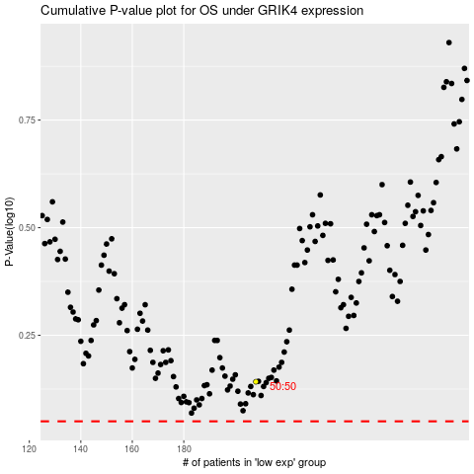

 |  |  |  |  |  | cases_OS | p_OS | rank | exp
 |  |  |  |  |  |  | cases_RFS | p_RFS | rank | exp

