GRIN1 _multivariate
Reported by Tex Li-Hsing Chi. tex@gate.sinica.edu.tw 2019-08-19

Table 2. The clinicopathological features of HNSCC cohort and GRIN1 expression. (Chi square test)
Cutoff at -0.378 (49.8%)
 |  | GRIN1 expression |  | GRIN1 expression |  | (Optimised)
 | Features | Low | (%) | High | (%) | Case no | P-value | Remark | Matthews
Gender | Female | 151 | 36.4 | 155 | 37.3 | 415 | 0.8007 | 0 | 0
2 | Male | 56 | 13.5 | 53 | 12.8
Age at diagnosis | <=65y | 129 | 31.1 | 145 | 34.9 | 415 | 0.1372 | 0 | 0
4 | >65y | 78 | 18.8 | 63 | 15.2
Clinical T Status | T1+T2 | 90 | 21.7 | 59 | 14.2 | 415 | 0.0019 | 1 | 0
6 | T3+T4 | 117 | 28.2 | 149 | 35.9
Clinical N Status | N0 | 100 | 24.1 | 116 | 28 | 415 | 0.1548 | 0 | 0
8 | N1-3 | 107 | 25.8 | 92 | 22.2
Clinical M Status | M0 | 204 | 49.2 | 208 | 50.1 | 415 | 0.1232 | 0 | 0
10 | M1 | 3 | 0.7 | 0 | 0
Clinical Stage | Stage I+II | 58 | 14 | 44 | 10.6 | 415 | 0.131 | 0 | 0
12 | Stage III+IV | 149 | 35.9 | 164 | 39.5
Surgical Margin status | Negative | 155 | 37.3 | 163 | 39.3 | 415 | 0.4187 | 0 | 0
14 | Positive | 52 | 12.5 | 45 | 10.8
Tobacco Exposure | Low | 100 | 24.1 | 61 | 14.7 | 415 | 1e-04 | 1 | 0
16 | High | 107 | 25.8 | 147 | 35.4

Table 3. Univariate/Multivariate Cox's proportional hazards regression analyses on OS time of GRIN1 gene expression in HNSCC

 |  | Univariate |  |  |  | Multivariate
 | Features | HR | CI95%(L) | CI95%(H) | P-value | HR | CI95%(L) | CI95%(H) | P-value
1 | Female | 1 |  |  |  | 1
Gender | Male | 1.157 | 0.843 | 1.587 | 0.367 | 1.223 | 0.876 | 1.708 | 0.238
11 | <=65y | 1 |  |  |  | 1
Age at diagnosis | >65y | 1.329 | 0.99 | 1.784 | 0.058 | 1.378 | 1.013 | 1.875 | 0.041
12 | T1+T2 | 1 |  |  |  | 1
Clinical T Status | T3+T4 | 1.409 | 1.028 | 1.931 | 0.033 | 2.248 | 1.188 | 4.256 | 0.013
13 | N0 | 1 |  |  |  | 1
Clinical N Status | N1-3 | 1.185 | 0.89 | 1.577 | 0.246 | 1.203 | 0.841 | 1.72 | 0.313
14 | M0 | 1 |  |  |  | 1
Clinical M Status | M1 | 4.097 | 1.009 | 16.644 | 0.049 | 8.761 | 1.905 | 40.294 | 0.005
15 | Stage I+II | 1 |  |  |  | 1
Clinical Stage | Stage III+IV | 1.245 | 0.882 | 1.759 | 0.213 | 0.518 | 0.241 | 1.114 | 0.092
16 | Negative | 1 |  |  |  | 1
Surgical Margin status | Positive | 1.591 | 1.155 | 2.191 | 0.004 | 1.656 | 1.198 | 2.289 | 0.002
17 | Low | 1 |  |  |  | 1
Tobacco Exposure | High | 1.364 | 1.008 | 1.844 | 0.044 | 1.5 | 1.086 | 2.074 | 0.014
18 | Low | 1 |  |  |  | 1
RNAseq(z-score) | High | 0.868 | 0.651 | 1.157 | 0.334 | 0.82 | 0.609 | 1.105 | 0.193

Table 4. Univariate/Multivariate Cox's proportional hazards regression analyses on RFS time of GRIN1 gene expression in HNSCC

 |  | Univariate |  |  |  | Multivariate
 | Features | HR | CI95%(L) | CI95%(H) | P-value | HR | CI95%(L) | CI95%(H) | P-value
1 | Female | 1 |  |  |  | 1
Gender | Male | 1.157 | 0.843 | 1.587 | 0.367 | 1.223 | 0.876 | 1.708 | 0.238
11 | <=65y | 1 |  |  |  | 1
Age at diagnosis | >65y | 1.329 | 0.99 | 1.784 | 0.058 | 1.378 | 1.013 | 1.875 | 0.041
12 | T1+T2 | 1 |  |  |  | 1
Clinical T Status | T3+T4 | 1.409 | 1.028 | 1.931 | 0.033 | 2.248 | 1.188 | 4.256 | 0.013
13 | N0 | 1 |  |  |  | 1
Clinical N Status | N1-3 | 1.185 | 0.89 | 1.577 | 0.246 | 1.203 | 0.841 | 1.72 | 0.313
14 | M0 | 1 |  |  |  | 1
Clinical M Status | M1 | 4.097 | 1.009 | 16.644 | 0.049 | 8.761 | 1.905 | 40.294 | 0.005
15 | Stage I+II | 1 |  |  |  | 1
Clinical Stage | Stage III+IV | 1.245 | 0.882 | 1.759 | 0.213 | 0.518 | 0.241 | 1.114 | 0.092
16 | Negative | 1 |  |  |  | 1
Surgical Margin status | Positive | 1.591 | 1.155 | 2.191 | 0.004 | 1.656 | 1.198 | 2.289 | 0.002
17 | Low | 1 |  |  |  | 1
Tobacco Exposure | High | 1.364 | 1.008 | 1.844 | 0.044 | 1.5 | 1.086 | 2.074 | 0.014
18 | Low | 1 |  |  |  | 1
RNAseq(z-score) | High | 0.868 | 0.651 | 1.157 | 0.334 | 0.82 | 0.609 | 1.105 | 0.193

Kaplan-Meier survival estimate: Cutoff at -0.378 (49.8%)



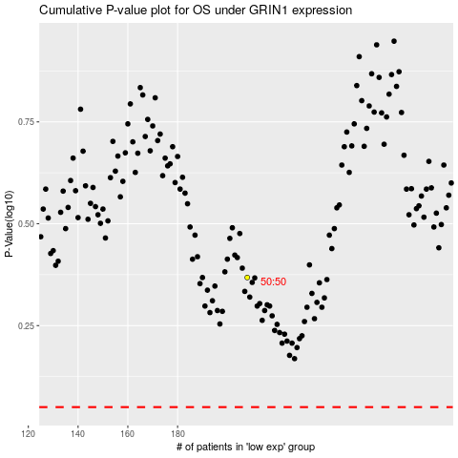

 |  |  |  |  |  | cases_OS | p_OS | rank | exp
 |  |  |  |  |  |  | cases_RFS | p_RFS | rank | exp

