GRIN2D _multivariate
Reported by Tex Li-Hsing Chi. tex@gate.sinica.edu.tw 2019-08-19

Table 2. The clinicopathological features of HNSCC cohort and GRIN2D expression. (Chi square test)
Cutoff at -0.447 (50.0%)
 |  | GRIN2D expression |  | GRIN2D expression |  | (Optimised)
 | Features | Low | (%) | High | (%) | Case no | P-value | Remark | Matthews
Gender | Female | 145 | 34.9 | 161 | 38.8 | 415 | 0.1116 | 0 | 0
2 | Male | 62 | 14.9 | 47 | 11.3
Age at diagnosis | <=65y | 128 | 30.8 | 146 | 35.2 | 415 | 0.0904 | 0 | 0
4 | >65y | 79 | 19 | 62 | 14.9
Clinical T Status | T1+T2 | 87 | 21 | 62 | 14.9 | 415 | 0.0127 | 1 | 0
6 | T3+T4 | 120 | 28.9 | 146 | 35.2
Clinical N Status | N0 | 107 | 25.8 | 109 | 26.3 | 415 | 0.9624 | 0 | 0
8 | N1-3 | 100 | 24.1 | 99 | 23.9
Clinical M Status | M0 | 206 | 49.6 | 206 | 49.6 | 415 | 1 | 0 | 0
10 | M1 | 1 | 0.2 | 2 | 0.5
Clinical Stage | Stage I+II | 58 | 14 | 44 | 10.6 | 415 | 0.131 | 0 | 0
12 | Stage III+IV | 149 | 35.9 | 164 | 39.5
Surgical Margin status | Negative | 156 | 37.6 | 162 | 39 | 415 | 0.5636 | 0 | 0
14 | Positive | 51 | 12.3 | 46 | 11.1
Tobacco Exposure | Low | 92 | 22.2 | 69 | 16.6 | 415 | 0.0206 | 1 | 0
16 | High | 115 | 27.7 | 139 | 33.5

Table 3. Univariate/Multivariate Cox's proportional hazards regression analyses on OS time of GRIN2D gene expression in HNSCC

 |  | Univariate |  |  |  | Multivariate
 | Features | HR | CI95%(L) | CI95%(H) | P-value | HR | CI95%(L) | CI95%(H) | P-value
1 | Female | 1 |  |  |  | 1
Gender | Male | 1.157 | 0.843 | 1.587 | 0.367 | 1.205 | 0.862 | 1.684 | 0.276
11 | <=65y | 1 |  |  |  | 1
Age at diagnosis | >65y | 1.329 | 0.99 | 1.784 | 0.058 | 1.397 | 1.025 | 1.902 | 0.034
12 | T1+T2 | 1 |  |  |  | 1
Clinical T Status | T3+T4 | 1.409 | 1.028 | 1.931 | 0.033 | 2.187 | 1.152 | 4.151 | 0.017
13 | N0 | 1 |  |  |  | 1
Clinical N Status | N1-3 | 1.185 | 0.89 | 1.577 | 0.246 | 1.242 | 0.87 | 1.772 | 0.232
14 | M0 | 1 |  |  |  | 1
Clinical M Status | M1 | 4.097 | 1.009 | 16.644 | 0.049 | 9.34 | 2.034 | 42.883 | 0.004
15 | Stage I+II | 1 |  |  |  | 1
Clinical Stage | Stage III+IV | 1.245 | 0.882 | 1.759 | 0.213 | 0.505 | 0.235 | 1.085 | 0.08
16 | Negative | 1 |  |  |  | 1
Surgical Margin status | Positive | 1.591 | 1.155 | 2.191 | 0.004 | 1.668 | 1.206 | 2.306 | 0.002
17 | Low | 1 |  |  |  | 1
Tobacco Exposure | High | 1.364 | 1.008 | 1.844 | 0.044 | 1.448 | 1.05 | 1.999 | 0.024
18 | Low | 1 |  |  |  | 1
RNAseq(z-score) | High | 1.095 | 0.822 | 1.459 | 0.536 | 1.03 | 0.763 | 1.389 | 0.848

Table 4. Univariate/Multivariate Cox's proportional hazards regression analyses on RFS time of GRIN2D gene expression in HNSCC

 |  | Univariate |  |  |  | Multivariate
 | Features | HR | CI95%(L) | CI95%(H) | P-value | HR | CI95%(L) | CI95%(H) | P-value
1 | Female | 1 |  |  |  | 1
Gender | Male | 1.157 | 0.843 | 1.587 | 0.367 | 1.205 | 0.862 | 1.684 | 0.276
11 | <=65y | 1 |  |  |  | 1
Age at diagnosis | >65y | 1.329 | 0.99 | 1.784 | 0.058 | 1.397 | 1.025 | 1.902 | 0.034
12 | T1+T2 | 1 |  |  |  | 1
Clinical T Status | T3+T4 | 1.409 | 1.028 | 1.931 | 0.033 | 2.187 | 1.152 | 4.151 | 0.017
13 | N0 | 1 |  |  |  | 1
Clinical N Status | N1-3 | 1.185 | 0.89 | 1.577 | 0.246 | 1.242 | 0.87 | 1.772 | 0.232
14 | M0 | 1 |  |  |  | 1
Clinical M Status | M1 | 4.097 | 1.009 | 16.644 | 0.049 | 9.34 | 2.034 | 42.883 | 0.004
15 | Stage I+II | 1 |  |  |  | 1
Clinical Stage | Stage III+IV | 1.245 | 0.882 | 1.759 | 0.213 | 0.505 | 0.235 | 1.085 | 0.08
16 | Negative | 1 |  |  |  | 1
Surgical Margin status | Positive | 1.591 | 1.155 | 2.191 | 0.004 | 1.668 | 1.206 | 2.306 | 0.002
17 | Low | 1 |  |  |  | 1
Tobacco Exposure | High | 1.364 | 1.008 | 1.844 | 0.044 | 1.448 | 1.05 | 1.999 | 0.024
18 | Low | 1 |  |  |  | 1
RNAseq(z-score) | High | 1.095 | 0.822 | 1.459 | 0.536 | 1.03 | 0.763 | 1.389 | 0.848

Kaplan-Meier survival estimate: Cutoff at -0.447 (50.0%)



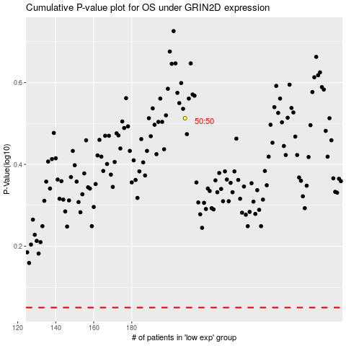

 |  |  |  |  |  | cases_OS | p_OS | rank | exp
 |  |  |  |  |  |  | cases_RFS | p_RFS | rank | exp

