GRINL1A _multivariate
Reported by Tex Li-Hsing Chi. tex@gate.sinica.edu.tw 2019-08-19

Table 2. The clinicopathological features of HNSCC cohort and GRINL1A expression. (Chi square test)
Cutoff at 0.272 (65.9%)
 |  | GRINL1A expression |  | GRINL1A expression |  | (Optimised)
 | Features | Low | (%) | High | (%) | Case no | P-value | Remark | Matthews
Gender | Female | 201 | 48.4 | 105 | 25.3 | 415 | 0.9 | 0 | 0
2 | Male | 73 | 17.6 | 36 | 8.7
Age at diagnosis | <=65y | 182 | 43.9 | 92 | 22.2 | 415 | 0.8966 | 0 | 0
4 | >65y | 92 | 22.2 | 49 | 11.8
Clinical T Status | T1+T2 | 93 | 22.4 | 56 | 13.5 | 415 | 0.2921 | 0 | 0
6 | T3+T4 | 181 | 43.6 | 85 | 20.5
Clinical N Status | N0 | 140 | 33.7 | 76 | 18.3 | 415 | 0.6613 | 0 | 0
8 | N1-3 | 134 | 32.3 | 65 | 15.7
Clinical M Status | M0 | 272 | 65.5 | 140 | 33.7 | 415 | 1 | 0 | 0
10 | M1 | 2 | 0.5 | 1 | 0.2
Clinical Stage | Stage I+II | 61 | 14.7 | 41 | 9.9 | 415 | 0.1595 | 0 | 0
12 | Stage III+IV | 213 | 51.3 | 100 | 24.1
Surgical Margin status | Negative | 212 | 51.1 | 106 | 25.5 | 415 | 0.6259 | 0 | 0
14 | Positive | 62 | 14.9 | 35 | 8.4
Tobacco Exposure | Low | 106 | 25.5 | 55 | 13.3 | 415 | 1 | 0 | 0
16 | High | 168 | 40.5 | 86 | 20.7

Table 3. Univariate/Multivariate Cox's proportional hazards regression analyses on OS time of GRINL1A gene expression in HNSCC

 |  | Univariate |  |  |  | Multivariate
 | Features | HR | CI95%(L) | CI95%(H) | P-value | HR | CI95%(L) | CI95%(H) | P-value
1 | Female | 1 |  |  |  | 1
Gender | Male | 1.157 | 0.843 | 1.587 | 0.367 | 1.225 | 0.877 | 1.711 | 0.233
11 | <=65y | 1 |  |  |  | 1
Age at diagnosis | >65y | 1.329 | 0.99 | 1.784 | 0.058 | 1.419 | 1.044 | 1.929 | 0.025
12 | T1+T2 | 1 |  |  |  | 1
Clinical T Status | T3+T4 | 1.409 | 1.028 | 1.931 | 0.033 | 2.252 | 1.191 | 4.257 | 0.012
13 | N0 | 1 |  |  |  | 1
Clinical N Status | N1-3 | 1.185 | 0.89 | 1.577 | 0.246 | 1.236 | 0.866 | 1.765 | 0.243
14 | M0 | 1 |  |  |  | 1
Clinical M Status | M1 | 4.097 | 1.009 | 16.644 | 0.049 | 10.146 | 2.208 | 46.63 | 0.003
15 | Stage I+II | 1 |  |  |  | 1
Clinical Stage | Stage III+IV | 1.245 | 0.882 | 1.759 | 0.213 | 0.51 | 0.238 | 1.095 | 0.084
16 | Negative | 1 |  |  |  | 1
Surgical Margin status | Positive | 1.591 | 1.155 | 2.191 | 0.004 | 1.665 | 1.205 | 2.3 | 0.002
17 | Low | 1 |  |  |  | 1
Tobacco Exposure | High | 1.364 | 1.008 | 1.844 | 0.044 | 1.502 | 1.09 | 2.069 | 0.013
18 | Low | 1 |  |  |  | 1
RNAseq(z-score) | High | 1.35 | 1.006 | 1.812 | 0.046 | 1.458 | 1.082 | 1.963 | 0.013

Table 4. Univariate/Multivariate Cox's proportional hazards regression analyses on RFS time of GRINL1A gene expression in HNSCC

 |  | Univariate |  |  |  | Multivariate
 | Features | HR | CI95%(L) | CI95%(H) | P-value | HR | CI95%(L) | CI95%(H) | P-value
1 | Female | 1 |  |  |  | 1
Gender | Male | 1.157 | 0.843 | 1.587 | 0.367 | 1.225 | 0.877 | 1.711 | 0.233
11 | <=65y | 1 |  |  |  | 1
Age at diagnosis | >65y | 1.329 | 0.99 | 1.784 | 0.058 | 1.419 | 1.044 | 1.929 | 0.025
12 | T1+T2 | 1 |  |  |  | 1
Clinical T Status | T3+T4 | 1.409 | 1.028 | 1.931 | 0.033 | 2.252 | 1.191 | 4.257 | 0.012
13 | N0 | 1 |  |  |  | 1
Clinical N Status | N1-3 | 1.185 | 0.89 | 1.577 | 0.246 | 1.236 | 0.866 | 1.765 | 0.243
14 | M0 | 1 |  |  |  | 1
Clinical M Status | M1 | 4.097 | 1.009 | 16.644 | 0.049 | 10.146 | 2.208 | 46.63 | 0.003
15 | Stage I+II | 1 |  |  |  | 1
Clinical Stage | Stage III+IV | 1.245 | 0.882 | 1.759 | 0.213 | 0.51 | 0.238 | 1.095 | 0.084
16 | Negative | 1 |  |  |  | 1
Surgical Margin status | Positive | 1.591 | 1.155 | 2.191 | 0.004 | 1.665 | 1.205 | 2.3 | 0.002
17 | Low | 1 |  |  |  | 1
Tobacco Exposure | High | 1.364 | 1.008 | 1.844 | 0.044 | 1.502 | 1.09 | 2.069 | 0.013
18 | Low | 1 |  |  |  | 1
RNAseq(z-score) | High | 1.35 | 1.006 | 1.812 | 0.046 | 1.458 | 1.082 | 1.963 | 0.013

Kaplan-Meier survival estimate: Cutoff at 0.272 (65.9%)



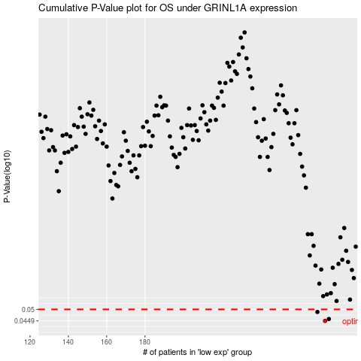

 |  |  |  |  |  | cases_OS | p_OS | rank | exp
 |  |  |  |  |  | 274 | 0.0449 | 263 | 0.27239299407
 |  |  |  |  |  | 276 | 0.0457 | 86 | 0.27888977685
 |  |  |  |  |  | 270 | 0.0488 | 409 | 0.23313978461
 |  |  |  |  |  |  | cases_RFS | p_RFS | rank | exp
 |  |  |  |  |  |  | 273 | 0.0449 | 59 | 0.27168642139
 |  |  |  |  |  |  | 275 | 0.0457 | 42 | 0.27744526313
 |  |  |  |  |  |  | 269 | 0.0488 | 184 | 0.22980846307

