GRIPAP1 _multivariate
Reported by Tex Li-Hsing Chi. tex@gate.sinica.edu.tw 2019-08-19

Table 2. The clinicopathological features of HNSCC cohort and GRIPAP1 expression. (Chi square test)
Cutoff at -0.172 (50.0%)
 |  | GRIPAP1 expression |  | GRIPAP1 expression |  | (Optimised)
 | Features | Low | (%) | High | (%) | Case no | P-value | Remark | Matthews
Gender | Female | 144 | 34.7 | 162 | 39 | 415 | 0.0697 | 0 | 0
2 | Male | 63 | 15.2 | 46 | 11.1
Age at diagnosis | <=65y | 131 | 31.6 | 143 | 34.5 | 415 | 0.2839 | 0 | 0
4 | >65y | 76 | 18.3 | 65 | 15.7
Clinical T Status | T1+T2 | 70 | 16.9 | 79 | 19 | 415 | 0.4343 | 0 | 0
6 | T3+T4 | 137 | 33 | 129 | 31.1
Clinical N Status | N0 | 107 | 25.8 | 109 | 26.3 | 415 | 0.9624 | 0 | 0
8 | N1-3 | 100 | 24.1 | 99 | 23.9
Clinical M Status | M0 | 207 | 49.9 | 205 | 49.4 | 415 | 0.2482 | 0 | 0
10 | M1 | 0 | 0 | 3 | 0.7
Clinical Stage | Stage I+II | 55 | 13.3 | 47 | 11.3 | 415 | 0.4087 | 0 | 0
12 | Stage III+IV | 152 | 36.6 | 161 | 38.8
Surgical Margin status | Negative | 165 | 39.8 | 153 | 36.9 | 415 | 0.1639 | 0 | 0
14 | Positive | 42 | 10.1 | 55 | 13.3
Tobacco Exposure | Low | 77 | 18.6 | 84 | 20.2 | 415 | 0.5459 | 0 | 0
16 | High | 130 | 31.3 | 124 | 29.9

Table 3. Univariate/Multivariate Cox's proportional hazards regression analyses on OS time of GRIPAP1 gene expression in HNSCC

 |  | Univariate |  |  |  | Multivariate
 | Features | HR | CI95%(L) | CI95%(H) | P-value | HR | CI95%(L) | CI95%(H) | P-value
1 | Female | 1 |  |  |  | 1
Gender | Male | 1.157 | 0.843 | 1.587 | 0.367 | 1.199 | 0.858 | 1.677 | 0.288
11 | <=65y | 1 |  |  |  | 1
Age at diagnosis | >65y | 1.329 | 0.99 | 1.784 | 0.058 | 1.39 | 1.021 | 1.89 | 0.036
12 | T1+T2 | 1 |  |  |  | 1
Clinical T Status | T3+T4 | 1.409 | 1.028 | 1.931 | 0.033 | 2.197 | 1.161 | 4.158 | 0.016
13 | N0 | 1 |  |  |  | 1
Clinical N Status | N1-3 | 1.185 | 0.89 | 1.577 | 0.246 | 1.24 | 0.869 | 1.769 | 0.236
14 | M0 | 1 |  |  |  | 1
Clinical M Status | M1 | 4.097 | 1.009 | 16.644 | 0.049 | 9.481 | 2.06 | 43.647 | 0.004
15 | Stage I+II | 1 |  |  |  | 1
Clinical Stage | Stage III+IV | 1.245 | 0.882 | 1.759 | 0.213 | 0.506 | 0.236 | 1.088 | 0.081
16 | Negative | 1 |  |  |  | 1
Surgical Margin status | Positive | 1.591 | 1.155 | 2.191 | 0.004 | 1.675 | 1.211 | 2.316 | 0.002
17 | Low | 1 |  |  |  | 1
Tobacco Exposure | High | 1.364 | 1.008 | 1.844 | 0.044 | 1.452 | 1.054 | 2.001 | 0.023
18 | Low | 1 |  |  |  | 1
RNAseq(z-score) | High | 0.957 | 0.718 | 1.274 | 0.762 | 0.98 | 0.732 | 1.312 | 0.891

Table 4. Univariate/Multivariate Cox's proportional hazards regression analyses on RFS time of GRIPAP1 gene expression in HNSCC

 |  | Univariate |  |  |  | Multivariate
 | Features | HR | CI95%(L) | CI95%(H) | P-value | HR | CI95%(L) | CI95%(H) | P-value
1 | Female | 1 |  |  |  | 1
Gender | Male | 1.157 | 0.843 | 1.587 | 0.367 | 1.199 | 0.858 | 1.677 | 0.288
11 | <=65y | 1 |  |  |  | 1
Age at diagnosis | >65y | 1.329 | 0.99 | 1.784 | 0.058 | 1.39 | 1.021 | 1.89 | 0.036
12 | T1+T2 | 1 |  |  |  | 1
Clinical T Status | T3+T4 | 1.409 | 1.028 | 1.931 | 0.033 | 2.197 | 1.161 | 4.158 | 0.016
13 | N0 | 1 |  |  |  | 1
Clinical N Status | N1-3 | 1.185 | 0.89 | 1.577 | 0.246 | 1.24 | 0.869 | 1.769 | 0.236
14 | M0 | 1 |  |  |  | 1
Clinical M Status | M1 | 4.097 | 1.009 | 16.644 | 0.049 | 9.481 | 2.06 | 43.647 | 0.004
15 | Stage I+II | 1 |  |  |  | 1
Clinical Stage | Stage III+IV | 1.245 | 0.882 | 1.759 | 0.213 | 0.506 | 0.236 | 1.088 | 0.081
16 | Negative | 1 |  |  |  | 1
Surgical Margin status | Positive | 1.591 | 1.155 | 2.191 | 0.004 | 1.675 | 1.211 | 2.316 | 0.002
17 | Low | 1 |  |  |  | 1
Tobacco Exposure | High | 1.364 | 1.008 | 1.844 | 0.044 | 1.452 | 1.054 | 2.001 | 0.023
18 | Low | 1 |  |  |  | 1
RNAseq(z-score) | High | 0.957 | 0.718 | 1.274 | 0.762 | 0.98 | 0.732 | 1.312 | 0.891

Kaplan-Meier survival estimate: Cutoff at -0.172 (50.0%)



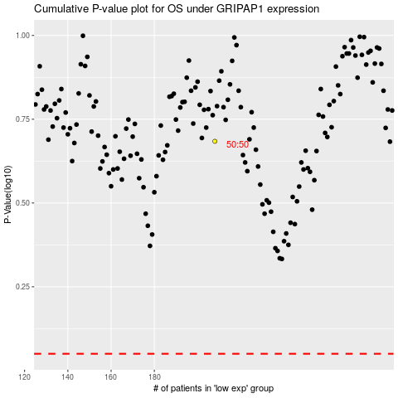

 |  |  |  |  |  | cases_OS | p_OS | rank | exp
 |  |  |  |  |  |  | cases_RFS | p_RFS | rank | exp

