GRK4 _multivariate
Reported by Tex Li-Hsing Chi. tex@gate.sinica.edu.tw 2019-08-19

Table 2. The clinicopathological features of HNSCC cohort and GRK4 expression. (Chi square test)
Cutoff at -0.103 (50.0%)
 |  | GRK4 expression |  | GRK4 expression |  | (Optimised)
 | Features | Low | (%) | High | (%) | Case no | P-value | Remark | Matthews
Gender | Female | 162 | 39 | 144 | 34.7 | 415 | 0.0479 | 1 | 0
2 | Male | 45 | 10.8 | 64 | 15.4
Age at diagnosis | <=65y | 135 | 32.5 | 139 | 33.5 | 415 | 0.8084 | 0 | 0
4 | >65y | 72 | 17.3 | 69 | 16.6
Clinical T Status | T1+T2 | 76 | 18.3 | 73 | 17.6 | 415 | 0.8092 | 0 | 0
6 | T3+T4 | 131 | 31.6 | 135 | 32.5
Clinical N Status | N0 | 104 | 25.1 | 112 | 27 | 415 | 0.5243 | 0 | 0
8 | N1-3 | 103 | 24.8 | 96 | 23.1
Clinical M Status | M0 | 206 | 49.6 | 206 | 49.6 | 415 | 1 | 0 | 0
10 | M1 | 1 | 0.2 | 2 | 0.5
Clinical Stage | Stage I+II | 49 | 11.8 | 53 | 12.8 | 415 | 0.7535 | 0 | 0
12 | Stage III+IV | 158 | 38.1 | 155 | 37.3
Surgical Margin status | Negative | 156 | 37.6 | 162 | 39 | 415 | 0.5636 | 0 | 0
14 | Positive | 51 | 12.3 | 46 | 11.1
Tobacco Exposure | Low | 74 | 17.8 | 87 | 21 | 415 | 0.227 | 0 | 0
16 | High | 133 | 32 | 121 | 29.2

Table 3. Univariate/Multivariate Cox's proportional hazards regression analyses on OS time of GRK4 gene expression in HNSCC

 |  | Univariate |  |  |  | Multivariate
 | Features | HR | CI95%(L) | CI95%(H) | P-value | HR | CI95%(L) | CI95%(H) | P-value
1 | Female | 1 |  |  |  | 1
Gender | Male | 1.157 | 0.843 | 1.587 | 0.367 | 1.221 | 0.872 | 1.711 | 0.245
11 | <=65y | 1 |  |  |  | 1
Age at diagnosis | >65y | 1.329 | 0.99 | 1.784 | 0.058 | 1.385 | 1.019 | 1.883 | 0.038
12 | T1+T2 | 1 |  |  |  | 1
Clinical T Status | T3+T4 | 1.409 | 1.028 | 1.931 | 0.033 | 2.235 | 1.181 | 4.232 | 0.014
13 | N0 | 1 |  |  |  | 1
Clinical N Status | N1-3 | 1.185 | 0.89 | 1.577 | 0.246 | 1.233 | 0.864 | 1.76 | 0.248
14 | M0 | 1 |  |  |  | 1
Clinical M Status | M1 | 4.097 | 1.009 | 16.644 | 0.049 | 9.906 | 2.146 | 45.717 | 0.003
15 | Stage I+II | 1 |  |  |  | 1
Clinical Stage | Stage III+IV | 1.245 | 0.882 | 1.759 | 0.213 | 0.499 | 0.232 | 1.072 | 0.075
16 | Negative | 1 |  |  |  | 1
Surgical Margin status | Positive | 1.591 | 1.155 | 2.191 | 0.004 | 1.674 | 1.211 | 2.314 | 0.002
17 | Low | 1 |  |  |  | 1
Tobacco Exposure | High | 1.364 | 1.008 | 1.844 | 0.044 | 1.443 | 1.047 | 1.988 | 0.025
18 | Low | 1 |  |  |  | 1
RNAseq(z-score) | High | 0.926 | 0.695 | 1.233 | 0.597 | 0.898 | 0.67 | 1.205 | 0.475

Table 4. Univariate/Multivariate Cox's proportional hazards regression analyses on RFS time of GRK4 gene expression in HNSCC

 |  | Univariate |  |  |  | Multivariate
 | Features | HR | CI95%(L) | CI95%(H) | P-value | HR | CI95%(L) | CI95%(H) | P-value
1 | Female | 1 |  |  |  | 1
Gender | Male | 1.157 | 0.843 | 1.587 | 0.367 | 1.221 | 0.872 | 1.711 | 0.245
11 | <=65y | 1 |  |  |  | 1
Age at diagnosis | >65y | 1.329 | 0.99 | 1.784 | 0.058 | 1.385 | 1.019 | 1.883 | 0.038
12 | T1+T2 | 1 |  |  |  | 1
Clinical T Status | T3+T4 | 1.409 | 1.028 | 1.931 | 0.033 | 2.235 | 1.181 | 4.232 | 0.014
13 | N0 | 1 |  |  |  | 1
Clinical N Status | N1-3 | 1.185 | 0.89 | 1.577 | 0.246 | 1.233 | 0.864 | 1.76 | 0.248
14 | M0 | 1 |  |  |  | 1
Clinical M Status | M1 | 4.097 | 1.009 | 16.644 | 0.049 | 9.906 | 2.146 | 45.717 | 0.003
15 | Stage I+II | 1 |  |  |  | 1
Clinical Stage | Stage III+IV | 1.245 | 0.882 | 1.759 | 0.213 | 0.499 | 0.232 | 1.072 | 0.075
16 | Negative | 1 |  |  |  | 1
Surgical Margin status | Positive | 1.591 | 1.155 | 2.191 | 0.004 | 1.674 | 1.211 | 2.314 | 0.002
17 | Low | 1 |  |  |  | 1
Tobacco Exposure | High | 1.364 | 1.008 | 1.844 | 0.044 | 1.443 | 1.047 | 1.988 | 0.025
18 | Low | 1 |  |  |  | 1
RNAseq(z-score) | High | 0.926 | 0.695 | 1.233 | 0.597 | 0.898 | 0.67 | 1.205 | 0.475

Kaplan-Meier survival estimate: Cutoff at -0.103 (50.0%)



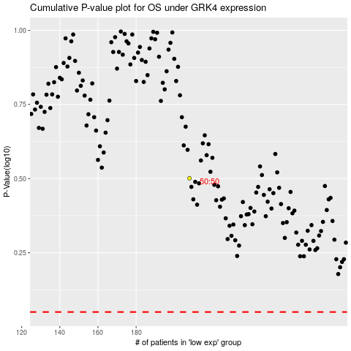

 |  |  |  |  |  | cases_OS | p_OS | rank | exp
 |  |  |  |  |  |  | cases_RFS | p_RFS | rank | exp

