GRK6 _multivariate
Reported by Tex Li-Hsing Chi. tex@gate.sinica.edu.tw 2019-08-19

Table 2. The clinicopathological features of HNSCC cohort and GRK6 expression. (Chi square test)
Cutoff at -0.252 (49.8%)
 |  | GRK6 expression |  | GRK6 expression |  | (Optimised)
 | Features | Low | (%) | High | (%) | Case no | P-value | Remark | Matthews
Gender | Female | 147 | 35.4 | 159 | 38.3 | 415 | 0.2523 | 0 | 0
2 | Male | 60 | 14.5 | 49 | 11.8
Age at diagnosis | <=65y | 134 | 32.3 | 140 | 33.7 | 415 | 0.6529 | 0 | 0
4 | >65y | 73 | 17.6 | 68 | 16.4
Clinical T Status | T1+T2 | 69 | 16.6 | 80 | 19.3 | 415 | 0.3239 | 0 | 0
6 | T3+T4 | 138 | 33.3 | 128 | 30.8
Clinical N Status | N0 | 111 | 26.7 | 105 | 25.3 | 415 | 0.5875 | 0 | 0
8 | N1-3 | 96 | 23.1 | 103 | 24.8
Clinical M Status | M0 | 206 | 49.6 | 206 | 49.6 | 415 | 1 | 0 | 0
10 | M1 | 1 | 0.2 | 2 | 0.5
Clinical Stage | Stage I+II | 51 | 12.3 | 51 | 12.3 | 415 | 1 | 0 | 0
12 | Stage III+IV | 156 | 37.6 | 157 | 37.8
Surgical Margin status | Negative | 160 | 38.6 | 158 | 38.1 | 415 | 0.8167 | 0 | 0
14 | Positive | 47 | 11.3 | 50 | 12
Tobacco Exposure | Low | 84 | 20.2 | 77 | 18.6 | 415 | 0.4816 | 0 | 0
16 | High | 123 | 29.6 | 131 | 31.6

Table 3. Univariate/Multivariate Cox's proportional hazards regression analyses on OS time of GRK6 gene expression in HNSCC

 |  | Univariate |  |  |  | Multivariate
 | Features | HR | CI95%(L) | CI95%(H) | P-value | HR | CI95%(L) | CI95%(H) | P-value
1 | Female | 1 |  |  |  | 1
Gender | Male | 1.157 | 0.843 | 1.587 | 0.367 | 1.222 | 0.874 | 1.71 | 0.241
11 | <=65y | 1 |  |  |  | 1
Age at diagnosis | >65y | 1.329 | 0.99 | 1.784 | 0.058 | 1.401 | 1.03 | 1.906 | 0.032
12 | T1+T2 | 1 |  |  |  | 1
Clinical T Status | T3+T4 | 1.409 | 1.028 | 1.931 | 0.033 | 2.266 | 1.197 | 4.29 | 0.012
13 | N0 | 1 |  |  |  | 1
Clinical N Status | N1-3 | 1.185 | 0.89 | 1.577 | 0.246 | 1.231 | 0.863 | 1.757 | 0.251
14 | M0 | 1 |  |  |  | 1
Clinical M Status | M1 | 4.097 | 1.009 | 16.644 | 0.049 | 9.523 | 2.077 | 43.666 | 0.004
15 | Stage I+II | 1 |  |  |  | 1
Clinical Stage | Stage III+IV | 1.245 | 0.882 | 1.759 | 0.213 | 0.501 | 0.233 | 1.075 | 0.076
16 | Negative | 1 |  |  |  | 1
Surgical Margin status | Positive | 1.591 | 1.155 | 2.191 | 0.004 | 1.654 | 1.197 | 2.285 | 0.002
17 | Low | 1 |  |  |  | 1
Tobacco Exposure | High | 1.364 | 1.008 | 1.844 | 0.044 | 1.46 | 1.058 | 2.013 | 0.021
18 | Low | 1 |  |  |  | 1
RNAseq(z-score) | High | 1.205 | 0.904 | 1.606 | 0.205 | 1.243 | 0.93 | 1.661 | 0.141

Table 4. Univariate/Multivariate Cox's proportional hazards regression analyses on RFS time of GRK6 gene expression in HNSCC

 |  | Univariate |  |  |  | Multivariate
 | Features | HR | CI95%(L) | CI95%(H) | P-value | HR | CI95%(L) | CI95%(H) | P-value
1 | Female | 1 |  |  |  | 1
Gender | Male | 1.157 | 0.843 | 1.587 | 0.367 | 1.222 | 0.874 | 1.71 | 0.241
11 | <=65y | 1 |  |  |  | 1
Age at diagnosis | >65y | 1.329 | 0.99 | 1.784 | 0.058 | 1.401 | 1.03 | 1.906 | 0.032
12 | T1+T2 | 1 |  |  |  | 1
Clinical T Status | T3+T4 | 1.409 | 1.028 | 1.931 | 0.033 | 2.266 | 1.197 | 4.29 | 0.012
13 | N0 | 1 |  |  |  | 1
Clinical N Status | N1-3 | 1.185 | 0.89 | 1.577 | 0.246 | 1.231 | 0.863 | 1.757 | 0.251
14 | M0 | 1 |  |  |  | 1
Clinical M Status | M1 | 4.097 | 1.009 | 16.644 | 0.049 | 9.523 | 2.077 | 43.666 | 0.004
15 | Stage I+II | 1 |  |  |  | 1
Clinical Stage | Stage III+IV | 1.245 | 0.882 | 1.759 | 0.213 | 0.501 | 0.233 | 1.075 | 0.076
16 | Negative | 1 |  |  |  | 1
Surgical Margin status | Positive | 1.591 | 1.155 | 2.191 | 0.004 | 1.654 | 1.197 | 2.285 | 0.002
17 | Low | 1 |  |  |  | 1
Tobacco Exposure | High | 1.364 | 1.008 | 1.844 | 0.044 | 1.46 | 1.058 | 2.013 | 0.021
18 | Low | 1 |  |  |  | 1
RNAseq(z-score) | High | 1.205 | 0.904 | 1.606 | 0.205 | 1.243 | 0.93 | 1.661 | 0.141

Kaplan-Meier survival estimate: Cutoff at -0.252 (49.8%)



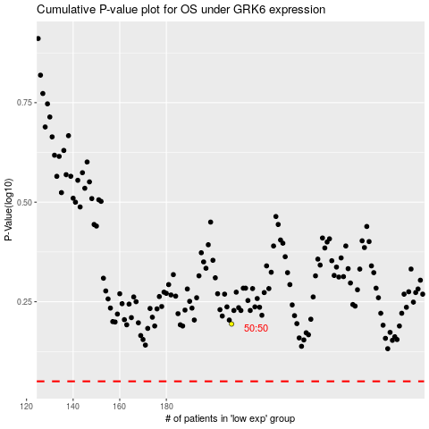

 |  |  |  |  |  | cases_OS | p_OS | rank | exp
 |  |  |  |  |  |  | cases_RFS | p_RFS | rank | exp

