GRK7 _multivariate
Reported by Tex Li-Hsing Chi. tex@gate.sinica.edu.tw 2019-08-19

Table 2. The clinicopathological features of HNSCC cohort and GRK7 expression. (Chi square test)
Cutoff at -0.206 (49.8%)
 |  | GRK7 expression |  | GRK7 expression |  | (Optimised)
 | Features | Low | (%) | High | (%) | Case no | P-value | Remark | Matthews
Gender | Female | 138 | 33.3 | 168 | 40.5 | 415 | 0.0016 | 1 | 0
2 | Male | 69 | 16.6 | 40 | 9.6
Age at diagnosis | <=65y | 129 | 31.1 | 145 | 34.9 | 415 | 0.1372 | 0 | 0
4 | >65y | 78 | 18.8 | 63 | 15.2
Clinical T Status | T1+T2 | 81 | 19.5 | 68 | 16.4 | 415 | 0.206 | 0 | 0
6 | T3+T4 | 126 | 30.4 | 140 | 33.7
Clinical N Status | N0 | 112 | 27 | 104 | 25.1 | 415 | 0.4599 | 0 | 0
8 | N1-3 | 95 | 22.9 | 104 | 25.1
Clinical M Status | M0 | 206 | 49.6 | 206 | 49.6 | 415 | 1 | 0 | 0
10 | M1 | 1 | 0.2 | 2 | 0.5
Clinical Stage | Stage I+II | 60 | 14.5 | 42 | 10.1 | 415 | 0.0493 | 1 | 0
12 | Stage III+IV | 147 | 35.4 | 166 | 40
Surgical Margin status | Negative | 158 | 38.1 | 160 | 38.6 | 415 | 0.9081 | 0 | 0
14 | Positive | 49 | 11.8 | 48 | 11.6
Tobacco Exposure | Low | 106 | 25.5 | 55 | 13.3 | 415 | 0 | 1 | 0
16 | High | 101 | 24.3 | 153 | 36.9

Table 3. Univariate/Multivariate Cox's proportional hazards regression analyses on OS time of GRK7 gene expression in HNSCC

 |  | Univariate |  |  |  | Multivariate
 | Features | HR | CI95%(L) | CI95%(H) | P-value | HR | CI95%(L) | CI95%(H) | P-value
1 | Female | 1 |  |  |  | 1
Gender | Male | 1.157 | 0.843 | 1.587 | 0.367 | 1.216 | 0.867 | 1.705 | 0.257
11 | <=65y | 1 |  |  |  | 1
Age at diagnosis | >65y | 1.329 | 0.99 | 1.784 | 0.058 | 1.391 | 1.024 | 1.891 | 0.035
12 | T1+T2 | 1 |  |  |  | 1
Clinical T Status | T3+T4 | 1.409 | 1.028 | 1.931 | 0.033 | 2.209 | 1.168 | 4.177 | 0.015
13 | N0 | 1 |  |  |  | 1
Clinical N Status | N1-3 | 1.185 | 0.89 | 1.577 | 0.246 | 1.24 | 0.869 | 1.77 | 0.235
14 | M0 | 1 |  |  |  | 1
Clinical M Status | M1 | 4.097 | 1.009 | 16.644 | 0.049 | 9.4 | 2.051 | 43.084 | 0.004
15 | Stage I+II | 1 |  |  |  | 1
Clinical Stage | Stage III+IV | 1.245 | 0.882 | 1.759 | 0.213 | 0.5 | 0.232 | 1.074 | 0.075
16 | Negative | 1 |  |  |  | 1
Surgical Margin status | Positive | 1.591 | 1.155 | 2.191 | 0.004 | 1.674 | 1.211 | 2.313 | 0.002
17 | Low | 1 |  |  |  | 1
Tobacco Exposure | High | 1.364 | 1.008 | 1.844 | 0.044 | 1.43 | 1.03 | 1.984 | 0.032
18 | Low | 1 |  |  |  | 1
RNAseq(z-score) | High | 1.11 | 0.832 | 1.481 | 0.476 | 1.076 | 0.792 | 1.46 | 0.641

Table 4. Univariate/Multivariate Cox's proportional hazards regression analyses on RFS time of GRK7 gene expression in HNSCC

 |  | Univariate |  |  |  | Multivariate
 | Features | HR | CI95%(L) | CI95%(H) | P-value | HR | CI95%(L) | CI95%(H) | P-value
1 | Female | 1 |  |  |  | 1
Gender | Male | 1.157 | 0.843 | 1.587 | 0.367 | 1.216 | 0.867 | 1.705 | 0.257
11 | <=65y | 1 |  |  |  | 1
Age at diagnosis | >65y | 1.329 | 0.99 | 1.784 | 0.058 | 1.391 | 1.024 | 1.891 | 0.035
12 | T1+T2 | 1 |  |  |  | 1
Clinical T Status | T3+T4 | 1.409 | 1.028 | 1.931 | 0.033 | 2.209 | 1.168 | 4.177 | 0.015
13 | N0 | 1 |  |  |  | 1
Clinical N Status | N1-3 | 1.185 | 0.89 | 1.577 | 0.246 | 1.24 | 0.869 | 1.77 | 0.235
14 | M0 | 1 |  |  |  | 1
Clinical M Status | M1 | 4.097 | 1.009 | 16.644 | 0.049 | 9.4 | 2.051 | 43.084 | 0.004
15 | Stage I+II | 1 |  |  |  | 1
Clinical Stage | Stage III+IV | 1.245 | 0.882 | 1.759 | 0.213 | 0.5 | 0.232 | 1.074 | 0.075
16 | Negative | 1 |  |  |  | 1
Surgical Margin status | Positive | 1.591 | 1.155 | 2.191 | 0.004 | 1.674 | 1.211 | 2.313 | 0.002
17 | Low | 1 |  |  |  | 1
Tobacco Exposure | High | 1.364 | 1.008 | 1.844 | 0.044 | 1.43 | 1.03 | 1.984 | 0.032
18 | Low | 1 |  |  |  | 1
RNAseq(z-score) | High | 1.11 | 0.832 | 1.481 | 0.476 | 1.076 | 0.792 | 1.46 | 0.641

Kaplan-Meier survival estimate: Cutoff at -0.206 (49.8%)



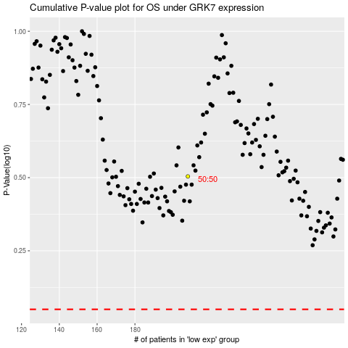

 |  |  |  |  |  | cases_OS | p_OS | rank | exp
 |  |  |  |  |  |  | cases_RFS | p_RFS | rank | exp

