GRLF1 _multivariate
Reported by Tex Li-Hsing Chi. tex@gate.sinica.edu.tw 2019-08-19

Table 2. The clinicopathological features of HNSCC cohort and GRLF1 expression. (Chi square test)
Cutoff at 0.247 (65.2%)
 |  | GRLF1 expression |  | GRLF1 expression |  | (Optimised)
 | Features | Low | (%) | High | (%) | Case no | P-value | Remark | Matthews
Gender | Female | 198 | 47.7 | 108 | 26 | 415 | 0.7568 | 0 | 0
2 | Male | 73 | 17.6 | 36 | 8.7
Age at diagnosis | <=65y | 181 | 43.6 | 93 | 22.4 | 415 | 0.7317 | 0 | 0
4 | >65y | 90 | 21.7 | 51 | 12.3
Clinical T Status | T1+T2 | 102 | 24.6 | 47 | 11.3 | 415 | 0.3665 | 0 | 0
6 | T3+T4 | 169 | 40.7 | 97 | 23.4
Clinical N Status | N0 | 135 | 32.5 | 81 | 19.5 | 415 | 0.2519 | 0 | 0
8 | N1-3 | 136 | 32.8 | 63 | 15.2
Clinical M Status | M0 | 268 | 64.6 | 144 | 34.7 | 415 | 0.5545 | 0 | 0
10 | M1 | 3 | 0.7 | 0 | 0
Clinical Stage | Stage I+II | 64 | 15.4 | 38 | 9.2 | 415 | 0.6138 | 0 | 0
12 | Stage III+IV | 207 | 49.9 | 106 | 25.5
Surgical Margin status | Negative | 209 | 50.4 | 109 | 26.3 | 415 | 0.8076 | 0 | 0
14 | Positive | 62 | 14.9 | 35 | 8.4
Tobacco Exposure | Low | 111 | 26.7 | 50 | 12 | 415 | 0.2446 | 0 | 0
16 | High | 160 | 38.6 | 94 | 22.7

Table 3. Univariate/Multivariate Cox's proportional hazards regression analyses on OS time of GRLF1 gene expression in HNSCC

 |  | Univariate |  |  |  | Multivariate
 | Features | HR | CI95%(L) | CI95%(H) | P-value | HR | CI95%(L) | CI95%(H) | P-value
1 | Female | 1 |  |  |  | 1
Gender | Male | 1.157 | 0.843 | 1.587 | 0.367 | 1.223 | 0.875 | 1.707 | 0.238
11 | <=65y | 1 |  |  |  | 1
Age at diagnosis | >65y | 1.329 | 0.99 | 1.784 | 0.058 | 1.42 | 1.044 | 1.931 | 0.026
12 | T1+T2 | 1 |  |  |  | 1
Clinical T Status | T3+T4 | 1.409 | 1.028 | 1.931 | 0.033 | 2.159 | 1.142 | 4.082 | 0.018
13 | N0 | 1 |  |  |  | 1
Clinical N Status | N1-3 | 1.185 | 0.89 | 1.577 | 0.246 | 1.262 | 0.884 | 1.802 | 0.2
14 | M0 | 1 |  |  |  | 1
Clinical M Status | M1 | 4.097 | 1.009 | 16.644 | 0.049 | 10.522 | 2.285 | 48.46 | 0.003
15 | Stage I+II | 1 |  |  |  | 1
Clinical Stage | Stage III+IV | 1.245 | 0.882 | 1.759 | 0.213 | 0.498 | 0.232 | 1.068 | 0.073
16 | Negative | 1 |  |  |  | 1
Surgical Margin status | Positive | 1.591 | 1.155 | 2.191 | 0.004 | 1.68 | 1.215 | 2.322 | 0.002
17 | Low | 1 |  |  |  | 1
Tobacco Exposure | High | 1.364 | 1.008 | 1.844 | 0.044 | 1.433 | 1.04 | 1.973 | 0.028
18 | Low | 1 |  |  |  | 1
RNAseq(z-score) | High | 1.378 | 1.029 | 1.846 | 0.031 | 1.377 | 1.024 | 1.852 | 0.035

Table 4. Univariate/Multivariate Cox's proportional hazards regression analyses on RFS time of GRLF1 gene expression in HNSCC

 |  | Univariate |  |  |  | Multivariate
 | Features | HR | CI95%(L) | CI95%(H) | P-value | HR | CI95%(L) | CI95%(H) | P-value
1 | Female | 1 |  |  |  | 1
Gender | Male | 1.157 | 0.843 | 1.587 | 0.367 | 1.223 | 0.875 | 1.707 | 0.238
11 | <=65y | 1 |  |  |  | 1
Age at diagnosis | >65y | 1.329 | 0.99 | 1.784 | 0.058 | 1.42 | 1.044 | 1.931 | 0.026
12 | T1+T2 | 1 |  |  |  | 1
Clinical T Status | T3+T4 | 1.409 | 1.028 | 1.931 | 0.033 | 2.159 | 1.142 | 4.082 | 0.018
13 | N0 | 1 |  |  |  | 1
Clinical N Status | N1-3 | 1.185 | 0.89 | 1.577 | 0.246 | 1.262 | 0.884 | 1.802 | 0.2
14 | M0 | 1 |  |  |  | 1
Clinical M Status | M1 | 4.097 | 1.009 | 16.644 | 0.049 | 10.522 | 2.285 | 48.46 | 0.003
15 | Stage I+II | 1 |  |  |  | 1
Clinical Stage | Stage III+IV | 1.245 | 0.882 | 1.759 | 0.213 | 0.498 | 0.232 | 1.068 | 0.073
16 | Negative | 1 |  |  |  | 1
Surgical Margin status | Positive | 1.591 | 1.155 | 2.191 | 0.004 | 1.68 | 1.215 | 2.322 | 0.002
17 | Low | 1 |  |  |  | 1
Tobacco Exposure | High | 1.364 | 1.008 | 1.844 | 0.044 | 1.433 | 1.04 | 1.973 | 0.028
18 | Low | 1 |  |  |  | 1
RNAseq(z-score) | High | 1.378 | 1.029 | 1.846 | 0.031 | 1.377 | 1.024 | 1.852 | 0.035

Kaplan-Meier survival estimate: Cutoff at 0.247 (65.2%)



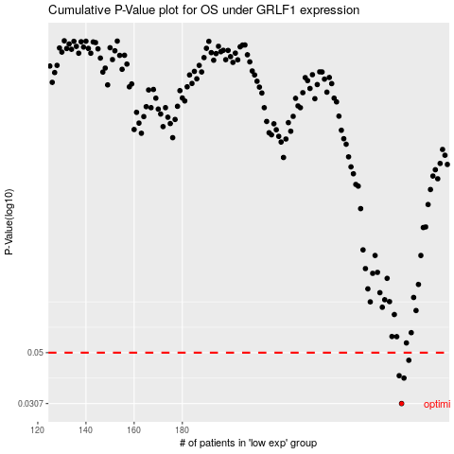

 |  |  |  |  |  | cases_OS | p_OS | rank | exp
 |  |  |  |  |  | 271 | 0.0307 | 143 | 0.24726498927
 |  |  |  |  |  | 272 | 0.0392 | 264 | 0.24834007636
 |  |  |  |  |  | 270 | 0.0401 | 363 | 0.23825736649
 |  |  |  |  |  | 274 | 0.0465 | 54 | 0.25740799242
 |  |  |  |  |  |  | cases_RFS | p_RFS | rank | exp
 |  |  |  |  |  |  | 270 | 0.0307 | 363 | 0.23825736649
 |  |  |  |  |  |  | 271 | 0.0392 | 143 | 0.24726498927
 |  |  |  |  |  |  | 269 | 0.0401 | 131 | 0.23516052344
 |  |  |  |  |  |  | 273 | 0.0465 | 37 | 0.251889119

