GRP _multivariate
Reported by Tex Li-Hsing Chi. tex@gate.sinica.edu.tw 2019-08-19

Table 2. The clinicopathological features of HNSCC cohort and GRP expression. (Chi square test)
Cutoff at -0.422 (33.3%)
 |  | GRP expression |  | GRP expression |  | (Optimised)
 | Features | Low | (%) | High | (%) | Case no | P-value | Remark | Matthews
Gender | Female | 104 | 25.1 | 202 | 48.7 | 415 | 0.8116 | 0 | 0
2 | Male | 35 | 8.4 | 74 | 17.8
Age at diagnosis | <=65y | 95 | 22.9 | 179 | 43.1 | 415 | 0.5494 | 0 | 0
4 | >65y | 44 | 10.6 | 97 | 23.4
Clinical T Status | T1+T2 | 61 | 14.7 | 88 | 21.2 | 415 | 0.0216 | 1 | 0
6 | T3+T4 | 78 | 18.8 | 188 | 45.3
Clinical N Status | N0 | 78 | 18.8 | 138 | 33.3 | 415 | 0.2834 | 0 | 0
8 | N1-3 | 61 | 14.7 | 138 | 33.3
Clinical M Status | M0 | 139 | 33.5 | 273 | 65.8 | 415 | 0.554 | 0 | 0
10 | M1 | 0 | 0 | 3 | 0.7
Clinical Stage | Stage I+II | 42 | 10.1 | 60 | 14.5 | 415 | 0.0764 | 0 | 0
12 | Stage III+IV | 97 | 23.4 | 216 | 52
Surgical Margin status | Negative | 112 | 27 | 206 | 49.6 | 415 | 0.219 | 0 | 0
14 | Positive | 27 | 6.5 | 70 | 16.9
Tobacco Exposure | Low | 61 | 14.7 | 100 | 24.1 | 415 | 0.1365 | 0 | 0
16 | High | 78 | 18.8 | 176 | 42.4

Table 3. Univariate/Multivariate Cox's proportional hazards regression analyses on OS time of GRP gene expression in HNSCC

 |  | Univariate |  |  |  | Multivariate
 | Features | HR | CI95%(L) | CI95%(H) | P-value | HR | CI95%(L) | CI95%(H) | P-value
1 | Female | 1 |  |  |  | 1
Gender | Male | 1.157 | 0.843 | 1.587 | 0.367 | 1.21 | 0.865 | 1.692 | 0.265
11 | <=65y | 1 |  |  |  | 1
Age at diagnosis | >65y | 1.329 | 0.99 | 1.784 | 0.058 | 1.36 | 0.998 | 1.852 | 0.051
12 | T1+T2 | 1 |  |  |  | 1
Clinical T Status | T3+T4 | 1.409 | 1.028 | 1.931 | 0.033 | 2.101 | 1.108 | 3.984 | 0.023
13 | N0 | 1 |  |  |  | 1
Clinical N Status | N1-3 | 1.185 | 0.89 | 1.577 | 0.246 | 1.219 | 0.854 | 1.74 | 0.276
14 | M0 | 1 |  |  |  | 1
Clinical M Status | M1 | 4.097 | 1.009 | 16.644 | 0.049 | 8.447 | 1.831 | 38.977 | 0.006
15 | Stage I+II | 1 |  |  |  | 1
Clinical Stage | Stage III+IV | 1.245 | 0.882 | 1.759 | 0.213 | 0.516 | 0.241 | 1.108 | 0.09
16 | Negative | 1 |  |  |  | 1
Surgical Margin status | Positive | 1.591 | 1.155 | 2.191 | 0.004 | 1.652 | 1.194 | 2.285 | 0.002
17 | Low | 1 |  |  |  | 1
Tobacco Exposure | High | 1.364 | 1.008 | 1.844 | 0.044 | 1.428 | 1.035 | 1.972 | 0.03
18 | Low | 1 |  |  |  | 1
RNAseq(z-score) | High | 1.486 | 1.059 | 2.085 | 0.022 | 1.284 | 0.907 | 1.817 | 0.158

Table 4. Univariate/Multivariate Cox's proportional hazards regression analyses on RFS time of GRP gene expression in HNSCC

 |  | Univariate |  |  |  | Multivariate
 | Features | HR | CI95%(L) | CI95%(H) | P-value | HR | CI95%(L) | CI95%(H) | P-value
1 | Female | 1 |  |  |  | 1
Gender | Male | 1.157 | 0.843 | 1.587 | 0.367 | 1.21 | 0.865 | 1.692 | 0.265
11 | <=65y | 1 |  |  |  | 1
Age at diagnosis | >65y | 1.329 | 0.99 | 1.784 | 0.058 | 1.36 | 0.998 | 1.852 | 0.051
12 | T1+T2 | 1 |  |  |  | 1
Clinical T Status | T3+T4 | 1.409 | 1.028 | 1.931 | 0.033 | 2.101 | 1.108 | 3.984 | 0.023
13 | N0 | 1 |  |  |  | 1
Clinical N Status | N1-3 | 1.185 | 0.89 | 1.577 | 0.246 | 1.219 | 0.854 | 1.74 | 0.276
14 | M0 | 1 |  |  |  | 1
Clinical M Status | M1 | 4.097 | 1.009 | 16.644 | 0.049 | 8.447 | 1.831 | 38.977 | 0.006
15 | Stage I+II | 1 |  |  |  | 1
Clinical Stage | Stage III+IV | 1.245 | 0.882 | 1.759 | 0.213 | 0.516 | 0.241 | 1.108 | 0.09
16 | Negative | 1 |  |  |  | 1
Surgical Margin status | Positive | 1.591 | 1.155 | 2.191 | 0.004 | 1.652 | 1.194 | 2.285 | 0.002
17 | Low | 1 |  |  |  | 1
Tobacco Exposure | High | 1.364 | 1.008 | 1.844 | 0.044 | 1.428 | 1.035 | 1.972 | 0.03
18 | Low | 1 |  |  |  | 1
RNAseq(z-score) | High | 1.486 | 1.059 | 2.085 | 0.022 | 1.284 | 0.907 | 1.817 | 0.158

Kaplan-Meier survival estimate: Cutoff at -0.422 (33.3%)

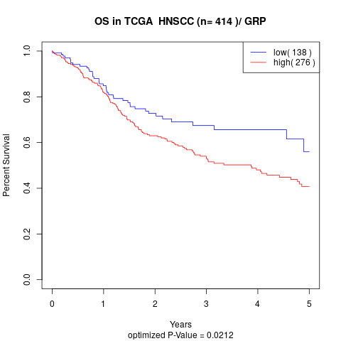

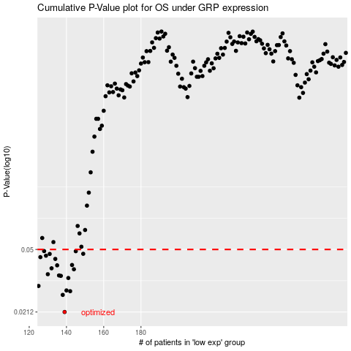

 |  |  |  |  |  | cases_OS | p_OS | rank | exp
 |  |  |  |  |  | 139 | 0.0212 | 373 | -0.42193842978
 |  |  |  |  |  | 138 | 0.0268 | 169 | -0.42247368694
 |  |  |  |  |  | 142 | 0.0282 | 289 | -0.41970175955
 |  |  |  |  |  | 140 | 0.0285 | 55 | -0.42190319341
 |  |  |  |  |  | 125 | 0.0303 | 349 | -0.43605311091
 |  |  |  |  |  | 141 | 0.0338 | 288 | -0.42027728685
 |  |  |  |  |  | 137 | 0.0348 | 109 | -0.42288142203
 |  |  |  |  |  | 136 | 0.035 | 358 | -0.42383615973
 |  |  |  |  |  | 130 | 0.0356 | 258 | -0.42972902232
 |  |  |  |  |  | 144 | 0.0381 | 236 | -0.4189483725
 |  |  |  |  |  | 132 | 0.0386 | 124 | -0.42849574954
 |  |  |  |  |  | 135 | 0.0402 | 16 | -0.425015739
 |  |  |  |  |  | 143 | 0.0404 | 238 | -0.41932422707
 |  |  |  |  |  | 134 | 0.0439 | 395 | -0.42567012864
 |  |  |  |  |  | 126 | 0.045 | 86 | -0.43601116286
 |  |  |  |  |  | 129 | 0.0459 | 397 | -0.4304773756
 |  |  |  |  |  | 131 | 0.047 | 89 | -0.429477334
 |  |  |  |  |  | 149 | 0.0471 | 389 | -0.41038593577
 |  |  |  |  |  | 145 | 0.0488 | 99 | -0.41727716204
 |  |  |  |  |  | 128 | 0.0489 | 19 | -0.43273921466
 |  |  |  |  |  |  | cases_RFS | p_RFS | rank | exp
 |  |  |  |  |  |  | 138 | 0.0212 | 169 | -0.42247368694
 |  |  |  |  |  |  | 137 | 0.0268 | 109 | -0.42288142203
 |  |  |  |  |  |  | 141 | 0.0282 | 288 | -0.42027728685
 |  |  |  |  |  |  | 139 | 0.0285 | 373 | -0.42193842978
 |  |  |  |  |  |  |  | 0.0303 | 333 | -0.43625781741
 |  |  |  |  |  |  | 140 | 0.0338 | 55 | -0.42190319341
 |  |  |  |  |  |  | 136 | 0.0348 | 358 | -0.42383615973
 |  |  |  |  |  |  | 135 | 0.035 | 16 | -0.425015739
 |  |  |  |  |  |  | 129 | 0.0356 | 397 | -0.4304773756
 |  |  |  |  |  |  | 143 | 0.0381 | 238 | -0.41932422707
 |  |  |  |  |  |  | 131 | 0.0386 | 89 | -0.429477334
 |  |  |  |  |  |  | 134 | 0.0402 | 395 | -0.42567012864
 |  |  |  |  |  |  | 142 | 0.0404 | 289 | -0.41970175955
 |  |  |  |  |  |  | 133 | 0.0439 | 105 | -0.42703260143
 |  |  |  |  |  |  | 125 | 0.045 | 349 | -0.43605311091
 |  |  |  |  |  |  | 128 | 0.0459 | 19 | -0.43273921466
 |  |  |  |  |  |  | 130 | 0.047 | 258 | -0.42972902232
 |  |  |  |  |  |  | 148 | 0.0471 | 352 | -0.41272663717
 |  |  |  |  |  |  | 144 | 0.0488 | 236 | -0.4189483725
 |  |  |  |  |  |  | 127 | 0.0489 | 392 | -0.43410839914

