GRPEL2 _multivariate
Reported by Tex Li-Hsing Chi. tex@gate.sinica.edu.tw 2019-08-19

Table 2. The clinicopathological features of HNSCC cohort and GRPEL2 expression. (Chi square test)
Cutoff at -0.304 (50.0%)
 |  | GRPEL2 expression |  | GRPEL2 expression |  | (Optimised)
 | Features | Low | (%) | High | (%) | Case no | P-value | Remark | Matthews
Gender | Female | 160 | 38.6 | 146 | 35.2 | 415 | 0.1254 | 0 | 0
2 | Male | 47 | 11.3 | 62 | 14.9
Age at diagnosis | <=65y | 134 | 32.3 | 140 | 33.7 | 415 | 0.6529 | 0 | 0
4 | >65y | 73 | 17.6 | 68 | 16.4
Clinical T Status | T1+T2 | 74 | 17.8 | 75 | 18.1 | 415 | 1 | 0 | 0
6 | T3+T4 | 133 | 32 | 133 | 32
Clinical N Status | N0 | 111 | 26.7 | 105 | 25.3 | 415 | 0.5875 | 0 | 0
8 | N1-3 | 96 | 23.1 | 103 | 24.8
Clinical M Status | M0 | 204 | 49.2 | 208 | 50.1 | 415 | 0.1232 | 0 | 0
10 | M1 | 3 | 0.7 | 0 | 0
Clinical Stage | Stage I+II | 53 | 12.8 | 49 | 11.8 | 415 | 0.7113 | 0 | 0
12 | Stage III+IV | 154 | 37.1 | 159 | 38.3
Surgical Margin status | Negative | 157 | 37.8 | 161 | 38.8 | 415 | 0.729 | 0 | 0
14 | Positive | 50 | 12 | 47 | 11.3
Tobacco Exposure | Low | 81 | 19.5 | 80 | 19.3 | 415 | 0.9199 | 0 | 0
16 | High | 126 | 30.4 | 128 | 30.8

Table 3. Univariate/Multivariate Cox's proportional hazards regression analyses on OS time of GRPEL2 gene expression in HNSCC

 |  | Univariate |  |  |  | Multivariate
 | Features | HR | CI95%(L) | CI95%(H) | P-value | HR | CI95%(L) | CI95%(H) | P-value
1 | Female | 1 |  |  |  | 1
Gender | Male | 1.157 | 0.843 | 1.587 | 0.367 | 1.224 | 0.873 | 1.716 | 0.241
11 | <=65y | 1 |  |  |  | 1
Age at diagnosis | >65y | 1.329 | 0.99 | 1.784 | 0.058 | 1.384 | 1.017 | 1.881 | 0.038
12 | T1+T2 | 1 |  |  |  | 1
Clinical T Status | T3+T4 | 1.409 | 1.028 | 1.931 | 0.033 | 2.179 | 1.152 | 4.122 | 0.017
13 | N0 | 1 |  |  |  | 1
Clinical N Status | N1-3 | 1.185 | 0.89 | 1.577 | 0.246 | 1.237 | 0.866 | 1.765 | 0.242
14 | M0 | 1 |  |  |  | 1
Clinical M Status | M1 | 4.097 | 1.009 | 16.644 | 0.049 | 8.851 | 1.917 | 40.863 | 0.005
15 | Stage I+II | 1 |  |  |  | 1
Clinical Stage | Stage III+IV | 1.245 | 0.882 | 1.759 | 0.213 | 0.507 | 0.236 | 1.088 | 0.081
16 | Negative | 1 |  |  |  | 1
Surgical Margin status | Positive | 1.591 | 1.155 | 2.191 | 0.004 | 1.67 | 1.208 | 2.308 | 0.002
17 | Low | 1 |  |  |  | 1
Tobacco Exposure | High | 1.364 | 1.008 | 1.844 | 0.044 | 1.451 | 1.053 | 1.999 | 0.023
18 | Low | 1 |  |  |  | 1
RNAseq(z-score) | High | 0.853 | 0.64 | 1.136 | 0.277 | 0.889 | 0.663 | 1.191 | 0.43

Table 4. Univariate/Multivariate Cox's proportional hazards regression analyses on RFS time of GRPEL2 gene expression in HNSCC

 |  | Univariate |  |  |  | Multivariate
 | Features | HR | CI95%(L) | CI95%(H) | P-value | HR | CI95%(L) | CI95%(H) | P-value
1 | Female | 1 |  |  |  | 1
Gender | Male | 1.157 | 0.843 | 1.587 | 0.367 | 1.224 | 0.873 | 1.716 | 0.241
11 | <=65y | 1 |  |  |  | 1
Age at diagnosis | >65y | 1.329 | 0.99 | 1.784 | 0.058 | 1.384 | 1.017 | 1.881 | 0.038
12 | T1+T2 | 1 |  |  |  | 1
Clinical T Status | T3+T4 | 1.409 | 1.028 | 1.931 | 0.033 | 2.179 | 1.152 | 4.122 | 0.017
13 | N0 | 1 |  |  |  | 1
Clinical N Status | N1-3 | 1.185 | 0.89 | 1.577 | 0.246 | 1.237 | 0.866 | 1.765 | 0.242
14 | M0 | 1 |  |  |  | 1
Clinical M Status | M1 | 4.097 | 1.009 | 16.644 | 0.049 | 8.851 | 1.917 | 40.863 | 0.005
15 | Stage I+II | 1 |  |  |  | 1
Clinical Stage | Stage III+IV | 1.245 | 0.882 | 1.759 | 0.213 | 0.507 | 0.236 | 1.088 | 0.081
16 | Negative | 1 |  |  |  | 1
Surgical Margin status | Positive | 1.591 | 1.155 | 2.191 | 0.004 | 1.67 | 1.208 | 2.308 | 0.002
17 | Low | 1 |  |  |  | 1
Tobacco Exposure | High | 1.364 | 1.008 | 1.844 | 0.044 | 1.451 | 1.053 | 1.999 | 0.023
18 | Low | 1 |  |  |  | 1
RNAseq(z-score) | High | 0.853 | 0.64 | 1.136 | 0.277 | 0.889 | 0.663 | 1.191 | 0.43

Kaplan-Meier survival estimate: Cutoff at -0.304 (50.0%)



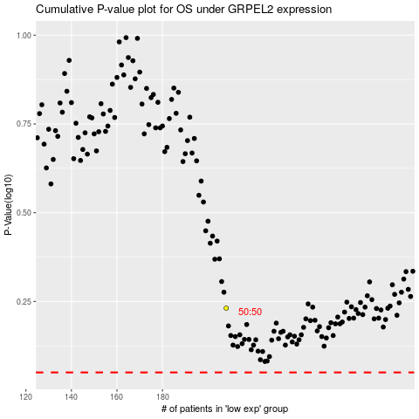

 |  |  |  |  |  | cases_OS | p_OS | rank | exp
 |  |  |  |  |  |  | cases_RFS | p_RFS | rank | exp

