GRSF1 _multivariate
Reported by Tex Li-Hsing Chi. tex@gate.sinica.edu.tw 2019-08-19

Table 2. The clinicopathological features of HNSCC cohort and GRSF1 expression. (Chi square test)
Cutoff at -0.089 (50.0%)
 |  | GRSF1 expression |  | GRSF1 expression |  | (Optimised)
 | Features | Low | (%) | High | (%) | Case no | P-value | Remark | Matthews
Gender | Female | 158 | 38.1 | 148 | 35.7 | 415 | 0.2774 | 0 | 0
2 | Male | 49 | 11.8 | 60 | 14.5
Age at diagnosis | <=65y | 138 | 33.3 | 136 | 32.8 | 415 | 0.8634 | 0 | 0
4 | >65y | 69 | 16.6 | 72 | 17.3
Clinical T Status | T1+T2 | 93 | 22.4 | 56 | 13.5 | 415 | 2e-04 | 1 | 0
6 | T3+T4 | 114 | 27.5 | 152 | 36.6
Clinical N Status | N0 | 114 | 27.5 | 102 | 24.6 | 415 | 0.2576 | 1 | 0
8 | N1-3 | 93 | 22.4 | 106 | 25.5
Clinical M Status | M0 | 205 | 49.4 | 207 | 49.9 | 415 | 0.6232 | 0 | 0
10 | M1 | 2 | 0.5 | 1 | 0.2
Clinical Stage | Stage I+II | 61 | 14.7 | 41 | 9.9 | 415 | 0.0282 | 1 | 0
12 | Stage III+IV | 146 | 35.2 | 167 | 40.2
Surgical Margin status | Negative | 162 | 39 | 156 | 37.6 | 415 | 0.4867 | 0 | 0
14 | Positive | 45 | 10.8 | 52 | 12.5
Tobacco Exposure | Low | 93 | 22.4 | 68 | 16.4 | 415 | 0.0118 | 1 | 0
16 | High | 114 | 27.5 | 140 | 33.7

Table 3. Univariate/Multivariate Cox's proportional hazards regression analyses on OS time of GRSF1 gene expression in HNSCC

 |  | Univariate |  |  |  | Multivariate
 | Features | HR | CI95%(L) | CI95%(H) | P-value | HR | CI95%(L) | CI95%(H) | P-value
1 | Female | 1 |  |  |  | 1
Gender | Male | 1.157 | 0.843 | 1.587 | 0.367 | 1.196 | 0.855 | 1.671 | 0.296
11 | <=65y | 1 |  |  |  | 1
Age at diagnosis | >65y | 1.329 | 0.99 | 1.784 | 0.058 | 1.391 | 1.022 | 1.892 | 0.036
12 | T1+T2 | 1 |  |  |  | 1
Clinical T Status | T3+T4 | 1.409 | 1.028 | 1.931 | 0.033 | 2.159 | 1.139 | 4.091 | 0.018
13 | N0 | 1 |  |  |  | 1
Clinical N Status | N1-3 | 1.185 | 0.89 | 1.577 | 0.246 | 1.24 | 0.869 | 1.77 | 0.236
14 | M0 | 1 |  |  |  | 1
Clinical M Status | M1 | 4.097 | 1.009 | 16.644 | 0.049 | 9.385 | 2.047 | 43.024 | 0.004
15 | Stage I+II | 1 |  |  |  | 1
Clinical Stage | Stage III+IV | 1.245 | 0.882 | 1.759 | 0.213 | 0.51 | 0.237 | 1.094 | 0.084
16 | Negative | 1 |  |  |  | 1
Surgical Margin status | Positive | 1.591 | 1.155 | 2.191 | 0.004 | 1.669 | 1.208 | 2.307 | 0.002
17 | Low | 1 |  |  |  | 1
Tobacco Exposure | High | 1.364 | 1.008 | 1.844 | 0.044 | 1.446 | 1.048 | 1.995 | 0.025
18 | Low | 1 |  |  |  | 1
RNAseq(z-score) | High | 1.212 | 0.909 | 1.616 | 0.19 | 1.111 | 0.831 | 1.487 | 0.477

Table 4. Univariate/Multivariate Cox's proportional hazards regression analyses on RFS time of GRSF1 gene expression in HNSCC

 |  | Univariate |  |  |  | Multivariate
 | Features | HR | CI95%(L) | CI95%(H) | P-value | HR | CI95%(L) | CI95%(H) | P-value
1 | Female | 1 |  |  |  | 1
Gender | Male | 1.157 | 0.843 | 1.587 | 0.367 | 1.196 | 0.855 | 1.671 | 0.296
11 | <=65y | 1 |  |  |  | 1
Age at diagnosis | >65y | 1.329 | 0.99 | 1.784 | 0.058 | 1.391 | 1.022 | 1.892 | 0.036
12 | T1+T2 | 1 |  |  |  | 1
Clinical T Status | T3+T4 | 1.409 | 1.028 | 1.931 | 0.033 | 2.159 | 1.139 | 4.091 | 0.018
13 | N0 | 1 |  |  |  | 1
Clinical N Status | N1-3 | 1.185 | 0.89 | 1.577 | 0.246 | 1.24 | 0.869 | 1.77 | 0.236
14 | M0 | 1 |  |  |  | 1
Clinical M Status | M1 | 4.097 | 1.009 | 16.644 | 0.049 | 9.385 | 2.047 | 43.024 | 0.004
15 | Stage I+II | 1 |  |  |  | 1
Clinical Stage | Stage III+IV | 1.245 | 0.882 | 1.759 | 0.213 | 0.51 | 0.237 | 1.094 | 0.084
16 | Negative | 1 |  |  |  | 1
Surgical Margin status | Positive | 1.591 | 1.155 | 2.191 | 0.004 | 1.669 | 1.208 | 2.307 | 0.002
17 | Low | 1 |  |  |  | 1
Tobacco Exposure | High | 1.364 | 1.008 | 1.844 | 0.044 | 1.446 | 1.048 | 1.995 | 0.025
18 | Low | 1 |  |  |  | 1
RNAseq(z-score) | High | 1.212 | 0.909 | 1.616 | 0.19 | 1.111 | 0.831 | 1.487 | 0.477

Kaplan-Meier survival estimate: Cutoff at -0.089 (50.0%)



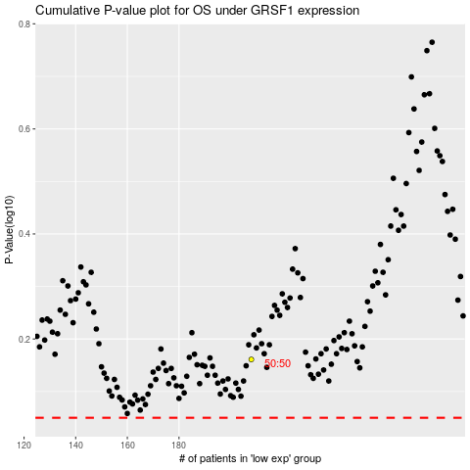

 |  |  |  |  |  | cases_OS | p_OS | rank | exp
 |  |  |  |  |  |  | cases_RFS | p_RFS | rank | exp

