GRTP1 _multivariate
Reported by Tex Li-Hsing Chi. tex@gate.sinica.edu.tw 2019-08-19

Table 2. The clinicopathological features of HNSCC cohort and GRTP1 expression. (Chi square test)
Cutoff at -0.266 (49.8%)
 |  | GRTP1 expression |  | GRTP1 expression |  | (Optimised)
 | Features | Low | (%) | High | (%) | Case no | P-value | Remark | Matthews
Gender | Female | 144 | 34.7 | 162 | 39 | 415 | 0.0697 | 0 | 0
2 | Male | 63 | 15.2 | 46 | 11.1
Age at diagnosis | <=65y | 138 | 33.3 | 136 | 32.8 | 415 | 0.8634 | 0 | 0
4 | >65y | 69 | 16.6 | 72 | 17.3
Clinical T Status | T1+T2 | 82 | 19.8 | 67 | 16.1 | 415 | 0.1417 | 0 | 0
6 | T3+T4 | 125 | 30.1 | 141 | 34
Clinical N Status | N0 | 112 | 27 | 104 | 25.1 | 415 | 0.4599 | 0 | 0
8 | N1-3 | 95 | 22.9 | 104 | 25.1
Clinical M Status | M0 | 207 | 49.9 | 205 | 49.4 | 415 | 0.2482 | 0 | 0
10 | M1 | 0 | 0 | 3 | 0.7
Clinical Stage | Stage I+II | 61 | 14.7 | 41 | 9.9 | 415 | 0.0282 | 1 | 0
12 | Stage III+IV | 146 | 35.2 | 167 | 40.2
Surgical Margin status | Negative | 158 | 38.1 | 160 | 38.6 | 415 | 0.9081 | 0 | 0
14 | Positive | 49 | 11.8 | 48 | 11.6
Tobacco Exposure | Low | 82 | 19.8 | 79 | 19 | 415 | 0.763 | 0 | 0
16 | High | 125 | 30.1 | 129 | 31.1

Table 3. Univariate/Multivariate Cox's proportional hazards regression analyses on OS time of GRTP1 gene expression in HNSCC

 |  | Univariate |  |  |  | Multivariate
 | Features | HR | CI95%(L) | CI95%(H) | P-value | HR | CI95%(L) | CI95%(H) | P-value
1 | Female | 1 |  |  |  | 1
Gender | Male | 1.157 | 0.843 | 1.587 | 0.367 | 1.222 | 0.871 | 1.714 | 0.246
11 | <=65y | 1 |  |  |  | 1
Age at diagnosis | >65y | 1.329 | 0.99 | 1.784 | 0.058 | 1.399 | 1.029 | 1.903 | 0.032
12 | T1+T2 | 1 |  |  |  | 1
Clinical T Status | T3+T4 | 1.409 | 1.028 | 1.931 | 0.033 | 2.217 | 1.172 | 4.193 | 0.014
13 | N0 | 1 |  |  |  | 1
Clinical N Status | N1-3 | 1.185 | 0.89 | 1.577 | 0.246 | 1.239 | 0.868 | 1.768 | 0.237
14 | M0 | 1 |  |  |  | 1
Clinical M Status | M1 | 4.097 | 1.009 | 16.644 | 0.049 | 9.13 | 1.986 | 41.97 | 0.004
15 | Stage I+II | 1 |  |  |  | 1
Clinical Stage | Stage III+IV | 1.245 | 0.882 | 1.759 | 0.213 | 0.494 | 0.23 | 1.064 | 0.072
16 | Negative | 1 |  |  |  | 1
Surgical Margin status | Positive | 1.591 | 1.155 | 2.191 | 0.004 | 1.674 | 1.211 | 2.313 | 0.002
17 | Low | 1 |  |  |  | 1
Tobacco Exposure | High | 1.364 | 1.008 | 1.844 | 0.044 | 1.458 | 1.058 | 2.009 | 0.021
18 | Low | 1 |  |  |  | 1
RNAseq(z-score) | High | 1.083 | 0.813 | 1.443 | 0.586 | 1.098 | 0.816 | 1.478 | 0.535

Table 4. Univariate/Multivariate Cox's proportional hazards regression analyses on RFS time of GRTP1 gene expression in HNSCC

 |  | Univariate |  |  |  | Multivariate
 | Features | HR | CI95%(L) | CI95%(H) | P-value | HR | CI95%(L) | CI95%(H) | P-value
1 | Female | 1 |  |  |  | 1
Gender | Male | 1.157 | 0.843 | 1.587 | 0.367 | 1.222 | 0.871 | 1.714 | 0.246
11 | <=65y | 1 |  |  |  | 1
Age at diagnosis | >65y | 1.329 | 0.99 | 1.784 | 0.058 | 1.399 | 1.029 | 1.903 | 0.032
12 | T1+T2 | 1 |  |  |  | 1
Clinical T Status | T3+T4 | 1.409 | 1.028 | 1.931 | 0.033 | 2.217 | 1.172 | 4.193 | 0.014
13 | N0 | 1 |  |  |  | 1
Clinical N Status | N1-3 | 1.185 | 0.89 | 1.577 | 0.246 | 1.239 | 0.868 | 1.768 | 0.237
14 | M0 | 1 |  |  |  | 1
Clinical M Status | M1 | 4.097 | 1.009 | 16.644 | 0.049 | 9.13 | 1.986 | 41.97 | 0.004
15 | Stage I+II | 1 |  |  |  | 1
Clinical Stage | Stage III+IV | 1.245 | 0.882 | 1.759 | 0.213 | 0.494 | 0.23 | 1.064 | 0.072
16 | Negative | 1 |  |  |  | 1
Surgical Margin status | Positive | 1.591 | 1.155 | 2.191 | 0.004 | 1.674 | 1.211 | 2.313 | 0.002
17 | Low | 1 |  |  |  | 1
Tobacco Exposure | High | 1.364 | 1.008 | 1.844 | 0.044 | 1.458 | 1.058 | 2.009 | 0.021
18 | Low | 1 |  |  |  | 1
RNAseq(z-score) | High | 1.083 | 0.813 | 1.443 | 0.586 | 1.098 | 0.816 | 1.478 | 0.535

Kaplan-Meier survival estimate: Cutoff at -0.266 (49.8%)



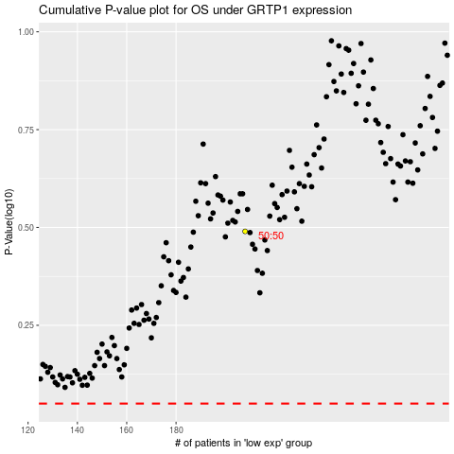

 |  |  |  |  |  | cases_OS | p_OS | rank | exp
 |  |  |  |  |  |  | cases_RFS | p_RFS | rank | exp

