GSDMA _multivariate
Reported by Tex Li-Hsing Chi. tex@gate.sinica.edu.tw 2019-08-19

Table 2. The clinicopathological features of HNSCC cohort and GSDMA expression. (Chi square test)
Cutoff at -0.35 (50.0%)
 |  | GSDMA expression |  | GSDMA expression |  | (Optimised)
 | Features | Low | (%) | High | (%) | Case no | P-value | Remark | Matthews
Gender | Female | 164 | 39.5 | 142 | 34.2 | 415 | 0.0153 | 1 | 0
2 | Male | 43 | 10.4 | 66 | 15.9
Age at diagnosis | <=65y | 147 | 35.4 | 127 | 30.6 | 415 | 0.0416 | 1 | 0
4 | >65y | 60 | 14.5 | 81 | 19.5
Clinical T Status | T1+T2 | 85 | 20.5 | 64 | 15.4 | 415 | 0.0372 | 1 | 0
6 | T3+T4 | 122 | 29.4 | 144 | 34.7
Clinical N Status | N0 | 104 | 25.1 | 112 | 27 | 415 | 0.5243 | 0 | 0
8 | N1-3 | 103 | 24.8 | 96 | 23.1
Clinical M Status | M0 | 206 | 49.6 | 206 | 49.6 | 415 | 1 | 0 | 0
10 | M1 | 1 | 0.2 | 2 | 0.5
Clinical Stage | Stage I+II | 52 | 12.5 | 50 | 12 | 415 | 0.8871 | 0 | 0
12 | Stage III+IV | 155 | 37.3 | 158 | 38.1
Surgical Margin status | Negative | 150 | 36.1 | 168 | 40.5 | 415 | 0.0492 | 1 | 0
14 | Positive | 57 | 13.7 | 40 | 9.6
Tobacco Exposure | Low | 67 | 16.1 | 94 | 22.7 | 415 | 0.0088 | 1 | 0
16 | High | 140 | 33.7 | 114 | 27.5

Table 3. Univariate/Multivariate Cox's proportional hazards regression analyses on OS time of GSDMA gene expression in HNSCC

 |  | Univariate |  |  |  | Multivariate
 | Features | HR | CI95%(L) | CI95%(H) | P-value | HR | CI95%(L) | CI95%(H) | P-value
1 | Female | 1 |  |  |  | 1
Gender | Male | 1.157 | 0.843 | 1.587 | 0.367 | 1.229 | 0.877 | 1.722 | 0.23
11 | <=65y | 1 |  |  |  | 1
Age at diagnosis | >65y | 1.329 | 0.99 | 1.784 | 0.058 | 1.415 | 1.039 | 1.927 | 0.028
12 | T1+T2 | 1 |  |  |  | 1
Clinical T Status | T3+T4 | 1.409 | 1.028 | 1.931 | 0.033 | 2.28 | 1.201 | 4.33 | 0.012
13 | N0 | 1 |  |  |  | 1
Clinical N Status | N1-3 | 1.185 | 0.89 | 1.577 | 0.246 | 1.23 | 0.861 | 1.756 | 0.255
14 | M0 | 1 |  |  |  | 1
Clinical M Status | M1 | 4.097 | 1.009 | 16.644 | 0.049 | 10.215 | 2.205 | 47.319 | 0.003
15 | Stage I+II | 1 |  |  |  | 1
Clinical Stage | Stage III+IV | 1.245 | 0.882 | 1.759 | 0.213 | 0.492 | 0.229 | 1.058 | 0.07
16 | Negative | 1 |  |  |  | 1
Surgical Margin status | Positive | 1.591 | 1.155 | 2.191 | 0.004 | 1.647 | 1.19 | 2.279 | 0.003
17 | Low | 1 |  |  |  | 1
Tobacco Exposure | High | 1.364 | 1.008 | 1.844 | 0.044 | 1.43 | 1.036 | 1.973 | 0.03
18 | Low | 1 |  |  |  | 1
RNAseq(z-score) | High | 0.926 | 0.695 | 1.234 | 0.6 | 0.87 | 0.643 | 1.177 | 0.367

Table 4. Univariate/Multivariate Cox's proportional hazards regression analyses on RFS time of GSDMA gene expression in HNSCC

 |  | Univariate |  |  |  | Multivariate
 | Features | HR | CI95%(L) | CI95%(H) | P-value | HR | CI95%(L) | CI95%(H) | P-value
1 | Female | 1 |  |  |  | 1
Gender | Male | 1.157 | 0.843 | 1.587 | 0.367 | 1.229 | 0.877 | 1.722 | 0.23
11 | <=65y | 1 |  |  |  | 1
Age at diagnosis | >65y | 1.329 | 0.99 | 1.784 | 0.058 | 1.415 | 1.039 | 1.927 | 0.028
12 | T1+T2 | 1 |  |  |  | 1
Clinical T Status | T3+T4 | 1.409 | 1.028 | 1.931 | 0.033 | 2.28 | 1.201 | 4.33 | 0.012
13 | N0 | 1 |  |  |  | 1
Clinical N Status | N1-3 | 1.185 | 0.89 | 1.577 | 0.246 | 1.23 | 0.861 | 1.756 | 0.255
14 | M0 | 1 |  |  |  | 1
Clinical M Status | M1 | 4.097 | 1.009 | 16.644 | 0.049 | 10.215 | 2.205 | 47.319 | 0.003
15 | Stage I+II | 1 |  |  |  | 1
Clinical Stage | Stage III+IV | 1.245 | 0.882 | 1.759 | 0.213 | 0.492 | 0.229 | 1.058 | 0.07
16 | Negative | 1 |  |  |  | 1
Surgical Margin status | Positive | 1.591 | 1.155 | 2.191 | 0.004 | 1.647 | 1.19 | 2.279 | 0.003
17 | Low | 1 |  |  |  | 1
Tobacco Exposure | High | 1.364 | 1.008 | 1.844 | 0.044 | 1.43 | 1.036 | 1.973 | 0.03
18 | Low | 1 |  |  |  | 1
RNAseq(z-score) | High | 0.926 | 0.695 | 1.234 | 0.6 | 0.87 | 0.643 | 1.177 | 0.367

Kaplan-Meier survival estimate: Cutoff at -0.35 (50.0%)



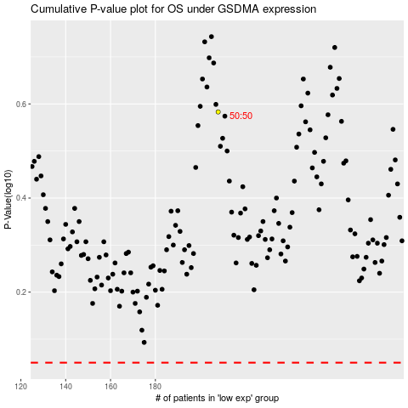

 |  |  |  |  |  | cases_OS | p_OS | rank | exp
 |  |  |  |  |  |  | cases_RFS | p_RFS | rank | exp

