GSDMB _multivariate
Reported by Tex Li-Hsing Chi. tex@gate.sinica.edu.tw 2019-08-19

Table 2. The clinicopathological features of HNSCC cohort and GSDMB expression. (Chi square test)
Cutoff at -0.315 (50.0%)
 |  | GSDMB expression |  | GSDMB expression |  | (Optimised)
 | Features | Low | (%) | High | (%) | Case no | P-value | Remark | Matthews
Gender | Female | 150 | 36.1 | 156 | 37.6 | 415 | 0.6344 | 0 | 0
2 | Male | 57 | 13.7 | 52 | 12.5
Age at diagnosis | <=65y | 146 | 35.2 | 128 | 30.8 | 415 | 0.0672 | 0 | 0
4 | >65y | 61 | 14.7 | 80 | 19.3
Clinical T Status | T1+T2 | 67 | 16.1 | 82 | 19.8 | 415 | 0.1628 | 0 | 0
6 | T3+T4 | 140 | 33.7 | 126 | 30.4
Clinical N Status | N0 | 102 | 24.6 | 114 | 27.5 | 415 | 0.3031 | 0 | 0
8 | N1-3 | 105 | 25.3 | 94 | 22.7
Clinical M Status | M0 | 207 | 49.9 | 205 | 49.4 | 415 | 0.2482 | 0 | 0
10 | M1 | 0 | 0 | 3 | 0.7
Clinical Stage | Stage I+II | 47 | 11.3 | 55 | 13.3 | 415 | 0.4413 | 0 | 0
12 | Stage III+IV | 160 | 38.6 | 153 | 36.9
Surgical Margin status | Negative | 161 | 38.8 | 157 | 37.8 | 415 | 0.6429 | 0 | 0
14 | Positive | 46 | 11.1 | 51 | 12.3
Tobacco Exposure | Low | 71 | 17.1 | 90 | 21.7 | 415 | 0.0698 | 0 | 0
16 | High | 136 | 32.8 | 118 | 28.4

Table 3. Univariate/Multivariate Cox's proportional hazards regression analyses on OS time of GSDMB gene expression in HNSCC

 |  | Univariate |  |  |  | Multivariate
 | Features | HR | CI95%(L) | CI95%(H) | P-value | HR | CI95%(L) | CI95%(H) | P-value
1 | Female | 1 |  |  |  | 1
Gender | Male | 1.157 | 0.843 | 1.587 | 0.367 | 1.202 | 0.861 | 1.679 | 0.28
11 | <=65y | 1 |  |  |  | 1
Age at diagnosis | >65y | 1.329 | 0.99 | 1.784 | 0.058 | 1.383 | 1.017 | 1.883 | 0.039
12 | T1+T2 | 1 |  |  |  | 1
Clinical T Status | T3+T4 | 1.409 | 1.028 | 1.931 | 0.033 | 2.223 | 1.174 | 4.209 | 0.014
13 | N0 | 1 |  |  |  | 1
Clinical N Status | N1-3 | 1.185 | 0.89 | 1.577 | 0.246 | 1.25 | 0.875 | 1.787 | 0.22
14 | M0 | 1 |  |  |  | 1
Clinical M Status | M1 | 4.097 | 1.009 | 16.644 | 0.049 | 9.121 | 1.979 | 42.045 | 0.005
15 | Stage I+II | 1 |  |  |  | 1
Clinical Stage | Stage III+IV | 1.245 | 0.882 | 1.759 | 0.213 | 0.5 | 0.233 | 1.075 | 0.076
16 | Negative | 1 |  |  |  | 1
Surgical Margin status | Positive | 1.591 | 1.155 | 2.191 | 0.004 | 1.666 | 1.205 | 2.303 | 0.002
17 | Low | 1 |  |  |  | 1
Tobacco Exposure | High | 1.364 | 1.008 | 1.844 | 0.044 | 1.46 | 1.059 | 2.012 | 0.021
18 | Low | 1 |  |  |  | 1
RNAseq(z-score) | High | 1.066 | 0.801 | 1.419 | 0.661 | 1.071 | 0.799 | 1.435 | 0.647

Table 4. Univariate/Multivariate Cox's proportional hazards regression analyses on RFS time of GSDMB gene expression in HNSCC

 |  | Univariate |  |  |  | Multivariate
 | Features | HR | CI95%(L) | CI95%(H) | P-value | HR | CI95%(L) | CI95%(H) | P-value
1 | Female | 1 |  |  |  | 1
Gender | Male | 1.157 | 0.843 | 1.587 | 0.367 | 1.202 | 0.861 | 1.679 | 0.28
11 | <=65y | 1 |  |  |  | 1
Age at diagnosis | >65y | 1.329 | 0.99 | 1.784 | 0.058 | 1.383 | 1.017 | 1.883 | 0.039
12 | T1+T2 | 1 |  |  |  | 1
Clinical T Status | T3+T4 | 1.409 | 1.028 | 1.931 | 0.033 | 2.223 | 1.174 | 4.209 | 0.014
13 | N0 | 1 |  |  |  | 1
Clinical N Status | N1-3 | 1.185 | 0.89 | 1.577 | 0.246 | 1.25 | 0.875 | 1.787 | 0.22
14 | M0 | 1 |  |  |  | 1
Clinical M Status | M1 | 4.097 | 1.009 | 16.644 | 0.049 | 9.121 | 1.979 | 42.045 | 0.005
15 | Stage I+II | 1 |  |  |  | 1
Clinical Stage | Stage III+IV | 1.245 | 0.882 | 1.759 | 0.213 | 0.5 | 0.233 | 1.075 | 0.076
16 | Negative | 1 |  |  |  | 1
Surgical Margin status | Positive | 1.591 | 1.155 | 2.191 | 0.004 | 1.666 | 1.205 | 2.303 | 0.002
17 | Low | 1 |  |  |  | 1
Tobacco Exposure | High | 1.364 | 1.008 | 1.844 | 0.044 | 1.46 | 1.059 | 2.012 | 0.021
18 | Low | 1 |  |  |  | 1
RNAseq(z-score) | High | 1.066 | 0.801 | 1.419 | 0.661 | 1.071 | 0.799 | 1.435 | 0.647

Kaplan-Meier survival estimate: Cutoff at -0.315 (50.0%)



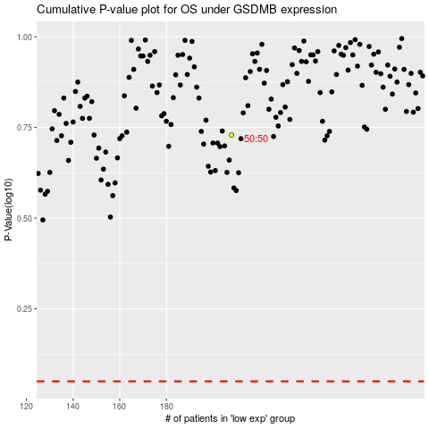

 |  |  |  |  |  | cases_OS | p_OS | rank | exp
 |  |  |  |  |  |  | cases_RFS | p_RFS | rank | exp

