GSDMD _multivariate
Reported by Tex Li-Hsing Chi. tex@gate.sinica.edu.tw 2019-08-19

Table 2. The clinicopathological features of HNSCC cohort and GSDMD expression. (Chi square test)
Cutoff at -0.202 (49.8%)
 |  | GSDMD expression |  | GSDMD expression |  | (Optimised)
 | Features | Low | (%) | High | (%) | Case no | P-value | Remark | Matthews
Gender | Female | 152 | 36.6 | 154 | 37.1 | 415 | 0.9766 | 0 | 0
2 | Male | 55 | 13.3 | 54 | 13
Age at diagnosis | <=65y | 144 | 34.7 | 130 | 31.3 | 415 | 0.1568 | 0 | 0
4 | >65y | 63 | 15.2 | 78 | 18.8
Clinical T Status | T1+T2 | 71 | 17.1 | 78 | 18.8 | 415 | 0.5638 | 0 | 0
6 | T3+T4 | 136 | 32.8 | 130 | 31.3
Clinical N Status | N0 | 119 | 28.7 | 97 | 23.4 | 415 | 0.0345 | 1 | 0
8 | N1-3 | 88 | 21.2 | 111 | 26.7
Clinical M Status | M0 | 206 | 49.6 | 206 | 49.6 | 415 | 1 | 0 | 0
10 | M1 | 1 | 0.2 | 2 | 0.5
Clinical Stage | Stage I+II | 48 | 11.6 | 54 | 13 | 415 | 0.5878 | 0 | 0
12 | Stage III+IV | 159 | 38.3 | 154 | 37.1
Surgical Margin status | Negative | 158 | 38.1 | 160 | 38.6 | 415 | 0.9081 | 0 | 0
14 | Positive | 49 | 11.8 | 48 | 11.6
Tobacco Exposure | Low | 78 | 18.8 | 83 | 20 | 415 | 0.6873 | 0 | 0
16 | High | 129 | 31.1 | 125 | 30.1

Table 3. Univariate/Multivariate Cox's proportional hazards regression analyses on OS time of GSDMD gene expression in HNSCC

 |  | Univariate |  |  |  | Multivariate
 | Features | HR | CI95%(L) | CI95%(H) | P-value | HR | CI95%(L) | CI95%(H) | P-value
1 | Female | 1 |  |  |  | 1
Gender | Male | 1.157 | 0.843 | 1.587 | 0.367 | 1.186 | 0.849 | 1.656 | 0.318
11 | <=65y | 1 |  |  |  | 1
Age at diagnosis | >65y | 1.329 | 0.99 | 1.784 | 0.058 | 1.415 | 1.04 | 1.926 | 0.027
12 | T1+T2 | 1 |  |  |  | 1
Clinical T Status | T3+T4 | 1.409 | 1.028 | 1.931 | 0.033 | 2.291 | 1.208 | 4.345 | 0.011
13 | N0 | 1 |  |  |  | 1
Clinical N Status | N1-3 | 1.185 | 0.89 | 1.577 | 0.246 | 1.311 | 0.909 | 1.891 | 0.147
14 | M0 | 1 |  |  |  | 1
Clinical M Status | M1 | 4.097 | 1.009 | 16.644 | 0.049 | 9.786 | 2.131 | 44.932 | 0.003
15 | Stage I+II | 1 |  |  |  | 1
Clinical Stage | Stage III+IV | 1.245 | 0.882 | 1.759 | 0.213 | 0.465 | 0.214 | 1.009 | 0.053
16 | Negative | 1 |  |  |  | 1
Surgical Margin status | Positive | 1.591 | 1.155 | 2.191 | 0.004 | 1.692 | 1.223 | 2.34 | 0.001
17 | Low | 1 |  |  |  | 1
Tobacco Exposure | High | 1.364 | 1.008 | 1.844 | 0.044 | 1.436 | 1.042 | 1.978 | 0.027
18 | Low | 1 |  |  |  | 1
RNAseq(z-score) | High | 0.894 | 0.67 | 1.195 | 0.45 | 0.828 | 0.613 | 1.119 | 0.219

Table 4. Univariate/Multivariate Cox's proportional hazards regression analyses on RFS time of GSDMD gene expression in HNSCC

 |  | Univariate |  |  |  | Multivariate
 | Features | HR | CI95%(L) | CI95%(H) | P-value | HR | CI95%(L) | CI95%(H) | P-value
1 | Female | 1 |  |  |  | 1
Gender | Male | 1.157 | 0.843 | 1.587 | 0.367 | 1.186 | 0.849 | 1.656 | 0.318
11 | <=65y | 1 |  |  |  | 1
Age at diagnosis | >65y | 1.329 | 0.99 | 1.784 | 0.058 | 1.415 | 1.04 | 1.926 | 0.027
12 | T1+T2 | 1 |  |  |  | 1
Clinical T Status | T3+T4 | 1.409 | 1.028 | 1.931 | 0.033 | 2.291 | 1.208 | 4.345 | 0.011
13 | N0 | 1 |  |  |  | 1
Clinical N Status | N1-3 | 1.185 | 0.89 | 1.577 | 0.246 | 1.311 | 0.909 | 1.891 | 0.147
14 | M0 | 1 |  |  |  | 1
Clinical M Status | M1 | 4.097 | 1.009 | 16.644 | 0.049 | 9.786 | 2.131 | 44.932 | 0.003
15 | Stage I+II | 1 |  |  |  | 1
Clinical Stage | Stage III+IV | 1.245 | 0.882 | 1.759 | 0.213 | 0.465 | 0.214 | 1.009 | 0.053
16 | Negative | 1 |  |  |  | 1
Surgical Margin status | Positive | 1.591 | 1.155 | 2.191 | 0.004 | 1.692 | 1.223 | 2.34 | 0.001
17 | Low | 1 |  |  |  | 1
Tobacco Exposure | High | 1.364 | 1.008 | 1.844 | 0.044 | 1.436 | 1.042 | 1.978 | 0.027
18 | Low | 1 |  |  |  | 1
RNAseq(z-score) | High | 0.894 | 0.67 | 1.195 | 0.45 | 0.828 | 0.613 | 1.119 | 0.219

Kaplan-Meier survival estimate: Cutoff at -0.202 (49.8%)

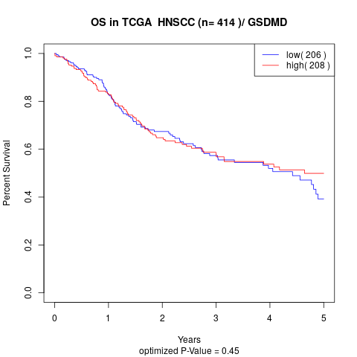

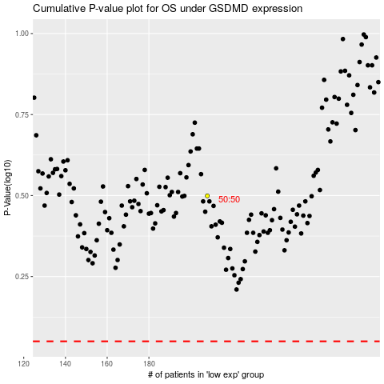

 |  |  |  |  |  | cases_OS | p_OS | rank | exp
 |  |  |  |  |  |  | cases_RFS | p_RFS | rank | exp

