GSK3A _multivariate
Reported by Tex Li-Hsing Chi. tex@gate.sinica.edu.tw 2019-08-19

Table 2. The clinicopathological features of HNSCC cohort and GSK3A expression. (Chi square test)
Cutoff at 0.132 (58.9%)
 |  | GSK3A expression |  | GSK3A expression |  | (Optimised)
 | Features | Low | (%) | High | (%) | Case no | P-value | Remark | Matthews
Gender | Female | 184 | 44.3 | 122 | 29.4 | 415 | 0.4163 | 0 | 0
2 | Male | 60 | 14.5 | 49 | 11.8
Age at diagnosis | <=65y | 165 | 39.8 | 109 | 26.3 | 415 | 0.4739 | 0 | 0
4 | >65y | 79 | 19 | 62 | 14.9
Clinical T Status | T1+T2 | 100 | 24.1 | 49 | 11.8 | 415 | 0.0134 | 1 | 0
6 | T3+T4 | 144 | 34.7 | 122 | 29.4
Clinical N Status | N0 | 125 | 30.1 | 91 | 21.9 | 415 | 0.765 | 0 | 0
8 | N1-3 | 119 | 28.7 | 80 | 19.3
Clinical M Status | M0 | 242 | 58.3 | 170 | 41 | 415 | 1 | 0 | 0
10 | M1 | 2 | 0.5 | 1 | 0.2
Clinical Stage | Stage I+II | 66 | 15.9 | 36 | 8.7 | 415 | 0.2003 | 0 | 0
12 | Stage III+IV | 178 | 42.9 | 135 | 32.5
Surgical Margin status | Negative | 187 | 45.1 | 131 | 31.6 | 415 | 1 | 0 | 0
14 | Positive | 57 | 13.7 | 40 | 9.6
Tobacco Exposure | Low | 95 | 22.9 | 66 | 15.9 | 415 | 1 | 0 | 0
16 | High | 149 | 35.9 | 105 | 25.3

Table 3. Univariate/Multivariate Cox's proportional hazards regression analyses on OS time of GSK3A gene expression in HNSCC

 |  | Univariate |  |  |  | Multivariate
 | Features | HR | CI95%(L) | CI95%(H) | P-value | HR | CI95%(L) | CI95%(H) | P-value
1 | Female | 1 |  |  |  | 1
Gender | Male | 1.157 | 0.843 | 1.587 | 0.367 | 1.194 | 0.855 | 1.666 | 0.297
11 | <=65y | 1 |  |  |  | 1
Age at diagnosis | >65y | 1.329 | 0.99 | 1.784 | 0.058 | 1.403 | 1.032 | 1.907 | 0.031
12 | T1+T2 | 1 |  |  |  | 1
Clinical T Status | T3+T4 | 1.409 | 1.028 | 1.931 | 0.033 | 2.145 | 1.135 | 4.057 | 0.019
13 | N0 | 1 |  |  |  | 1
Clinical N Status | N1-3 | 1.185 | 0.89 | 1.577 | 0.246 | 1.252 | 0.878 | 1.785 | 0.215
14 | M0 | 1 |  |  |  | 1
Clinical M Status | M1 | 4.097 | 1.009 | 16.644 | 0.049 | 9.212 | 2.009 | 42.235 | 0.004
15 | Stage I+II | 1 |  |  |  | 1
Clinical Stage | Stage III+IV | 1.245 | 0.882 | 1.759 | 0.213 | 0.505 | 0.235 | 1.083 | 0.079
16 | Negative | 1 |  |  |  | 1
Surgical Margin status | Positive | 1.591 | 1.155 | 2.191 | 0.004 | 1.627 | 1.176 | 2.251 | 0.003
17 | Low | 1 |  |  |  | 1
Tobacco Exposure | High | 1.364 | 1.008 | 1.844 | 0.044 | 1.446 | 1.05 | 1.992 | 0.024
18 | Low | 1 |  |  |  | 1
RNAseq(z-score) | High | 1.343 | 1.006 | 1.792 | 0.046 | 1.256 | 0.938 | 1.681 | 0.126

Table 4. Univariate/Multivariate Cox's proportional hazards regression analyses on RFS time of GSK3A gene expression in HNSCC

 |  | Univariate |  |  |  | Multivariate
 | Features | HR | CI95%(L) | CI95%(H) | P-value | HR | CI95%(L) | CI95%(H) | P-value
1 | Female | 1 |  |  |  | 1
Gender | Male | 1.157 | 0.843 | 1.587 | 0.367 | 1.194 | 0.855 | 1.666 | 0.297
11 | <=65y | 1 |  |  |  | 1
Age at diagnosis | >65y | 1.329 | 0.99 | 1.784 | 0.058 | 1.403 | 1.032 | 1.907 | 0.031
12 | T1+T2 | 1 |  |  |  | 1
Clinical T Status | T3+T4 | 1.409 | 1.028 | 1.931 | 0.033 | 2.145 | 1.135 | 4.057 | 0.019
13 | N0 | 1 |  |  |  | 1
Clinical N Status | N1-3 | 1.185 | 0.89 | 1.577 | 0.246 | 1.252 | 0.878 | 1.785 | 0.215
14 | M0 | 1 |  |  |  | 1
Clinical M Status | M1 | 4.097 | 1.009 | 16.644 | 0.049 | 9.212 | 2.009 | 42.235 | 0.004
15 | Stage I+II | 1 |  |  |  | 1
Clinical Stage | Stage III+IV | 1.245 | 0.882 | 1.759 | 0.213 | 0.505 | 0.235 | 1.083 | 0.079
16 | Negative | 1 |  |  |  | 1
Surgical Margin status | Positive | 1.591 | 1.155 | 2.191 | 0.004 | 1.627 | 1.176 | 2.251 | 0.003
17 | Low | 1 |  |  |  | 1
Tobacco Exposure | High | 1.364 | 1.008 | 1.844 | 0.044 | 1.446 | 1.05 | 1.992 | 0.024
18 | Low | 1 |  |  |  | 1
RNAseq(z-score) | High | 1.343 | 1.006 | 1.792 | 0.046 | 1.256 | 0.938 | 1.681 | 0.126

Kaplan-Meier survival estimate: Cutoff at 0.132 (58.9%)



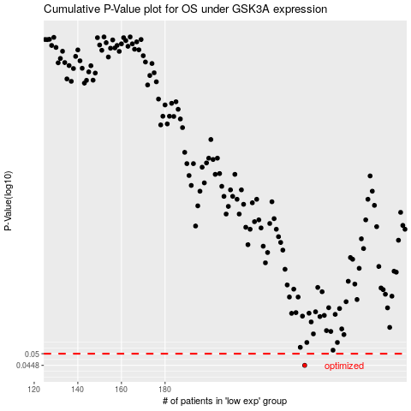

 |  |  |  |  |  | cases_OS | p_OS | rank | exp
 |  |  |  |  |  | 244 | 0.0448 | 206 | 0.13197011891
 |  |  |  |  |  |  | cases_RFS | p_RFS | rank | exp
 |  |  |  |  |  |  | 243 | 0.0448 | 182 | 0.13147395909

